LIST APLIKASI
LIST MODUL APLIKASI SIGMA |  |  |  |  |  |  |  | SCHEDULE RENC.
NO | MODUL | PICTURE | DETAIL |  |  |  |  | NO | ACTIVITY / MODUL | RENC. | MAR. '25 |  |  |  | APR. '25 |  |  |  | MAY. '25 |  |  |  | JUN. '25 |  |  |  | JUL. '25 |  |  |  | AGT. '25 |  |  |  | SEP. '25 |  |  |  | OCT. '25 |  |  |  | NOV. '25 |  |  |  | DES. '25 |  |  |  | JAN. '26 |  |  |  | FEB. '25
 |  |  |  |  |  |  |  |  |  | REAL. | W1 | W2 | W3 | W4 | W1 | W2 | W3 | W4 | W1 | W2 | W3 | W4 | W1 | W2 | W3 | W4 | W1 | W2 | W3 | W4 | W1 | W2 | W3 | W4 | W1 | W2 | W3 | W4 | W1 | W2 | W3 | W4 | W1 | W2 | W3 | W4 | W1 | W2 | W3 | W4 | W1 | W2 | W3 | W4 | W1 | W2 | W3 | W4
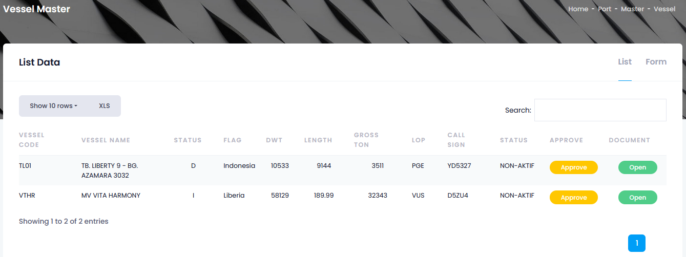
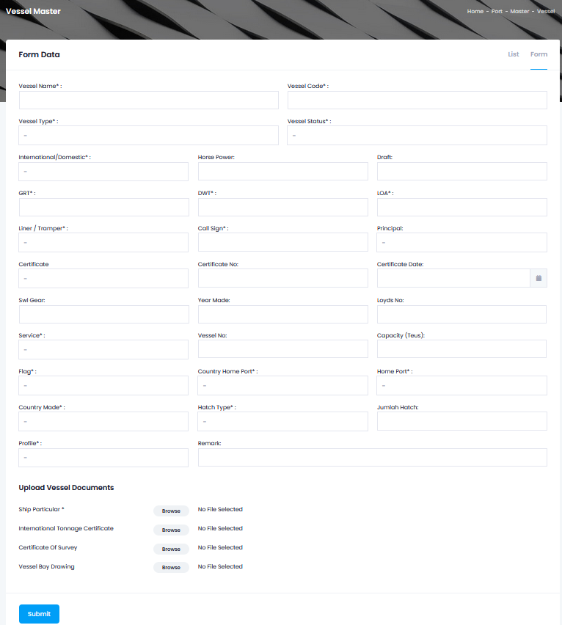
1 | SETTING (MASTER DATA) |  | 1.1 | MASTER DATA PROSES |  |  |  | 1 | SETTING (MASTER DATA)
 |  |  |  | 1.1.1 | MASTER DATA VESSEL
 |  |  |  |  | 1.1.1.1 | List |  | 2 | DOKUMENTASI
 |  |  |  |  |  | 1.1.1.1.1 | VESSEL CODE
 |  |  |  |  |  | 1.1.1.1.2 | VESSEL NAME | 3 | BOOKING LAYCAN
 |  |  |  |  |  | 1.1.1.1.3 | Status
 |  |  |  |  |  | 1.1.1.1.4 | FLAG | 4 | PLOTING KAPAL
 |  |  |  |  |  | 1.1.1.1.5 | DWT
 |  |  |  |  |  | 1.1.1.1.6 | LENGTH | 5 | SCHEDULE KAPAL
 |  |  |  |  |  | 1.1.1.1.7 | GROSS TON
 |  |  |  |  |  | 1.1.1.1.8 | LOP | 6 | TRACKING KAPAL
 |  |  |  |  |  | 1.1.1.1.9 | CALL SIGN
 |  |  |  |  |  | 1.1.1.1.10 | Status | 7 | PORT SERVICE (OPERASIONAL)
 |  |  |  |  |  | 1.1.1.1.11 | APPROVE
 |  |  |  |  |  | 1.1.1.1.12 | DOCUMENT | 8 | INVENTORY
 |  |  |  |  | 1.1.1.2 | FORM
 |  |  |  |  |  | 1.1.1.2.1 | VESSEL CODE | 9 | DASBOARD (HOME)
 |  |  |  |  |  | 1.1.1.2.2 | VESSEL NAME
 |  |  |  |  |  | 1.1.1.2.3 | VESSEL STATUS* | 10 | - INTELEGENCE / MONITORING
 |  |  |  |  |  | 1.1.1.2.4 | VESSEL TYPE*
 |  |  |  |  |  | 1.1.1.2.5 | INTERNATIONAL/DOMESTIC | 11 | TRACKING GPS
 |  |  |  |  |  | 1.1.1.2.6 | HORSE POWER
 |  |  |  |  |  | 1.1.1.2.7 | DRAFT | 12 | IT
 |  |  |  |  |  | 1.1.1.2.8 | GRT
 |  |  |  |  |  | 1.1.1.2.9 | DWT | 13 | INAPORTNET
 |  |  |  |  |  | 1.1.1.2.10 | LOA
 |  |  |  |  |  | 1.1.1.2.11 | LINER/TAMPER | 14 | RFID
 |  |  |  |  |  | 1.1.1.2.12 | CALL SIGN
 |  |  |  |  |  | 1.1.1.2.13 | PRINCIPAL
 |  |  |  |  |  | 1.1.1.2.14 | CERTIFICATE
 |  |  |  |  |  | 1.1.1.2.15 | CERTIFICATE NO
 |  |  |  |  |  | 1.1.1.2.16 | CERTIFICATE DATE
 |  |  |  |  |  | 1.1.1.2.17 | SWL GEAR
 |  |  |  |  |  | 1.1.1.2.18 | YEAR MADE
 |  |  |  |  |  | 1.1.1.2.19 | LOYDS NO
 |  |  |  |  |  | 1.1.1.2.20 | SERVICE
 |  |  |  |  |  | 1.1.1.2.21 | VESSEL NO
 |  |  |  |  |  | 1.1.1.2.22 | CAPACITY (TON)
 |  |  |  |  |  | 1.1.1.2.23 | FLAG
 |  |  |  |  |  | 1.1.1.2.24 | COUNTRY HOME PORT
 |  |  |  |  |  | 1.1.1.2.25 | HOME PORT
 |  |  |  |  |  | 1.1.1.2.26 | COUNTRY MADE
 |  |  |  |  |  | 1.1.1.2.27 | HATCH TYPE
 |  |  |  |  |  | 1.1.1.2.28 | JUMLAH HATCH
 |  |  |  |  |  | 1.1.1.2.29 | PROFILE
 |  |  |  |  |  | 1.1.1.2.30 | REMARK
 |  |  |  |  |  | 1.1.1.2.31 | UPLOAD VESSEL DOCUMENT
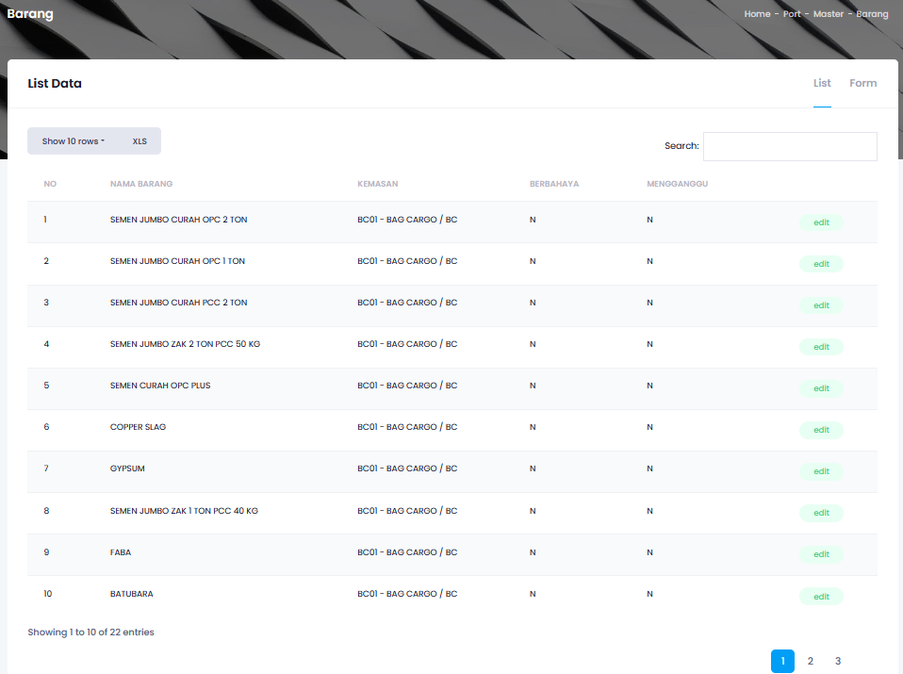
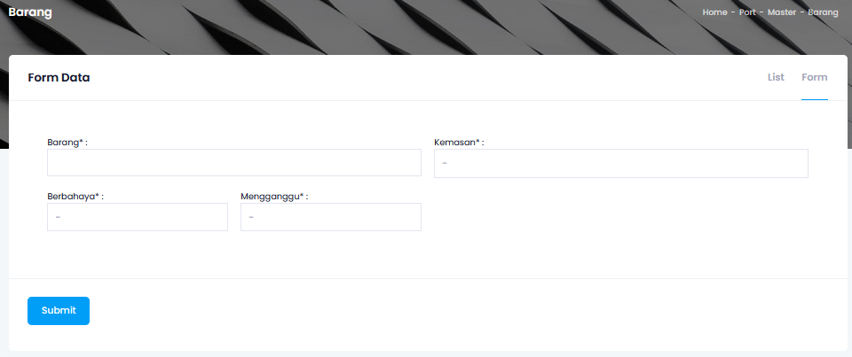
 |  |  |  | 1:01:02 | MASTER DATA BARANG
 |  |  |  |  | 1.1.2.1 | List
 |  |  |  |  |  | 1.1.2.1.1 | NAMA BARANG
 |  |  |  |  |  | 1.1.2.1.2 | Kemasan
 |  |  |  |  |  | 1.1.2.1.3 | Berbahaya
 |  |  |  |  |  | 1.1.2.1.4 | MENGGANGGU
 |  |  |  |  | 1.1.2.2 | FORM
 |  |  |  |  |  | 1.1.2.2.1 | BARANG
 |  |  |  |  |  | 1.1.2.2.2 | KEMASAN*
 |  |  |  |  |  | 1.1.2.2.3 | BERBAHAYA*
 |  |  |  |  |  | 1.1.2.2.4 | MENGGANGGU*

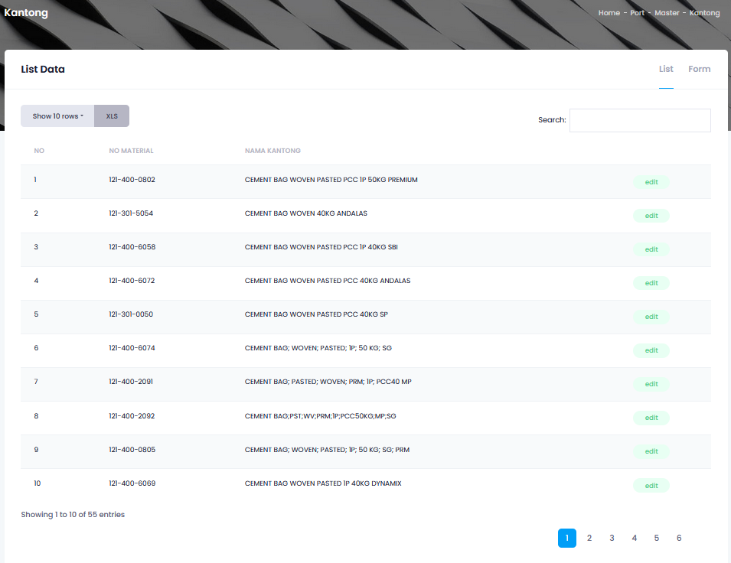
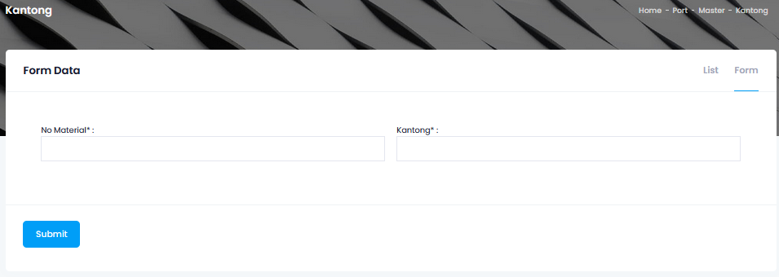
 |  |  |  | 1:01:03 | MASTER DATA KANTONG
 |  |  |  |  | 1.1.3.1 | List
 |  |  |  |  |  | 1.1.3.1.1 | NO MATERIAL
 |  |  |  |  |  | 1.1.3.1.2 | NAMA KANTONG
 |  |  |  |  | 1.1.3.2 | Form
 |  |  |  |  |  | 1.1.3.2.1 | NO MATERIAL
 |  |  |  |  |  | 1.1.3.2.2 | NAMA KANTONG

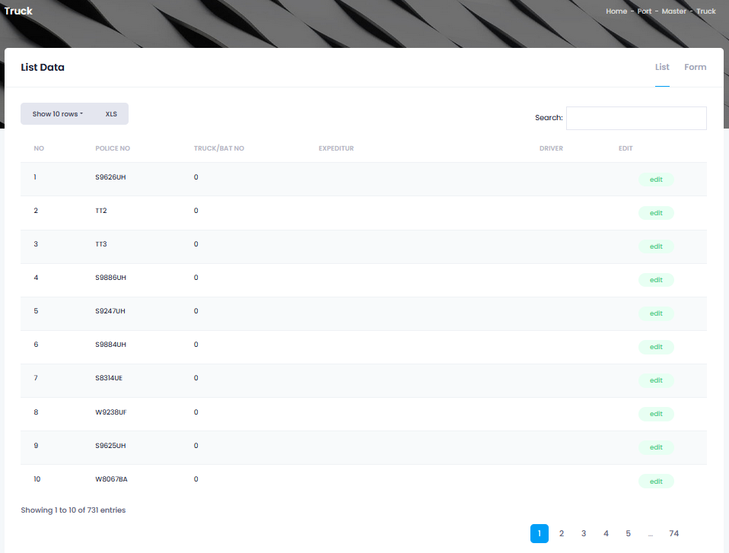
 |  |  |  | 1:01:04 | MASTER DATA TRUCK
 |  |  |  |  | 1.1.4.1 | LIST
 |  |  |  |  |  | 1.1.4.1.1 | POLICE NO
 |  |  |  |  |  | 1.1.4.1.2 | TRUCK/BAT NO
 |  |  |  |  |  | 1.1.4.1.3 | EXPEDITUR
 |  |  |  |  |  | 1.1.4.1.4 | DRIVER
 |  |  |  |  | 1.1.4.2 | FORM
 |  |  |  |  |  | 1.1.4.2.1 | POLICE NO
 |  |  |  |  |  | 1.1.4.2.2 | EXPEDITUR
 |  |  |  |  |  | 1.1.4.2.3 | TRUCK WEIGHT
 |  |  |  |  |  | 1.1.4.2.4 | DRIVER NAME
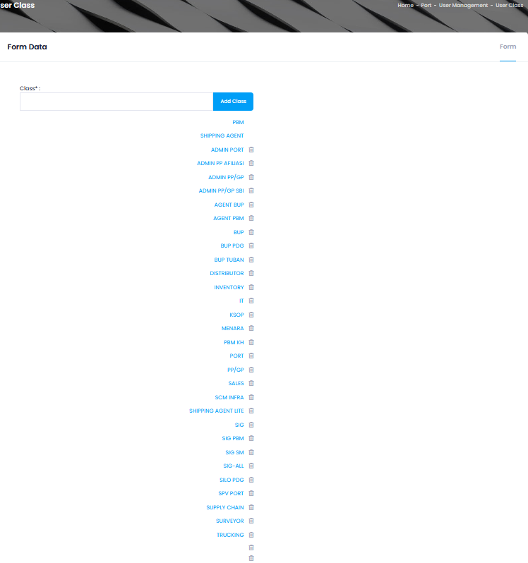
 |  |  |  | 1:01:05 | MASTER DATA USER CLASS
 |  |  |  |  | 1.1.5.1 | USER CLASS
 |  |  |  |  |  | 1.1.5.1.1 | FORM DATA
 |  |  |  |  | 1.1.5.2 | USER REGRISTRATION
 |  |  |  |  |  | 1.1.5.2.1 | COMPANY INFORMATION
 |  |  |  |  |  | 1.1.5.2.2 | USER INFORMATION
 |  |  |  |  | 1.1.5.3 | CHANGE PASSWORD
 |  |  |  |  |  | 1.1.5.3.1 | NEW PASSWORD
 |  |  |  |  |  | 1.1.5.3.2 | RETYPE PASSWORD
 |  |  |  |  | 1.1.5.4 | USER LIST
 |  |  |  |  |  | 1.1.5.4.1 | USER NAME
 |  |  |  |  |  | 1.1.5.4.2 | COMPANY
 |  |  |  |  |  | 1.1.5.4.3 | CLASS
 |  |  |  |  |  | 1.1.5.4.4 | CABANG
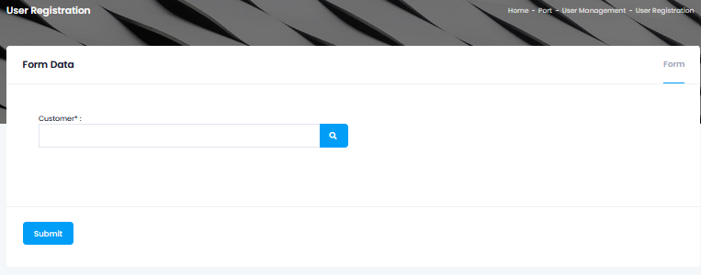
 |  |  |  |  |  | 1.1.5.4.5 | STATUS

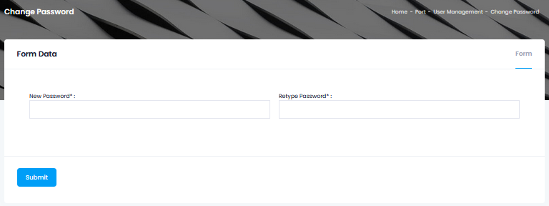

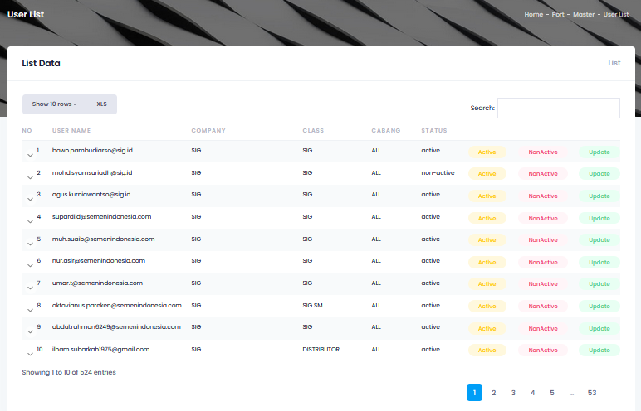

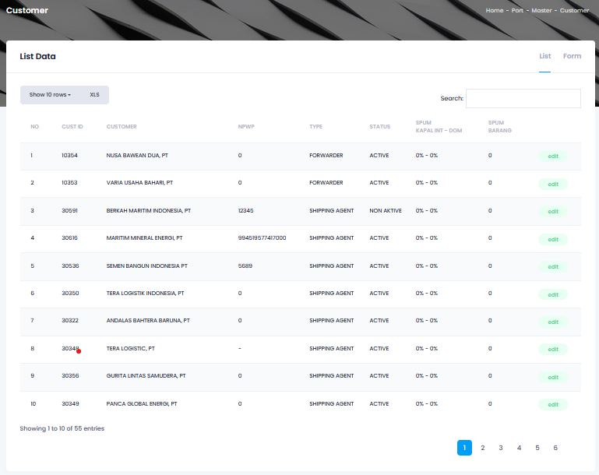
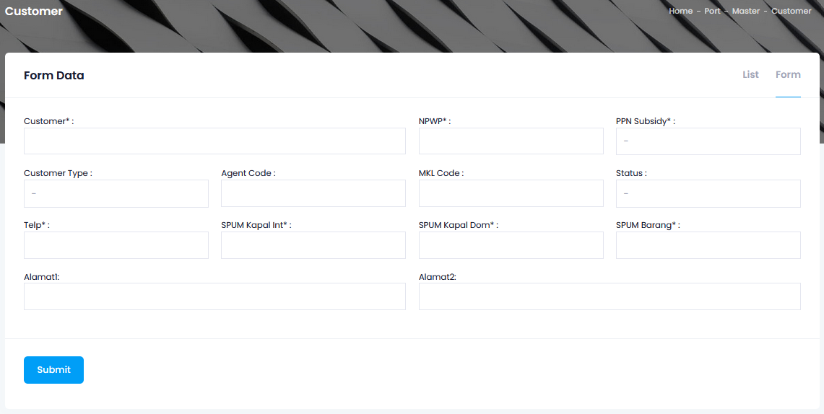
 |  |  |  | 1:01:06 | MASTER DATA LOAD & DISCH RATE
 |  |  |  |  | (Tidak bisa terbuka)
 |  |  |  | 1:01:07 | MASTER DATA CUSTOMER
 |  |  |  |  | 1.1.7.1 | LIST
 |  |  |  |  |  | 1.1.7.1.1 | Cust ID
 |  |  |  |  |  | 1.1.7.1.2 | Customer
 |  |  |  |  |  | 1.1.7.1.3 | NPWP
 |  |  |  |  |  | 1.1.7.1.4 | Type
 |  |  |  |  |  | 1.1.7.1.5 | Status
 |  |  |  |  |  | 1.1.7.1.6 | SPUM KAPAL INT-DOM
 |  |  |  |  |  | 1.1.7.1.7 | SPUM Barang
 |  |  |  |  | 1.1.7.2 | FORM
 |  |  |  |  |  | 1.1.7.2.1 | Customer
 |  |  |  |  |  | 1.1.7.2.2 | NPWP
 |  |  |  |  |  | 1.1.7.2.3 | PPN Subsidy
 |  |  |  |  |  | 1.1.7.2.4 | Customer Type
 |  |  |  |  |  | 1.1.7.2.5 | Agent Code
 |  |  |  |  |  | 1.1.7.2.6 | MKL Code
 |  |  |  |  |  | 1.1.7.2.7 | Status
 |  |  |  |  |  | 1.1.7.2.8 | Telp
 |  |  |  |  |  | 1.1.7.2.9 | SPUM Kapal Int
 |  |  |  |  |  | 1.1.7.2.10 | SPUM Kapal Dom
 |  |  |  |  |  | 1.1.7.2.11 | Alamat 1
 |  |  |  |  |  | 1.1.7.2.12 | Alamat 2
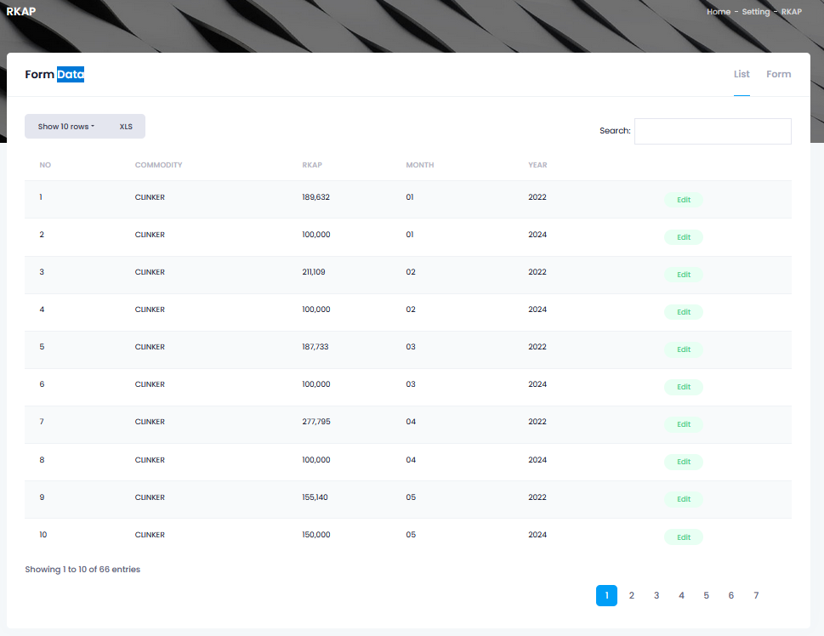
 |  |  |  | 1.1.8 | MASTER DATA REKAP
 |  |  |  |  | 1.1.8.1 | LIST
 |  |  |  |  |  | 1.1.8.1.1 | Commodity
 |  |  |  |  |  | 1.1.8.1.2 | RKAP
 |  |  |  |  |  | 1.1.8.1.3 | Month
 |  |  |  |  |  | 1.1.8.1.4 | Year
 |  |  |  |  | 1.1.8.2 | FORM
 |  |  |  |  |  | 1.1.8.2.1 | Commodity
 |  |  |  |  |  | 1.1.8.2.2 | RKAP
 |  |  |  |  |  | 1.1.8.2.3 | Month
 |  |  |  |  |  | 1.1.8.2.4 | Year
 |  |  |  | 1.1.9 | MASTER LOKASI CP

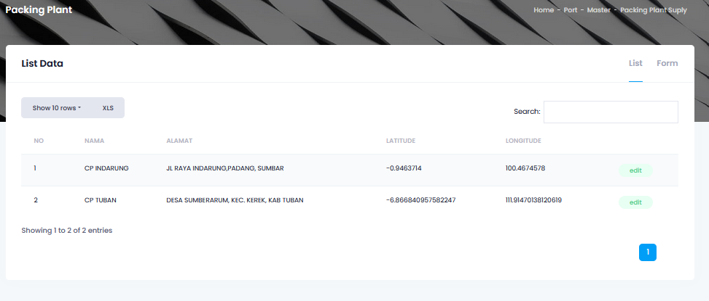
 |  |  |  |  | 1.1.9.1 | LIST
 |  |  |  |  |  | 1.1.9.1.1 | Nama
 |  |  |  |  |  | 1.1.9.1.2 | Alamat
 |  |  |  |  |  | 1.1.9.1.3 | Latitude
 |  |  |  |  |  | 1.1.9.1.4 | Longitude
 |  |  |  |  | 1.1.9.2 | FORM
 |  |  |  |  |  | 1.1.9.2.1 | Nama
 |  |  |  |  |  | 1.1.9.2.2 | Alamat
 |  |  |  |  |  | 1.1.9.2.3 | Latitude
 |  |  |  |  |  | 1.1.9.2.4 | Longitude
 |  |  |  | 1.1.10 | MASTER LOKASI PP/GP
 |  |  |  |  | 1.1.10.1 | LIST
 |  |  |  |  |  | 1.1.10.1.1 | Nama
 |  |  |  |  |  | 1.1.10.1.2 | Alamat
 |  |  |  |  |  | 1.1.10.1.3 | Latitude
 |  |  |  |  |  | 1.1.10.1.4 | Longitude
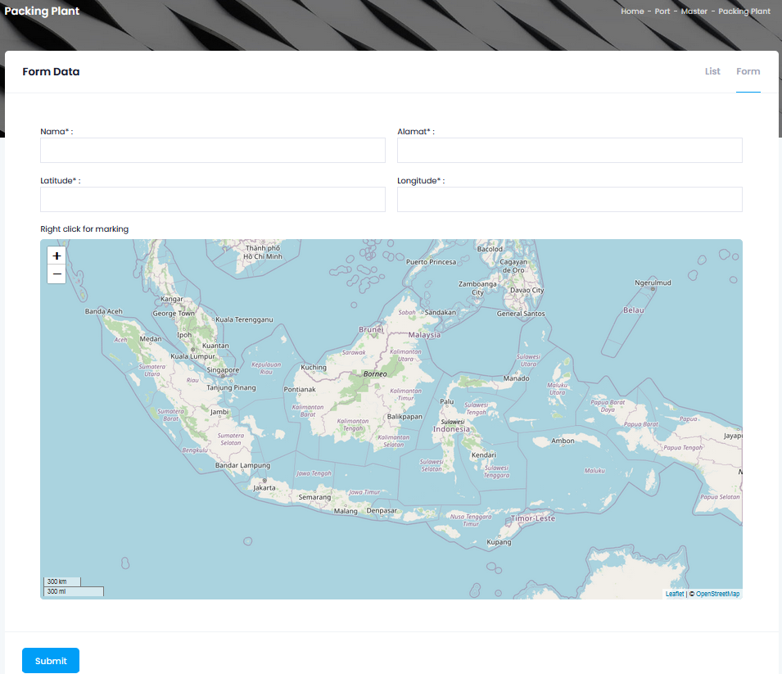
 |  |  |  |  | 1.1.10.2 | FORM
 |  |  |  |  |  | 1.1.10.2.1 | Nama
 |  |  |  |  |  | 1.1.10.2.2 | Alamat
 |  |  |  |  |  | 1.1.10.2.3 | Latitude
 |  |  |  |  |  | 1.1.10.2.4 | Longitude
 |  |  |  |  |  | 1.1.10.2.5 | (Klik di Peta) Right Klik for Marking
 |  |  |  | 1.1.11 | MASTER SILO PP/GP/CP
 |  |  |  |  | 1.1.11.1 | LIST
 |  |  |  |  |  | 1.1.11.1.1 | Name
 |  |  |  |  |  | 1.1.11.1.2 | Min Value
 |  |  |  |  |  | 1.1.11.1.3 | Max Value
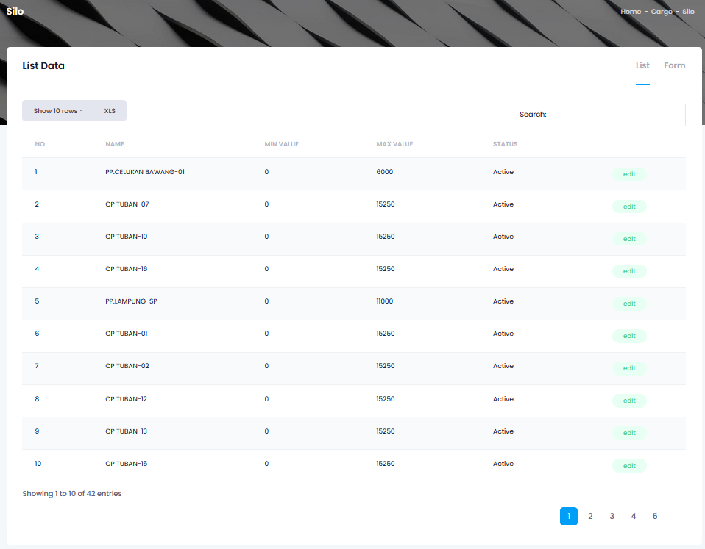
 |  |  |  |  |  | 1.1.11.1.4 | Status
 |  |  |  |  | 1.1.11.2 | FORM
 |  |  |  |  |  | 1.1.11.2.1 | Title
 |  |  |  |  |  | 1.1.11.2.2 | Packing Plant/Grinding Plant
 |  |  |  |  |  | 1.1.11.2.3 | Branch
 |  |  |  |  |  | 1.1.11.2.4 | SLA Min
 |  |  |  |  |  | 1.1.11.2.5 | SLA Max
 |  |  |  |  |  | 1.1.11.2.6 | Dead Stock
 |  |  |  |  |  | 1.1.11.2.7 | Max Value
 |  |  |  |  |  | 1.1.11.2.8 | Release Out Shift
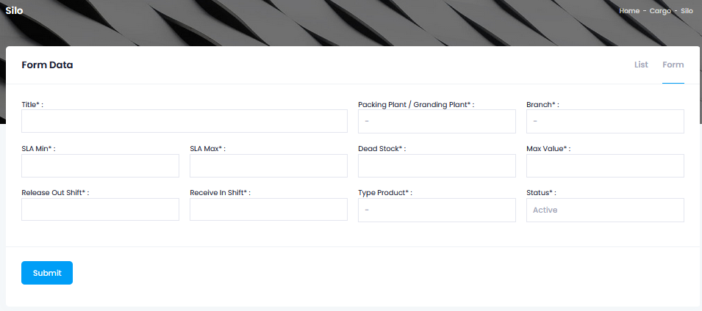
 |  |  |  |  |  | 1.1.11.2.9 | Receive In Shift
 |  |  |  |  |  | 1.1.11.2.10 | Type Product
 |  |  |  |  |  | 1.1.11.2.11 | Status
 |  |  |  | 1.1.12 | VESSEL MAINTENANCE
 |  |  |  |  | 1.1.12.1 | LIST DATA
 |  |  |  |  |  | 1.1.12.1.1 | Vessel Code
 |  |  |  |  |  | 1.1.12.1.2 | Vessel Name
 |  |  |  |  |  | 1.1.12.1.3 | Status
 |  |  |  |  |  | 1.1.12.1.4 | Flag
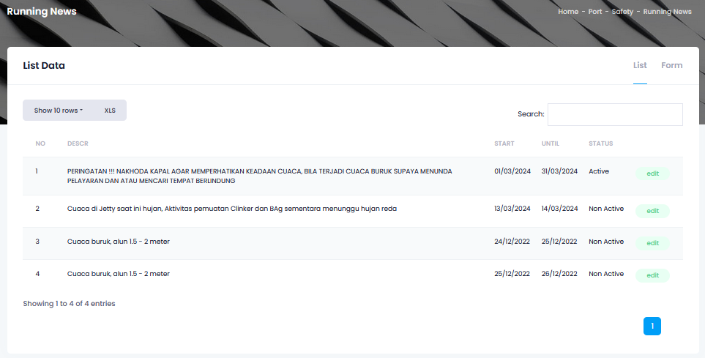
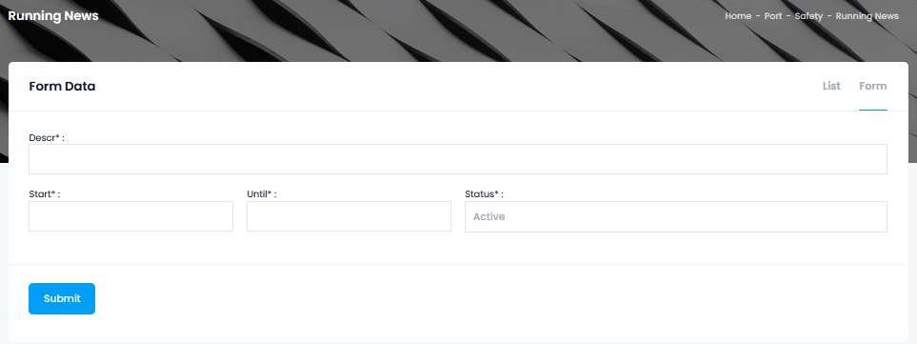
 |  |  |  |  |  | 1.1.12.1.5 | DWT
 |  |  |  |  |  | 1.1.12.1.6 | Length
 |  |  |  |  |  | 1.1.12.1.7 | Gross Ton
 |  |  |  |  |  | 1.1.12.1.8 | LOP
 |  |  |  |  |  | 1.1.12.1.9 | Call Sign
 |  |  |  |  |  | 1.1.12.1.10 | Direct Call
 |  |  |  |  |  | 1.1.12.1.11 | Branch
 |  |  |  |  |  | 1.1.12.1.12 | Status Active
 |  |  |  | 1.1.13 | RUNNING NEWS
 |  |  |  |  | 1.1.13.1 | LIST
 |  |  |  |  |  | 1.1.13.1.1 | Descr
 |  |  |  |  |  | 1.1.13.1.2 | Start
 |  |  |  |  |  | 1.1.13.1.3 | Until
 |  |  |  |  |  | 1.1.13.1.4 | Status
 |  |  |  |  | 1.1.13.2 | FORM
 |  |  |  |  |  | 1.1.13.2.1 | Descr
 |  |  |  |  |  | 1.1.13.2.2 | Start
 |  |  |  |  |  | 1.1.13.2.3 | Until
 |  |  |  |  |  | 1.1.13.2.4 | Status

2 | DOKUMENTASI | 2.a Dokumen LTC | 2.1 | DOKUMEN LTC
 | - Pandu Tunda | - Format |  | 2.1.1 | Header Info 1
 |  | - Conten |  |  | 2.1.1.1 | VESID - VESSEL
 |  | - Aproval |  |  | 2.1.1.2 | AGENT
 |  | 2.b Formula LTC |  |  | 2.1.1.3 | VOYAGE
 |  | 2.b1 Notice of Readiness (NoR) Tender Condition : |  |  | 2.1.1.4 | LAYCAN NO / PERIOD
 |  | - WWWW (WIPON, WIBON, WICCON, WIPPON) |  |  | 2.1.1.5 | BUYER / RECVR
 |  | - WPON (Wheater in Port or Not) |  |  | 2.1.1.6 | QTY AT BERTH
 |  | - WBON (Weather in Berth or Not) |  |  | 2.1.1.7 | QTY AT ANCHORAGE
 |  | - WICCON (Weather in Custorms Clearence or Not) |  | 2.1.1 | Header Info 2
 |  | 2.b2 Laytime Commences : |  |  | 2.1.2.1 | PORT OF ORIGIN
 |  | - Normal Comench Loading |  |  | 2.1.2.2 | PORT OF DESTINATION
 |  | - 01:00 PM (NOR Before 12:01 PM) |  |  | 2.1.2.3 | GRT
 |  | - 12TT (12 Hrs After NoR) |  |  | 2.1.2.4 | LOA
 |  | - 6TT (6Hrs After NoR) |  |  | 2.1.2.5 | DEMURRAGE (USD)
 |  | 2.b3 Format Lay Time Stop + Lay Time Start |  |  | 2.1.2.6 | DESPTACH (USD)
 |  | 2.b4 Format Despatch Demurrage ($) |  |  | 2.1.2.7 | LOADING RATE AT BERTH
 |  | 2.c Statement of Fact |  |  | 2.1.2.8 | LOADING RATE AT ANCHORAGE
 |  | 2.d Daily Report (ET., MET., dll.) |  |  | 2.1.2.9 | LAYTIME CALCULATION
 |  | 2.e Time Sheet (Detail Time Sheet High) |  | 2.1.3 | Header Info 3
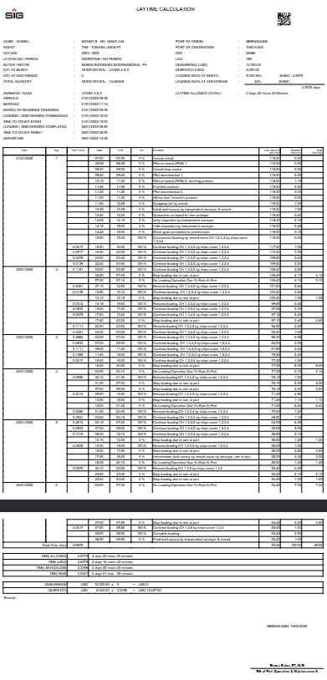
 |  |  |  |  | 2.1.3.1 | ARRIVED
 |  |  |  |  | 2.1.3.2 | BERTHED
 |  |  |  |  | 2.1.3.3 | NOTICE OF READINESS TENDERED
 |  |  |  |  | 2.1.3.4 | LOADING / DISCHARGING COMMENCED
 |  |  |  |  | 2.1.3.5 | TIME TO COUNT START
 |  |  |  |  | 2.1.3.6 | LOADING / DISCHARGING COMPLETED
 |  |  |  |  | 2.1.3.7 | TIME TO COUNT FINISH
 |  |  |  |  | 2.1.3.8 | DEPARTURE
 |  |  |  | 2.1.4 | Table info 1
 |  |  |  |  | 2.1.4.1 | Date
 |  |  |  |  | 2.1.4.2 | Day
 |  |  |  |  | 2.1.4.3 | Time Used
 |  |  |  |  | 2.1.4.4 | Start
 |  |  |  |  | 2.1.4.5 | End
 |  |  |  |  | 2.1.4.6 | Div
 |  |  |  |  | 2.1.4.7 | Remarks
 |  |  |  |  | 2.1.4.8 | Time Allowed
 |  |  |  |  | 2.1.4.9 | Duration
 |  |  |  |  | 2.1.4.10 | Rain
 |  |  |  |  | 2.1.4.11 | Total Time Used
 |  |  |  | 2.1.5 | Table Info 2
 |  |  |  |  | 2.1.5.1 | TIME ALLOWED
 |  |  |  |  | 2.1.5.2 | TIME USED
 |  |  |  |  | 2.1.5.3 | TIME SAVED/LOSE
 |  |  |  |  | 2.1.5.4 | TIME RAIN
 |  |  |  | 2.1.6 | Table Summary Despatch / Demurrage
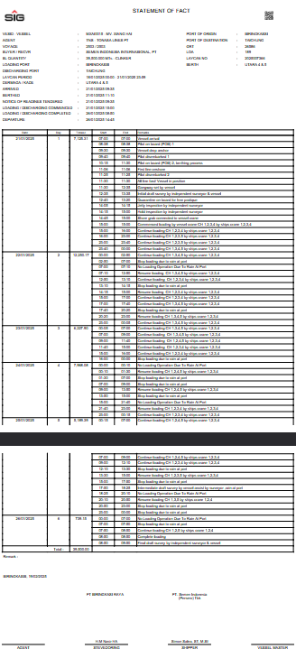
 |  |  |  |  | 2.1.6.1 | [Calculation] Demurrage Rate * Demurrage Days
 |  |  |  |  | 2.1.6.2 | [Calculation] Desptach Rate * Despatch Days
 |  |  |  | 2.1.7 | Sign By
 |  |  |  |  | 2.1.7.1 | Port Master
 |  |  |  | 2.1.8 | QR CODE (On Top Right)
 |  |  | 2.2 | Dokumen SOF
 |  |  |  | 2:02:01 | Header Info 1
 |  |  |  |  | 2.2.1.1 | VESID - VESSEL
 |  |  |  |  | 2.2.1.2 | AGENT
 |  |  |  |  | 2.2.1.3 | VOYAGE
 |  |  |  |  | 2.2.1.4 | LAYCAN PERIOD
 |  |  |  |  | 2.2.1.5 | BUYER / RECVR
 |  |  |  |  | 2.2.1.6 | BL QUANTITY
 |  |  |  |  | 2.2.1.7 | LOADING PORT
 |  |  |  |  | 2.2.1.8 | DISCHARGING PORT
 |  |  |  | 2:02:02 | Header Info 2
 |  |  |  |  | 2.2.2.1 | PORT OF ORIGIN
 |  |  |  |  | 2.2.2.2 | PORT OF DESTINATION
 |  |  |  |  | 2.2.2.3 | GRT
 |  |  |  |  | 2.2.2.4 | LOA
 |  |  |  |  | 2.2.2.5 | LAYCAN NO
 |  |  |  |  | 2.2.2.6 | BERTH
 |  |  |  | 2:02:03 | Header Info 3
 |  |  |  |  | 2.2.3.1 | ARRIVED
 |  |  |  |  | 2.2.3.2 | BERTHED
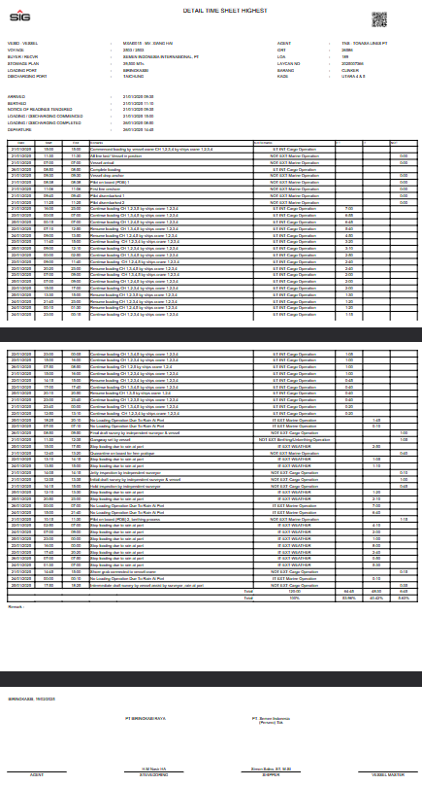
 |  |  |  |  | 2.2.3.3 | NOTICE OF READINESS TENDERED
 |  |  |  |  | 2.2.3.4 | LOADING / DISCHARGING COMMENCED
 |  |  |  |  | 2.2.3.5 | LOADING / DISCHARGING COMPLETED
 |  |  |  |  | 2.2.3.6 | DEPARTURE
 |  |  |  | 2:02:04 | Table info 1
 |  |  |  |  | 2.2.4.1 | Date
 |  |  |  |  | 2.2.4.2 | Day
 |  |  |  |  | 2.2.4.3 | Tonase
 |  |  |  |  | 2.2.4.4 | Start
 |  |  |  |  | 2.2.4.5 | End
 |  |  |  |  | 2.2.4.6 | Remarks
 |  |  |  | 2:02:05 | Sign By
 |  |  |  |  | 2.2.5.1 | STEVEDORING
 |  |  |  |  | 2.2.5.2 | SHIPPER
 |  |  |  |  | 2.2.5.3 | VESSEL MASTER
 |  |  |  | 2:02:06 | QR CODE (On Top Right)
 |  |  | 2.3 | Dokumen Detail Time Sheet/Detail Time Sheet Highest
 |  |  |  | 2:03:01 | Header Info 1
 |  |  |  |  | 2.3.1.1 | VESID - VESSEL
 |  |  |  |  | 2.3.1.2 | VOYAGE
 |  |  |  |  | 2.3.1.3 | BUYER / RECVR
 |  |  |  |  | 2.3.1.4 | STOWAGE PLAN
 |  |  |  |  | 2.3.1.5 | LOADING PORT
 |  |  |  |  | 2.3.1.6 | DISCHARGING PORT
 |  |  |  | 2:03:02 | Header Info 2
 |  |  |  |  | 2.3.1.1 | AGENT
 |  |  |  |  | 2.3.1.2 | GRT
 |  |  |  |  | 2.3.1.3 | LOA
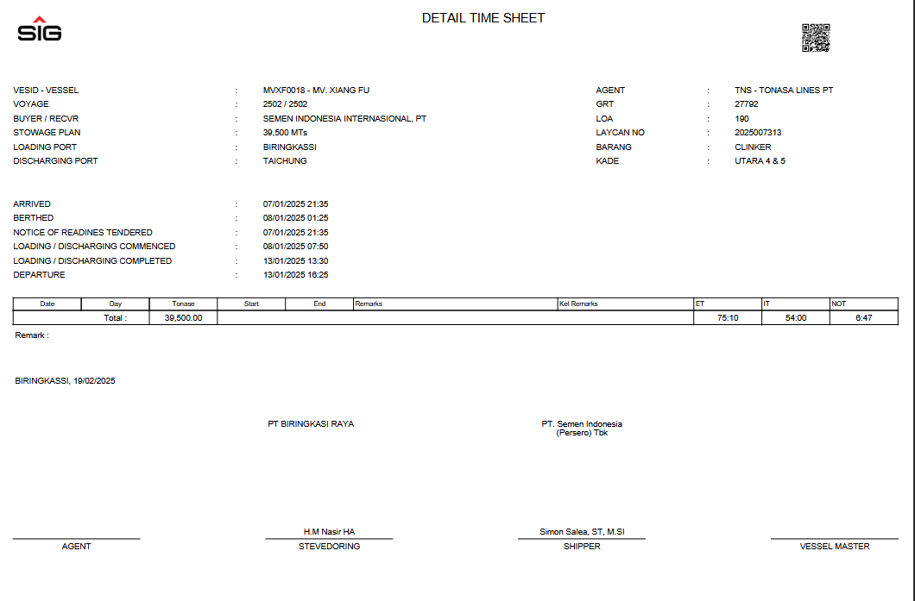
 |  |  |  |  | 2.3.1.4 | LAYCAN NO
 |  |  |  |  | 2.3.1.5 | BARANG
 |  |  |  |  | 2.3.1.6 | KADE
 |  |  |  | 2:03:03 | Header Info 3
 |  |  |  |  | 2.3.3.1 | ARRIVED
 |  |  |  |  | 2.3.3.2 | BERTHED
 |  |  |  |  | 2.3.3.3 | NOTICE OF READINESS TENDERED
 |  |  |  |  | 2.3.3.4 | LOADING / DISCHARGING COMMENCED
 |  |  |  |  | 2.3.3.5 | LOADING / DISCHARGING COMPLETED
 |  |  |  |  | 2.3.3.6 | DEPARTURE
 |  |  |  | 2:03:04 | Table info 1
 |  |  |  |  | 2.3.4.1 | Date
 |  |  |  |  | 2.3.4.2 | Day
 |  |  |  |  | 2.3.4.3 | Tonase
 |  |  |  |  | 2.3.4.4 | Start
 |  |  |  |  | 2.3.4.5 | End
 |  |  |  |  | 2.3.4.6 | Remarks
 |  |  |  |  | 2.3.4.7 | Kel Remarks
 |  |  |  |  | 2.3.4.8 | ET
 |  |  |  |  | 2.3.4.9 | IT
 |  |  |  |  | 2.3.4.10 | NOT
 |  |  |  | 2:03:05 | Sign By

 |  |  |  |  | 2.3.5.1 | AGENT
 |  |  |  |  | 2.3.5.2 | STEVEDORING
 |  |  |  |  | 2.3.5.3 | SHIPPER
 |  |  |  |  | 2.3.5.4 | Vessel Master
 |  |  |  | 2:03:06 | QR CODE (On Top Right)
 |  |  | 2.4 | Dokumen Daily Report
 |  |  |  | 2:04:01 | Header Info 1
 |  |  |  |  | 2.4.1.1 | VESID - VESSEL
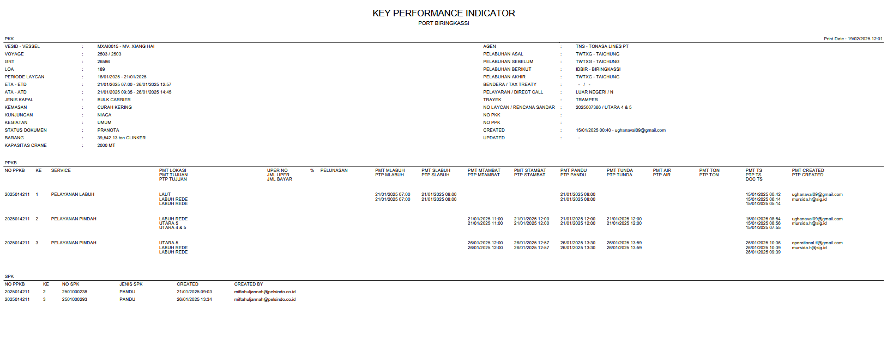
 |  |  |  |  | 2.4.1.2 | VOYAGE
 |  |  |  |  | 2.4.1.3 | GRT
 |  |  |  |  | 2.4.1.4 | LOA
 |  |  |  | 2:04:02 | Header Info 2
 |  |  |  |  | 2.4.2.1 | AGENT
 |  |  |  |  | 2.4.2.2 | ETA - ETD
 |  |  |  |  | 2.4.2.3 | ATA - ATD
 |  |  |  |  | 2.4.2.4 | STARTED - FINISHED WORKING
 |  |  |  | 2:04:03 | Table info 1
 |  |  |  |  | 2.4.3.1 | Working Time
 |  |  |  |  | 2.4.3.2 | Commodity
 |  |  |  |  | 2.4.3.3 | Hatch No i/II/III/ ... (Colly, Tons)
 |  |  |  |  | 2.4.3.4 | Total (Colly, Tons)
 |  |  |  | 2:04:04 | Remark
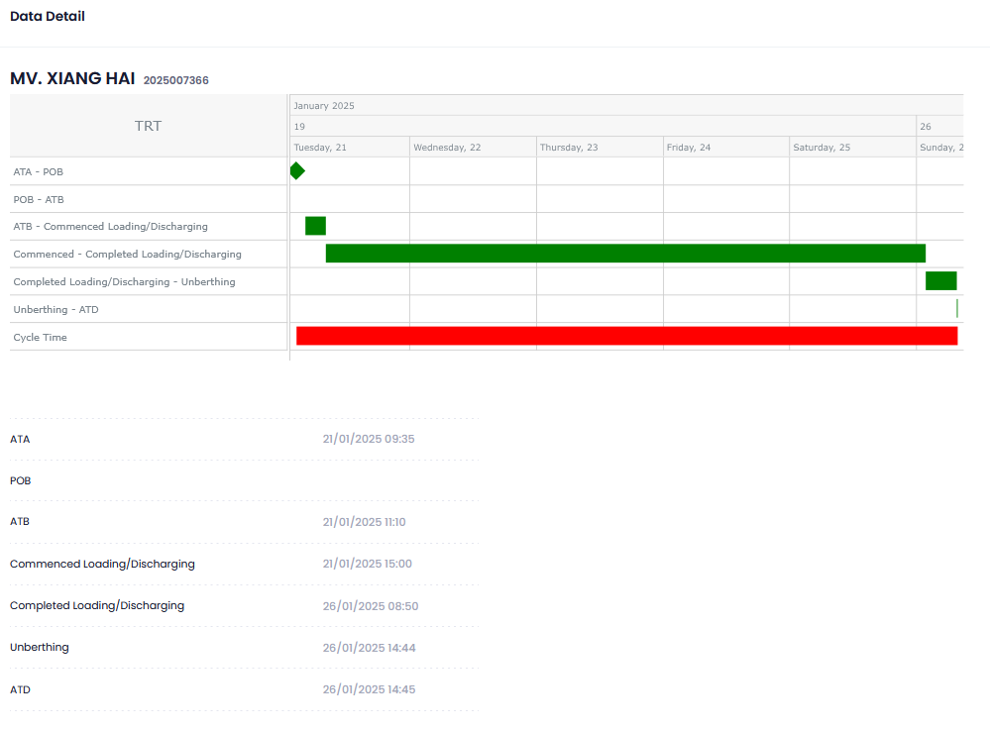
 |  |  |  | 2:04:05 | Sign By
 |  |  |  |  | 2.4.5.1 | Chief Officer
 |  |  | 2.5 | Dokumen KPI
 |  |  | 2.6 | Dokumen TRT.

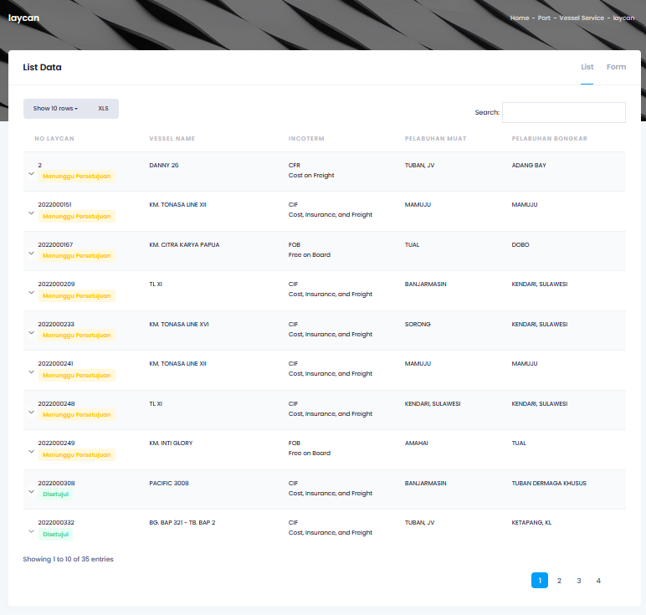
3 | BOOKING LAYCAN | 3.a Form Booking : | 3.1 | LIST BOOKING LAYCAN
 | - PORT TELUK BAYUR | - Domestic / International |  | 3:01:01 | No Laycan
 | - PORT TUBAN SI | - Inbound / Outbound |  | 3:01:02 | Vessel Name
 | - PORT TUBAN SBI | - |  | 3:01:03 | Incoterm
 | - PORT BIRINGKASSI | 3.b Window Schedule |  | 3:01:04 | Pelabuhan Muat
 | #NAME? | 3.c Proses : |  | 3:01:05 | Pelabuhan Bongkar
 |  | - Submit, Approve, Edit, Delete | 3.2 | FORM BOOKING LAYCAN
 |  |  |  | 3.2.1 | Cargo Details
 |  |  |  |  | 3.2.1.1 | Outbound
 |  |  |  |  |  | 3.2.1.1.1 | Zak
 |  |  |  |  |  | 3.2.1.1.2 | Jumbo Zak
 |  |  |  |  |  | 3.2.1.1.3 | Jumbo Curah
 |  |  |  |  |  | 3.2.1.1.4 | Curah OPC
 |  |  |  |  |  | 3.2.1.1.5 | Curah PCC
 |  |  |  |  |  | 3.2.1.1.6 | Curah PCC +
 |  |  |  |  |  | 3.2.1.1.7 | Curah 52,5 N
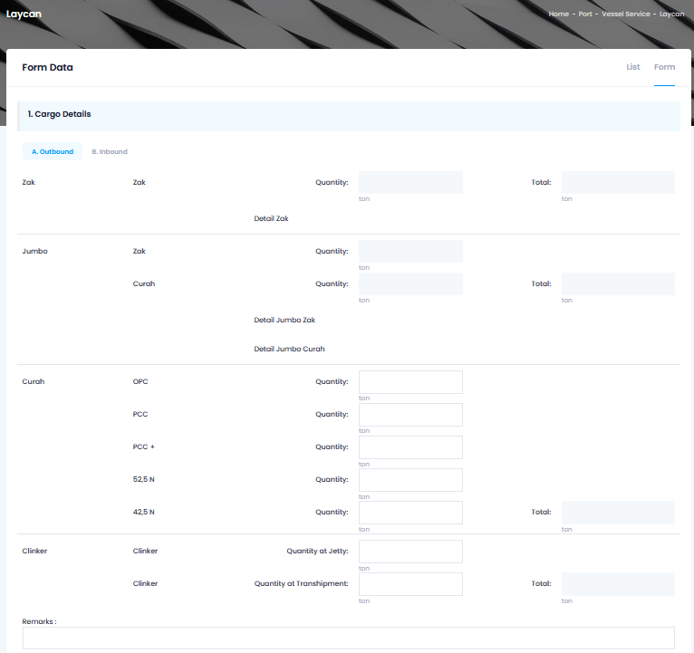
 |  |  |  |  |  | 3.2.1.1.8 | Curah 42,5 N
 |  |  |  |  |  | 3.2.1.1.9 | Clinker (QTY at Jetty)
 |  |  |  |  |  | 3.2.1.1.10 | Clinker (QTY at Transhipment)
 |  |  |  |  |  | 3.2.1.1.11 | Remarks
 |  |  |  |  | 3.2.1.2 | Inbound
 |  |  |  |  |  | 3.2.1.2.1 | Batubara
 |  |  |  |  |  | 3.2.1.2.2 | Gypsum
 |  |  |  |  |  | 3.2.1.2.3 | FABA
 |  |  |  |  |  | 3.2.1.2.4 | Copper Slag
 |  |  |  |  |  | 3.2.1.2.5 | Clinker
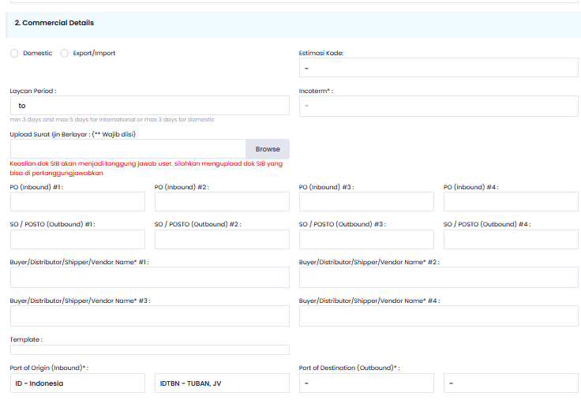
 |  |  |  |  |  | 3.2.1.2.6 | Biomass
 |  |  |  |  |  | 3.2.1.2.7 | Remarks
 |  |  |  | 3:02:02 | Commercial Details
 |  |  |  |  | 3.2.2.1 | Domestic
 |  |  |  |  |  | 3.2.2.1.1 | Laycan Period
 |  |  |  |  |  | 3.2.2.1.2 | Estimasi Kade
 |  |  |  |  |  | 3.2.2.1.3 | Incoterm
 |  |  |  |  |  | 3.2.2.1.4 | Upload Surat Ijin Berlayar: (** Wajib diisi)
 |  |  |  |  |  | 3.2.2.1.5 | PO (Inbound) #1
 |  |  |  |  |  | 3.2.2.1.6 | PO (Inbound) #2
 |  |  |  |  |  | 3.2.2.1.7 | PO (Inbound) #3
 |  |  |  |  |  | 3.2.2.1.8 | PO (Inbound) #4
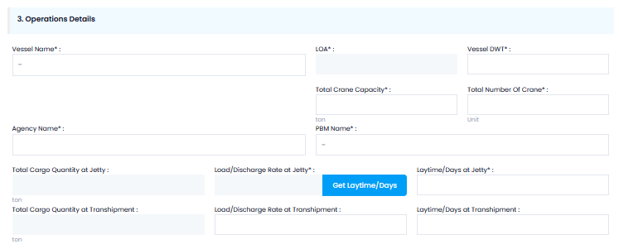
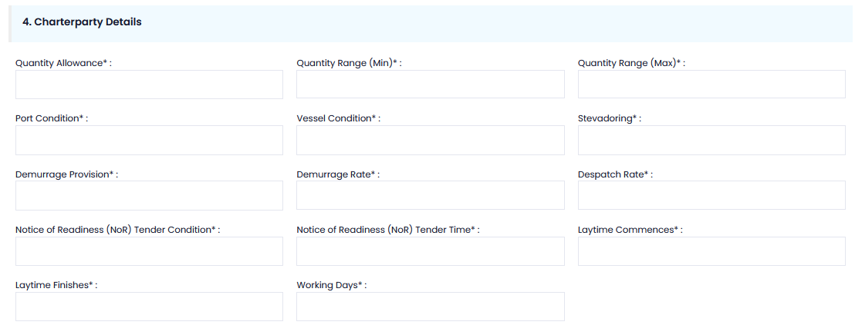
 |  |  |  |  |  | 3.2.2.1.9 | SO / POSTO (Outbound) #1
 |  |  |  |  |  | 3.2.2.1.10 | SO / POSTO (Outbound) #2
 |  |  |  |  |  | 3.2.2.1.11 | SO / POSTO (Outbound) #3
 |  |  |  |  |  | 3.2.2.1.12 | SO / POSTO (Outbound) #4
 |  |  |  |  |  | 3.2.2.1.13 | Buyer/Distributor/SHIPPER/ Vendor Name* #1
 |  |  |  |  |  | 3.2.2.1.14 | Buyer/Distributor/SHIPPER/ Vendor Name* #2
 |  |  |  |  |  | 3.2.2.1.15 | Buyer/Distributor/SHIPPER/ Vendor Name* #3
 |  |  |  |  |  | 3.2.2.1.16 | Buyer/Distributor/SHIPPER/ Vendor Name* #4
 |  |  |  |  |  | 3.2.2.1.17 | Template
 |  |  |  |  |  | 3.2.2.1.18 | Port of Origin (Inbound)
 |  |  |  |  |  | 3.2.2.1.19 | Port of Destination (Outbound)
 |  |  |  |  | 3.2.2.2 | Export/Import
 |  |  |  |  |  | 3.2.2.2.1 | Laycan Period
 |  |  |  |  |  | 3.2.2.2.2 | Estimasi Kade
 |  |  |  |  |  | 3.2.2.2.3 | Incoterm
 |  |  |  |  |  | 3.2.2.2.4 | Upload Surat Ijin Berlayar: (** Wajib diisi)
 |  |  |  |  |  | 3.2.2.2.5 | PO (Inbound) #1
 |  |  |  |  |  | 3.2.2.2.6 | PO (Inbound) #2
 |  |  |  |  |  | 3.2.2.2.7 | PO (Inbound) #3
 |  |  |  |  |  | 3.2.2.2.8 | PO (Inbound) #4
 |  |  |  |  |  | 3.2.2.2.9 | SO / POSTO (Outbound) #1
 |  |  |  |  |  | 3.2.2.2.10 | SO / POSTO (Outbound) #2
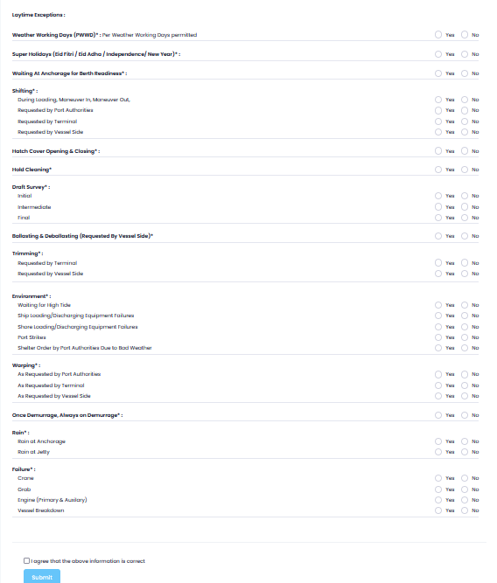
 |  |  |  |  |  | 3.2.2.2.11 | SO / POSTO (Outbound) #3
 |  |  |  |  |  | 3.2.2.2.12 | SO / POSTO (Outbound) #4
 |  |  |  |  |  | 3.2.2.2.13 | Buyer/Distributor/SHIPPER/ Vendor Name* #1
 |  |  |  |  |  | 3.2.2.2.14 | Buyer/Distributor/SHIPPER/ Vendor Name* #2
 |  |  |  |  |  | 3.2.2.2.15 | Buyer/Distributor/SHIPPER/ Vendor Name* #3
 |  |  |  |  |  | 3.2.2.2.16 | Buyer/Distributor/SHIPPER/ Vendor Name* #4
 |  |  |  |  |  | 3.2.2.2.17 | Template
 |  |  |  |  |  | 3.2.2.2.18 | Port of Origin (Inbound)
 |  |  |  |  |  | 3.2.2.2.19 | Port of Destination (Outbound)
 |  |  |  | 3:02:03 | Operations Details
 |  |  |  |  | 3.2.3.1 | Vessel Name
 |  |  |  |  | 3.2.3.2 | LOA
 |  |  |  |  | 3.2.3.3 | Vessel DWT
 |  |  |  |  | 3.2.3.4 | Total Crane Capacity
 |  |  |  |  | 3.2.3.5 | Total Number of Crane
 |  |  |  |  | 3.2.3.6 | Agency Name
 |  |  |  |  | 3.2.3.7 | PBM Name
 |  |  |  |  | 3.2.3.8 | Total Cargo Quantity at Jetty
 |  |  |  |  | 3.2.3.9 | Load/Discharge Rate at Jetty
 |  |  |  |  | 3.2.3.10 | Laytime/Days at Jetty
 |  |  |  |  | 3.2.3.11 | Total Cargo Quantity at Transhipment
 |  |  |  |  | 3.2.3.12 | Load/Discharge Rate at Transhipment
 |  |  |  |  | 3.2.3.13 | Laytime/Days at Transhipment
 |  |  |  | 3:02:04 | Charterparty Details
 |  |  |  |  | 3.2.4.1 | Quantity Allowance
 |  |  |  |  | 3.2.4.2 | Quantity Range (Min)
 |  |  |  |  | 3.2.4.3 | Quantity Range (Max)
 |  |  |  |  | 3.2.4.4 | Port Condition
 |  |  |  |  | 3.2.4.5 | Vessel Condition
 |  |  |  |  | 3.2.4.6 | Stevedoring
 |  |  |  |  | 3.2.4.7 | Demurrage Provision
 |  |  |  |  | 3.2.4.8 | Demurrage Rate
 |  |  |  |  | 3.2.4.9 | Despatch Rate
 |  |  |  |  | 3.2.4.10 | Notice of Readiness (NoR) Tender Condition
 |  |  |  |  | 3.2.4.11 | Notice of Readiness (NoR) Tender Time
 |  |  |  |  | 3.2.4.12 | Laytime Commences
 |  |  |  |  | 3.2.4.13 | Laytime Finishes
 |  |  |  |  | 3.2.4.14 | Working Days
 |  |  |  | 3:02:05 | Laytime Exceptions (YES/NO)
 |  |  |  |  | 3.2.5.1 | Weather Working Days (PWWD)* : Per Weather Working Days permitted
 |  |  |  |  | 3.2.5.2 | Super Holidays (Eid Fitri / Eid Adha / Independence/ New Year)* :
 |  |  |  |  | 3.2.5.3 | Waiting At Anchorage for Berth Readiness* :
 |  |  |  |  | 3.2.5.4 | Shifting*
 |  |  |  |  |  | 3.2.5.4.1 | During Loading, Maneuver In, Maneuver Out,
 |  |  |  |  |  | 3.2.5.4.2 | Requested by Port Authorities
 |  |  |  |  |  | 3.2.5.4.3 | Requested by Terminal
 |  |  |  |  |  | 3.2.5.4.4 | Requested by Vessel Side
 |  |  |  |  | 3.2.5.5 | Hatch Cover Opening & Closing* :
 |  |  |  |  | 3.2.5.6 | Hold Cleaning*
 |  |  |  |  | 3.2.5.7 | Draft Survey* :
 |  |  |  |  |  | 3.2.5.7.1 | Initial
 |  |  |  |  |  | 3.2.5.7.2 | Intermediate
 |  |  |  |  |  | 3.2.5.7.3 | Final
 |  |  |  |  | 3.2.5.8 | Ballasting & Deballasting (Requested By Vessel Side)*
 |  |  |  |  | 3.2.5.9 | Trimming* :
 |  |  |  |  |  | 3.2.5.9.1 | Requested by Terminal
 |  |  |  |  |  | 3.2.5.9.2 | Requested by Vessel Side
 |  |  |  |  | 3.2.5.10 | Environment* :
 |  |  |  |  |  | 3.2.5.10.1 | Waiting for High Tide
 |  |  |  |  |  | 3.2.5.10.2 | Ship Loading/Discharging Equipment Failures
 |  |  |  |  |  | 3.2.5.10.3 | Shore Loading/Discharging Equipment Failures
 |  |  |  |  |  | 3.2.5.10.4 | Port Strikes
 |  |  |  |  |  | 3.2.5.10.5 | Shelter Order by Port Authorities Due to Bad Weather
 |  |  |  |  | 3.2.5.11 | Warping* :
 |  |  |  |  |  | 3.2.5.11.1 | As Requested by Port Authorities
 |  |  |  |  |  | 3.2.5.11.2 | As Requested by Terminal
 |  |  |  |  |  | 3.2.5.11.3 | As Requested by Vessel Side
 |  |  |  |  | 3.2.5.12 | Once Demurrage, Always on Demurrage* :
 |  |  |  |  | 3.2.5.13 | Rain
 |  |  |  |  |  | 3.2.5.13.1 | Rain at Anchorage
 |  |  |  |  |  | 3.2.5.13.2 | Rain at Jetty
 |  |  |  |  | 3.2.5.14 | Failure
 |  |  |  |  |  | 3.2.5.14.1 | Crane
 |  |  |  |  |  | 3.2.5.14.2 | Grab
 |  |  |  |  |  | 3.2.5.14.3 | Engine (Primary & Auxilary)
 |  |  |  |  |  | 3.2.5.14.4 | Vessel Breakdown
 |  |  |  | 3:02:06 | [Check] I agree that the above information is correct
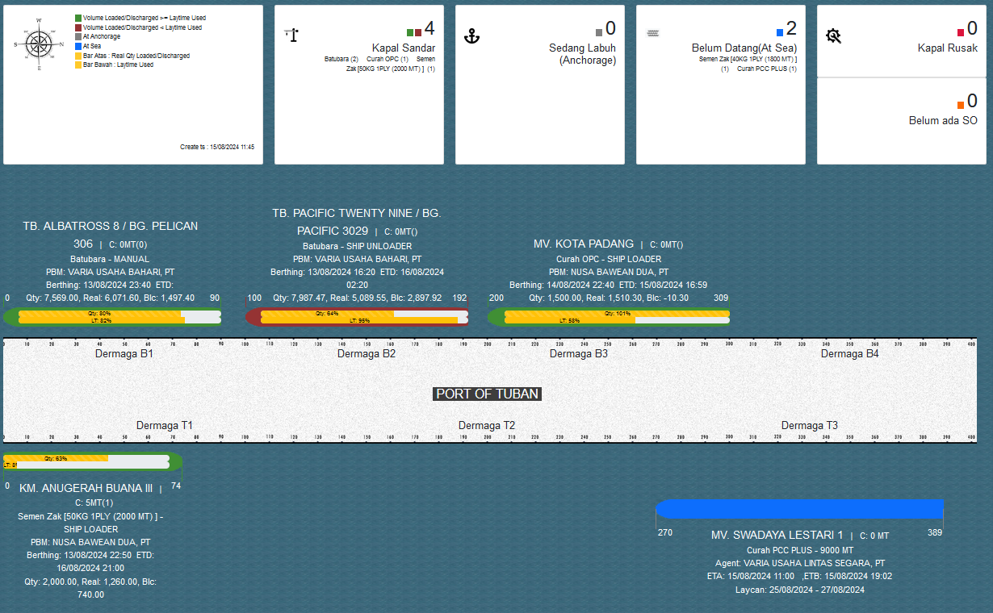
4 | PLOTING KAPAL | 4.a Dashboard (Jenis, Warna) | 4.1 | PLOTTING KAPAL PER PORT
 | - BIRU = Otw = LC + PKK | 4.b Kapal |  | 4.1.1 | LEGEND COLOR INFO
 | - ABU-ABU = ATA | - LT vs Load (Bar) |  |  | 4.1.1.1 | [GREEN] VOLUME LOADED/DISCHARGED >= LAYTIME USED
 | - HIJAU = ATB | - PKK = Detail |  |  | 4.1.1.2 | [RED BRICK] VOLUME LOADED/DISCHARGED <= LAYTIME USED
 |  | 4.c PIC |  |  | 4.1.1.3 | [GREY] AT ANCHORAGE
 |  |  |  |  | 4.1.1.4 | [BLUE] AT SEA
 |  |  |  |  | 4.1.1.5 | [YELLOW] BAR ATAS: REAL QTY LOADED/DISCHARGED
 |  |  |  |  | 4.1.1.6 | [YELLOW] BAR BAWAH: LAYTIME USED
 |  |  |  |  | 4.1.1.7 | CREATE TS: (DATE_TIME)
 |  |  |  | 4.1.2 | KAPAL SANDAR
 |  |  |  | 4.1.3 | SEDANG LABUH (ANCHORAGE)
 |  |  |  | 4.1.4 | BELUM DATANG (AT SEA)
 |  |  |  | 4.1.5 | KAPAL RUSAK
 |  |  |  | 4.1.6 | BELUM ADA SO
 |  |  |  | 4.1.7 | GAMBAR DERMAGA
 |  |  |  | 4.1.8 | ANTRIAN KAPAL
 |  |  |  |  | 4.1.8.1 | VESSEL NAME
 |  |  |  |  | 4.1.8.2 | CARGO (MT)
 |  |  |  |  | 4.1.8.3 | KOMODITI
 |  |  |  |  | 4.1.8.4 | AGENT
 |  |  |  |  | 4.1.8.5 | ETA,ETB / BERTHING, ETD
 |  |  |  |  | 4.1.8.6 | LAYCAN
 |  |  |  |  | 4.1.8.7 | STOWAGE PLAN
 |  |  |  |  | 4.1.8.8 | REAL (TON)
 |  |  |  |  | 4.1.8.9 | BALANCE
 |  |  |  |  | 4.1.8.10 | [BAR PERCENTAGE] QTY PROGRESS (%)
 |  |  |  |  | 4.1.8.11 | [BAR PERCENTAGE] LAYTIME PROGRESS (%)

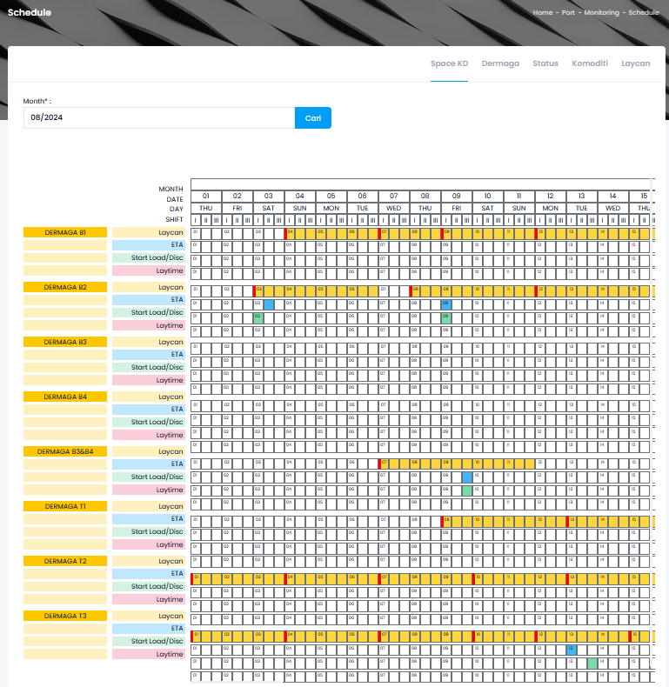
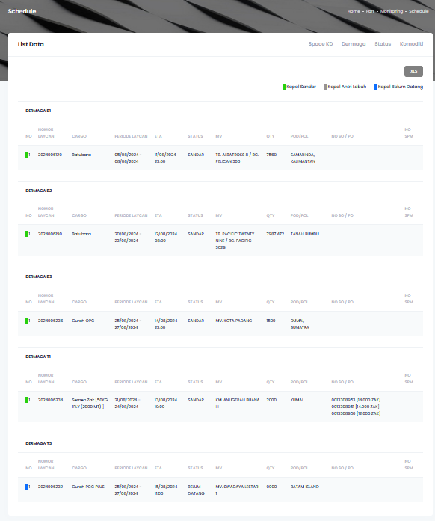
5 | SCHEDULE KAPAL |  | 5.1 | TABEL SPACE SCHEDULE KAPAL (PERIODE BULAN) PER PORT
 | - SPACE SCHEDULE KAPAL |  |  | 5.1.1 | TABEL ( MONTH, DATE, DAY, SHIFT,)
 | (Search & Proses) |  |  | 5.1.2 | TABEL ( NAMA KADE, LAYCAN - ORANGE, ETA - BIRU, START LOAD & DISC - HIJAU, LAYTIME)
 |  |  | 5.2 | LIST DATA DERMAGA PER PORT , DOWNLOAD XLS ( HIJAU : KAPAL SANDAR, ABU2 : KAPAL ANTRI LABUH,
 |  |  |  | BIRU : KAPAL BELUM DATANG)
 |  |  |  | 5.2.1 | DERMAGA (NOMOR LAYCAN, CARGO, PERIODE LAYCAN, ETA, STATUS, MV, QTY, POD POL, NO SO/ PO,
 |  |  |  |  | NO SPM)
 |  |  | 5.3 | STATUS
 |  |  |  | 5.3.1 | KAPAL SANDAR
 |  |  |  |  | 5.3.1.1 | NO
 |  |  |  |  | 5.3.1.2 | NOMOR LAYCAN
 |  |  |  |  | 5.3.1.3 | CRANE - CARGO
 |  |  |  |  | 5.3.1.4 | KADE
 |  |  |  |  | 5.3.1.5 | PERIODE LAYCAN
 |  |  |  |  | 5.3.1.6 | ETA,ETB / BERTHING, ETD
 |  |  |  |  | 5.3.1.7 | ATA
 |  |  |  |  | 5.3.1.8 | MV
 |  |  |  |  | 5.3.1.9 | QTY
 |  |  |  |  | 5.3.1.10 | POD/POL
 |  |  |  |  | 5.3.1.11 | NO SO/PO
 |  |  |  |  | 5.3.1.12 | NO SPM
 |  |  |  | 5.3.2 | KAPAL ANTRI LABUH
 |  |  |  |  | 5.3.2.1 | NO
 |  |  |  |  | 5.3.2.2 | NOMOR LAYCAN
 |  |  |  |  | 5.3.2.3 | CRANE - CARGO
 |  |  |  |  | 5.3.2.4 | KADE
 |  |  |  |  | 5.3.2.5 | PERIODE LAYCAN
 |  |  |  |  | 5.3.2.6 | ETA,ETB / BERTHING, ETD
 |  |  |  |  | 5.3.2.7 | ATA
 |  |  |  |  | 5.3.2.8 | MV
 |  |  |  |  | 5.3.2.9 | QTY
 |  |  |  |  | 5.3.2.10 | POD/POL
 |  |  |  |  | 5.3.2.11 | NO SO/PO
 |  |  |  |  | 5.3.2.12 | NO SPM
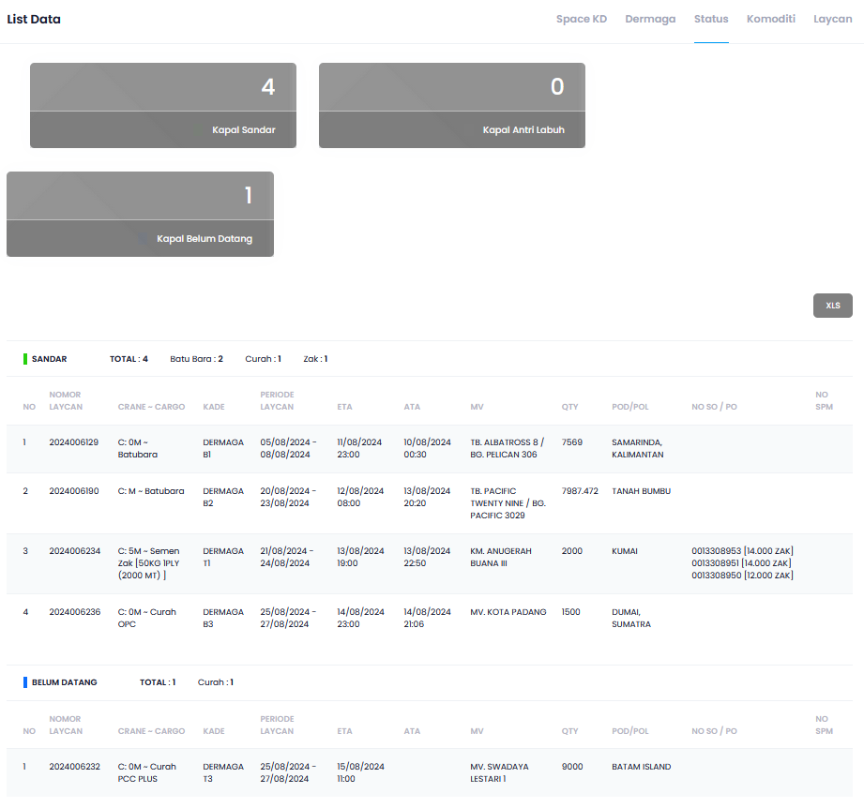
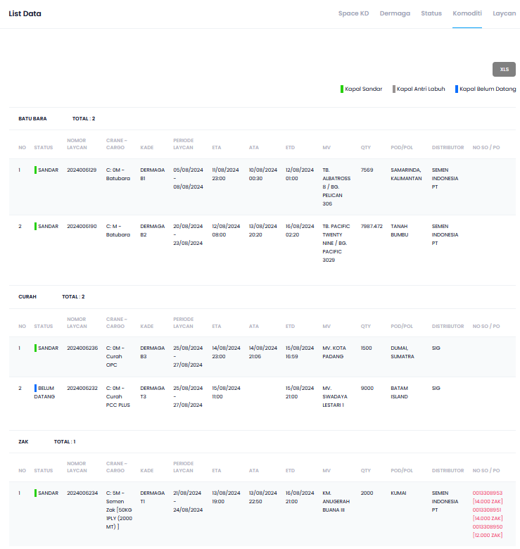
 |  |  |  | 5.3.3 | KAPAL BELUM DATANG
 |  |  |  |  | 5.3.3.1 | NO
 |  |  |  |  | 5.3.3.2 | NOMOR LAYCAN
 |  |  |  |  | 5.3.3.3 | CRANE - CARGO
 |  |  |  |  | 5.3.3.4 | KADE
 |  |  |  |  | 5.3.3.5 | PERIODE LAYCAN
 |  |  |  |  | 5.3.3.6 | ETA,ETB / BERTHING, ETD
 |  |  |  |  | 5.3.3.7 | ATA
 |  |  |  |  | 5.3.3.8 | MV
 |  |  |  |  | 5.3.3.9 | QTY
 |  |  |  |  | 5.3.3.10 | POD/POL
 |  |  |  |  | 5.3.3.11 | NO SO/PO
 |  |  |  |  | 5.3.3.12 | NO SPM
 |  |  | 5.4 | KOMODITI
 |  |  |  | 5.4.1 | BATUBARA KAPAL SANDAR (HIJAU), KAPAL ANTRI LABUH (HIJAU TUA), KAPAL BELUM DATANG (BIRU)
 |  |  |  |  | 5.4.1.1 | NO
 |  |  |  |  |  | NOMOR LAYCAN
 |  |  |  |  |  | CRANE - CARGO
 |  |  |  |  |  | KADE
 |  |  |  |  |  | PERIODE LAYCAN
 |  |  |  |  |  | ETA,ETB / BERTHING, ETD
 |  |  |  |  |  | ATA
 |  |  |  |  |  | MV
 |  |  |  |  |  | QTY
 |  |  |  |  |  | POD/POL
 |  |  |  |  |  | NO SO/PO
 |  |  |  |  |  | NO SPM
 |  |  |  |  | 5.4.1.2 | NO
 |  |  |  |  |  | NOMOR LAYCAN
 |  |  |  |  |  | CRANE - CARGO
 |  |  |  |  |  | KADE
 |  |  |  |  |  | PERIODE LAYCAN
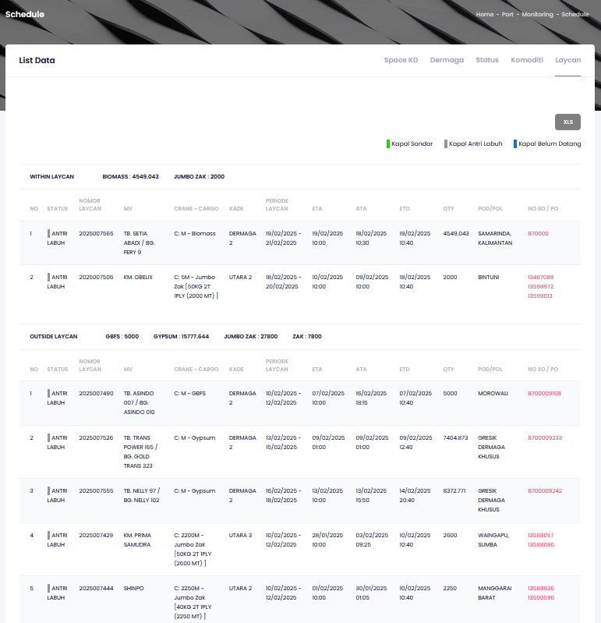
 |  |  |  |  |  | ETA,ETB / BERTHING, ETD
 |  |  |  |  |  | ATA

 |  |  |  |  |  | MV
 |  |  |  |  |  | QTY
 |  |  |  |  |  | POD/POL
 |  |  |  |  |  | NO SO/PO
 |  |  |  |  |  | NO SPM
 |  |  |  |  | 5.4.1.3 | NO
 |  |  |  |  |  | NOMOR LAYCAN
 |  |  |  |  |  | CRANE - CARGO
 |  |  |  |  |  | KADE
 |  |  |  |  |  | PERIODE LAYCAN
 |  |  |  |  |  | ETA,ETB / BERTHING, ETD
 |  |  |  |  |  | ATA
 |  |  |  |  |  | MV
 |  |  |  |  |  | QTY
 |  |  |  |  |  | POD/POL
 |  |  |  |  |  | NO SO/PO
 |  |  |  |  |  | NO SPM
 |  |  | 5.5 | LAYCAN
 |  |  |  | 5.5.1 | LIST DATA

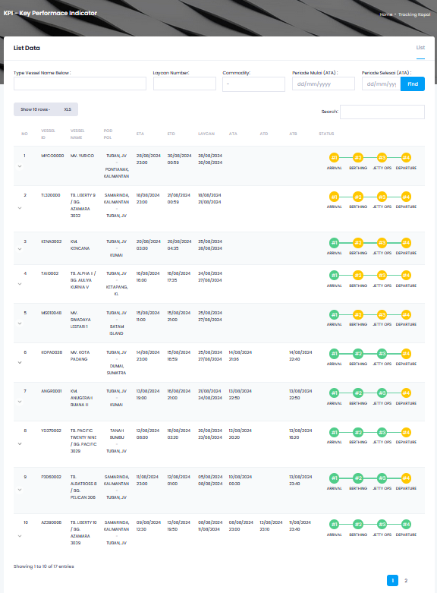
6 | TRACKING KAPAL |  | 6.1 | FILTER
 |  |  |  | 6.1.1 | TYPE VESSEL NAME BELOW
 |  |  |  | 6.1.2 | LAYCAN NUMBER
 |  |  |  | 6.1.3 | COMMODITY
 |  |  |  | 6.1.4 | PERIODE MULAI (ATA) - PERIODE SELESAI (ATA)
 |  |  | 6.2 | SEARCH BAR
 |  |  | 6.3 | TABLE INFO
 |  |  |  | 6.3.1 | NO
 |  |  |  | 6.3.2 | VESSEL ID
 |  |  |  | 6.3.3 | VESSEL NAME
 |  |  |  | 6.3.4 | POD POL
 |  |  |  | 6.3.5 | ETA
 |  |  |  | 6.3.6 | ETD
 |  |  |  | 6.3.7 | LAYCAN
 |  |  |  | 6.3.8 | ATA
 |  |  |  | 6.3.9 | ATD
 |  |  |  | 6.3.10 | ATB
 |  |  |  | 6.3.11 | STATUS
 |  |  |  |  | 6.3.11.1 | [POP UP BUTTON] ARRIVAL
 |  |  |  |  |  | 6.3.11.1.1 | LAYCAN SUBMITTED
 |  |  |  |  |  | 6.3.11.1.2 | LAYCAN APPROVED
 |  |  |  |  |  | 6.3.11.1.3 | SAFETY CHECKLIST UPDATED
 |  |  |  |  |  | 6.3.11.1.4 | ETA & PKK UPDATED
 |  |  |  |  |  | 6.3.11.1.5 | NOR UPDATED - VESSEL ANCHORED
 |  |  |  |  |  | 6.3.11.1.6 | SHIPPING INSTRUCTION (SI) UPLOADED
 |  |  |  |  |  | 6.3.11.1.7 | STOWAGE PLAN (SP) & LOADING SEQUENCE (LS) UPLOADED
 |  |  |  |  |  | 6.3.11.1.8 | SPM/SPB UPDTAED
 |  |  |  |  |  | 6.3.11.1.9 | PPKB IN - LABUH/DERMAGA SUBMITTED
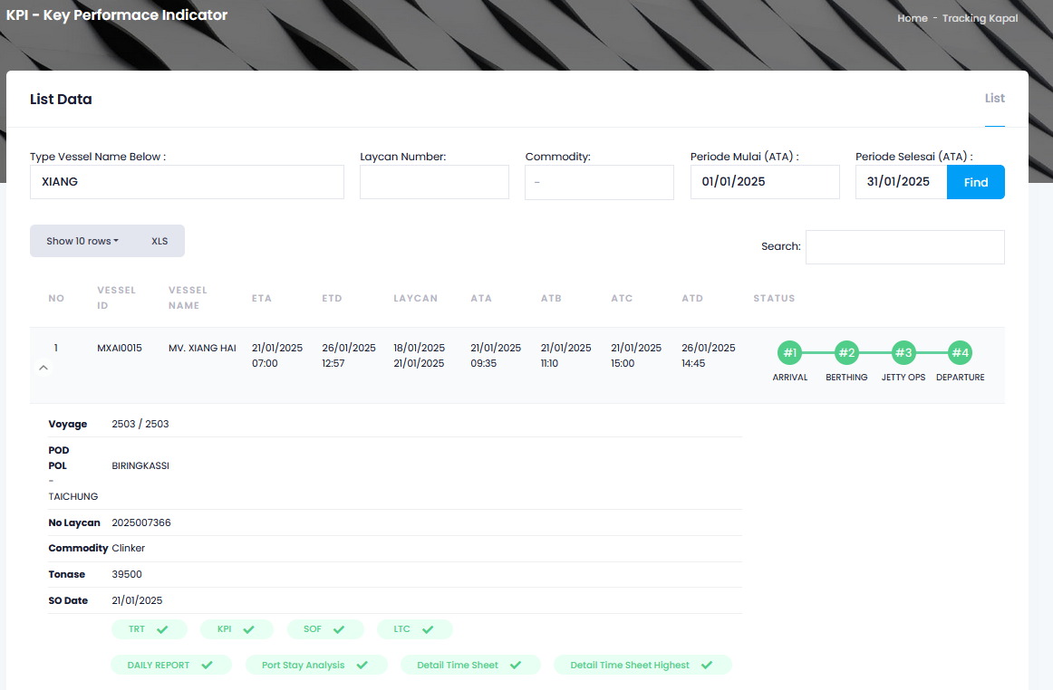
 |  |  |  |  |  | 6.3.11.1.10 | PPKB APPROVED
 |  |  |  |  | 6.3.11.2 | [POP UP BUTTON] BERTHING
 |  |  |  |  |  | 6.3.11.2.1 | UPLOAD PORT CLEARANCE IN
 |  |  |  |  |  | 6.3.11.2.2 | UPLOAD DOC RENCANA KERJA BONGKAR MUAT (RKBM)
 |  |  |  |  |  | 6.3.11.2.3 | SPK PANDU TUNDA IN UPDATED
 |  |  |  |  |  | 6.3.11.2.4 | REALISASI OLAH GERAK (2A1)
 |  |  |  |  | 6.3.11.3 | [POP UP BUTTON] JETTY OPS
 |  |  |  |  |  | 6.3.11.3.1 | GATE IN/GARE OUT
 |  |  |  |  |  | 6.3.11.3.2 | LOADING/DISCHARGING
 |  |  |  |  |  | 6.3.11.3.3 | DRAUGHT SURVEY/TALLY UPDATED
 |  |  |  |  |  | 6.3.11.3.4 | BAP UPDATED
 |  |  |  |  |  | 6.3.11.3.5 | DAILY REPORT COMPLETED
 |  |  |  |  | 6.3.11.4 | [POP UP BUTTON] DEPARTURE
 |  |  |  |  |  | 6.3.11.4.1 | PPKB OUT SUBMITTED
 |  |  |  |  |  | 6.3.11.4.2 | PPKB APPROVED
 |  | Klik segi tiga turun masuk document NO. 2, untuk port stay analisis : |  |  |  | 6.3.11.4.3 | SURAT PERSETUJUAN BERLAYAR
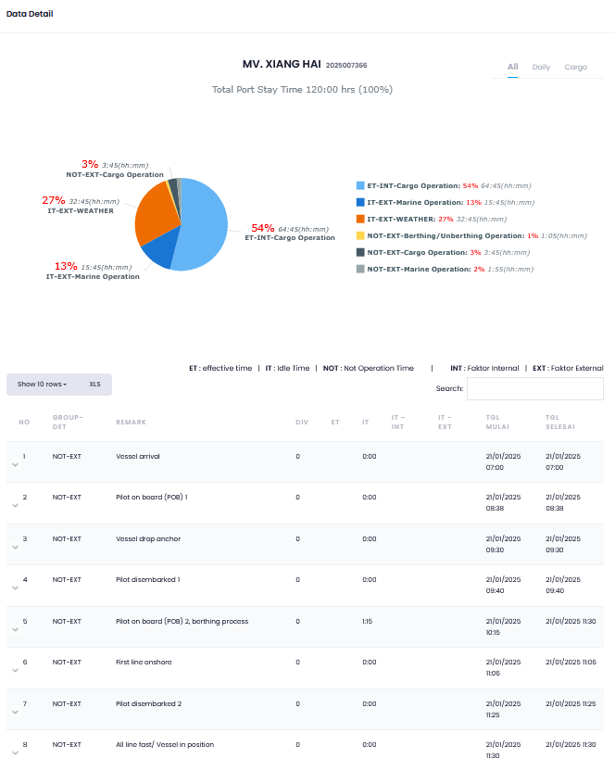
 |  |  |  |  |  | 6.3.11.4.4 | SPK PANDU TUNDA OUT UPDATED
 |  |  |  |  |  | 6.3.11.4.5 | REALISASI 2A1 OUT - VESSEL CAST OFF
 |  |  | Klik segi tiga turun masuk document NO. 2, untuk port stay analisis :
 |  |  | 6.4 | PORT STAY ANALISIS
 |  |  |  | 6.4.1 | ALL
 |  |  |  |  | 6.4.1.1 | GRAFIK DATA DETAIL MV ATAU KAPAL
 |  |  |  | 6.4.2 | DAILY
 |  |  |  |  | 6.4.2.1 | GRAFIK DETAIL DAILY
 |  |  |  | 6.4 3 | CARGO (PEMUATAN)
 |  |  |  |  | 6.4.3.1 | GRAFIK CARGO (PEMUATAN HARIAN)

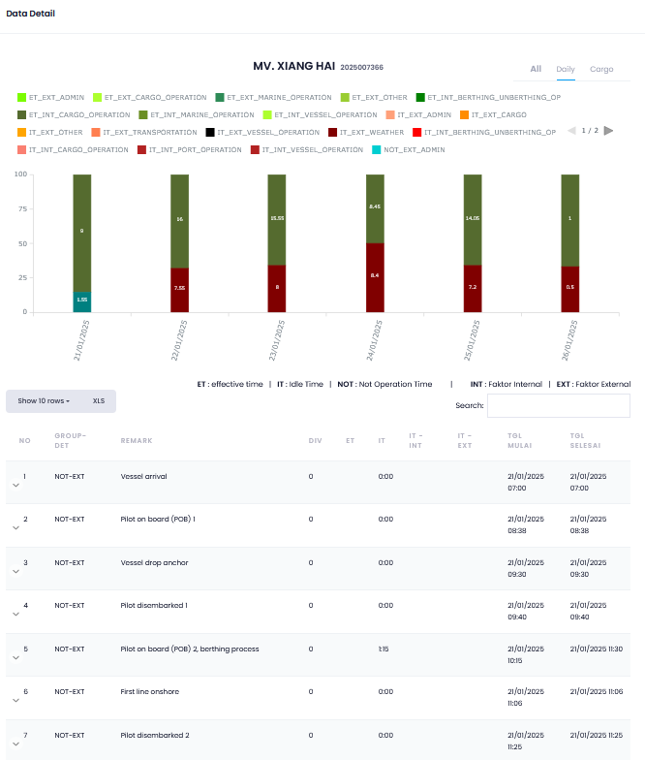

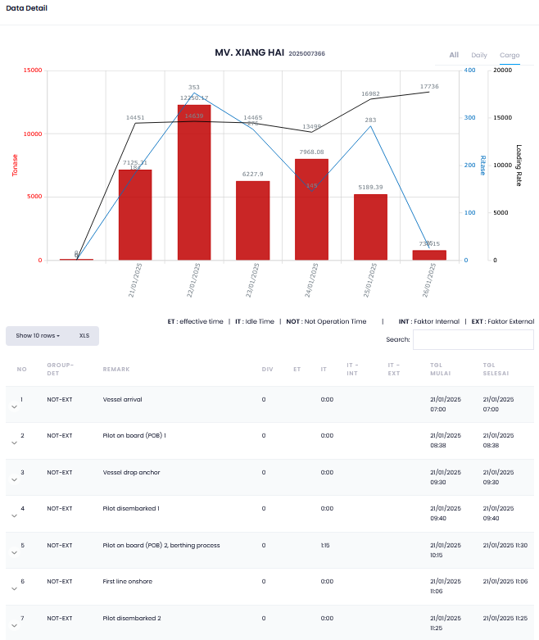

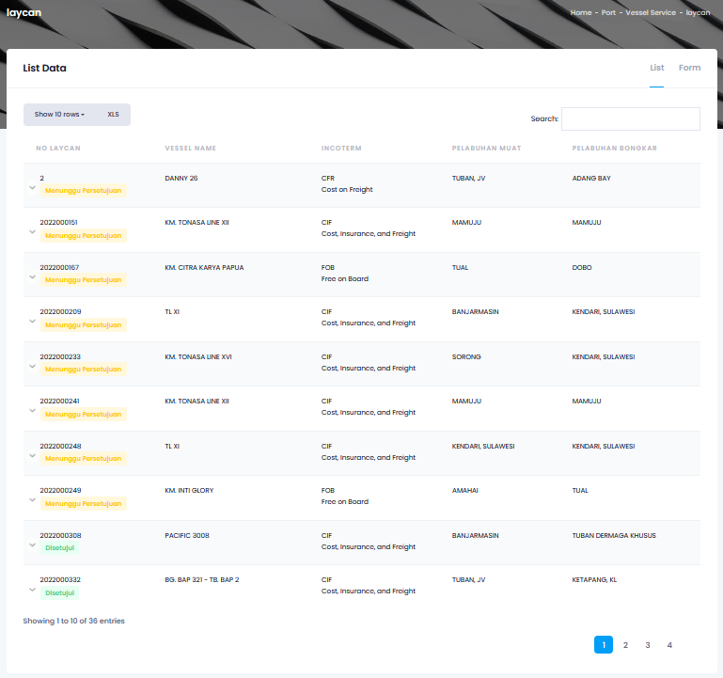
7 | PORT SERVICE (OPERASIONAL) | ARRIVAL | 7.1 | STEP 1:ARRIVAL
 | - ARRIVAL | - Laycan |  | 7.1.1 | SUBMIT LAYCAN
 | - BERTHING | - Check Lot |  |  | 7.1.1.1 | LIST
 | - JETTY OPERATION | - ETA, PKK |  |  |  | 7.1.1.1.1 | NO LAYCAN
 | - DEPARTURE | - PPKB In |  |  |  | 7.1.1.1.2 | VESSEL NAME
 |  | 7.b Berthing |  |  |  | 7.1.1.1.3 | INCOTERM
 | GATE IN / OUT | 7.c Jetty Operation |  |  |  | 7.1.1.1.4 | PELABUHAN MUAT
 | - BONGKAR MUAT | 7.d Departure |  |  |  | 7.1.1.1.5 | PELABUHAN BONGKAR
 | (All Port, *Teluk Bayur =/Shift) | 7.a Versi Web. |  |  | 7.1.1.2 | FORM
 | - VERSI WEB. (Jumlah Zak, Jumbo | - Jumbo Zak, Jumbo Curah |  |  |  | (SEPERTI POIN 3.2 FORM BOOKING LAYCAN)
 | Curah, Eksport, Batu bara) | - Eksport |  | 7.1.2 | APPROVAL LAYCAN
 | - VERSI MOBILE | - Batu Bara |  |  | 7.1.2.1 | LIST
 | Teluk Bayur =/ Shift | 7.b Versi Mobile |  |  |  | 7.1.2.1.1 | NO
 |  | - Teluk Bayur = / Shift |  |  |  | 7.1.2.1.2 | VESSEL CODE
 |  |  |  |  |  | 7.1.2.1.3 | VESSEL NAME
 |  |  |  |  |  | 7.1.2.1.4 | KEMASAN
 |  |  |  |  |  | 7.1.2.1.5 | KAPASITAS
 |  |  |  |  |  | 7.1.2.1.6 | AGEN
 |  |  |  |  |  | 7.1.2.1.7 | PBM
 |  |  |  |  |  | 7.1.2.1.8 | INCOTERM
 |  |  |  |  |  | 7.1.2.1.9 | PELABUHAN MUAT
 |  |  |  |  |  | 7.1.2.1.10 | PELABUHAN BONGKAR
 |  |  |  |  |  | 7.1.2.1.11 | NO MEMORANDUM
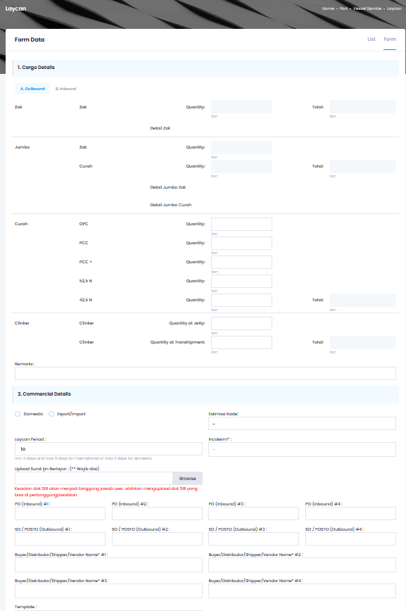
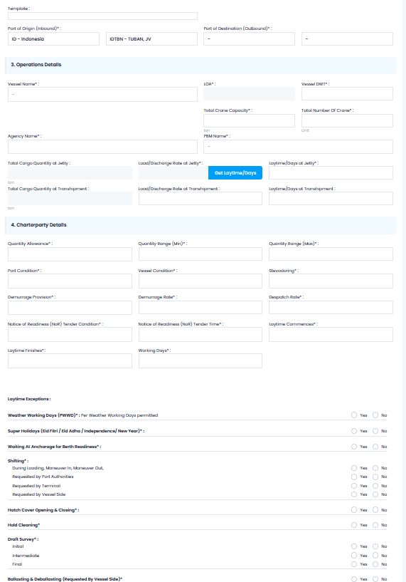
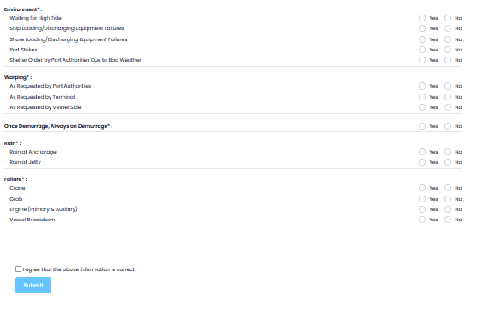
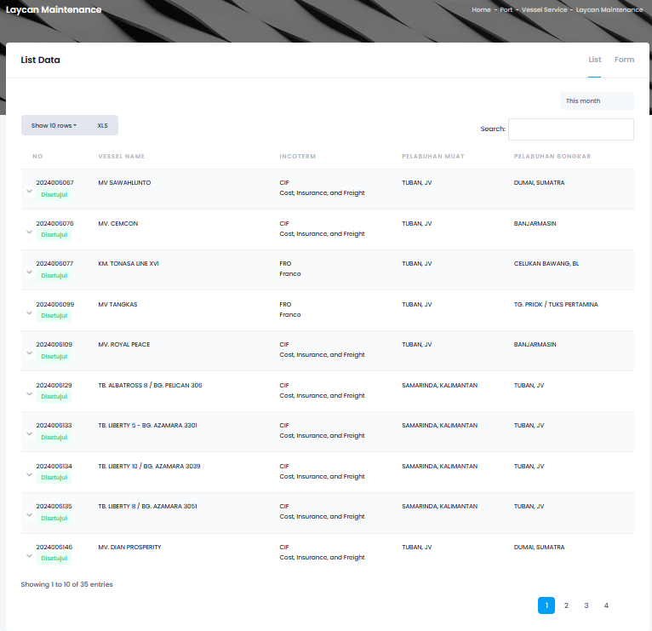
 |  |  |  |  |  | 7.1.2.1.12 | KETERANGAN
 |  |  |  |  | 7.1.2.2 | FORM
 |  |  |  |  |  | (SEPERTI POIN 3.2 FORM BOOKING LAYCAN)
 |  |  |  | 7.1.3 | LAYCAN MAINTENANCE
 |  |  |  |  | 7.1.3.1 | LIST
 |  |  |  |  |  | 7.1.3.1.1 | NO
 |  |  |  |  |  | 7.1.3.1.2 | VESSEL NAME
 |  |  |  |  |  | 7.1.3.1.3 | INCOTERM
 |  |  |  |  |  | 7.1.3.1.4 | PELABUHAN MUAT
 |  |  |  |  |  | 7.1.3.1.5 | PELABUHAN BONGKAR
 |  |  |  |  |  | 7.1.3.1.6 | EDIT
 |  |  |  |  | 7.1.3.2 | FORM
 |  |  |  |  |  | (SEPERTI POIN 3.2 FORM BOOKING LAYCAN)
 |  |  |  | 7.1.4 | LAYCAN MONITORING
 |  |  |  |  | 7.1.4.1 | [INPUT] PERIODE
 |  |  |  |  | 7.1.4.2 | [TAMPILAN LIST BOOKING LAYCAN]
 |  |  |  | 7.1.5 | PENUNJUKAN KEAGENAN
 |  |  |  |  | 7.1.5.1 | LIST
 |  |  |  |  |  | 7.1.5.1.1 | NO
 |  |  |  |  |  | 7.1.5.1.2 | VESSEL CODE
 |  |  |  |  |  | 7.1.5.1.3 | VESSEL NAME
 |  |  |  |  |  | 7.1.5.1.4 | OLD AGENT
 |  |  |  |  |  | 7.1.5.1.5 | AGENT
 |  |  |  |  |  | 7.1.5.1.6 | STATUS
 |  |  |  |  |  | 7.1.5.1.7 | CREATED BY
 |  |  |  |  |  | 7.1.5.1.8 | CREATED TS
 |  |  |  |  |  | 7.1.5.1.9 | APPROVAL BY
 |  |  |  |  |  | 7.1.5.1.10 | APPROVAL TS
 |  |  |  |  | 7.1.5.2 | FORM
 |  |  |  |  |  | 7.1.5.2.1 | [DROPDOWN] VESSEL NAME
 |  |  |  |  |  | 7.1.5.2.2 | SHIPPING AGENT
 |  |  |  | 7.1.6 | UPDATE ETA & PKK
 |  |  |  |  | 7.1.6.1 | LIST
 |  |  |  |  |  | 7.1.6.1.1 | NO
 |  |  |  |  |  | 7.1.6.1.2 | VESSEL ID
 |  |  |  |  |  | 7.1.6.1.3 | VESSEL NAME
 |  |  |  |  |  | 7.1.6.1.4 | VOYAGE
 |  |  |  |  |  | 7.1.6.1.5 | ETA
 |  |  |  |  |  | 7.1.6.1.6 | ETD
 |  |  |  |  |  | 7.1.6.1.7 | LAYCAN
 |  |  |  |  |  | 7.1.6.1.8 | EDIT
 |  |  |  |  |  | 7.1.6.1.9 | PRINT [KPI, PKK]
 |  |  |  |  |  | 7.1.6.1.10 | + PPKB
 |  |  |  |  | 7.1.6.2 | FORM
 |  |  |  |  |  | 7.1.6.2.1 | NAMA KAPAL
 |  |  |  |  |  | 7.1.6.2.2 | NO LAYCAN
 |  |  |  |  |  | 7.1.6.2.3 | NO PKK OTORITAS PELABUHAN (MANUAL)
 |  |  |  |  |  | 7.1.6.2.4 | GRT
 |  |  |  |  |  | 7.1.6.2.5 | LOA
 |  |  |  |  |  | 7.1.6.2.6 | TYPE
 |  |  |  |  |  | 7.1.6.2.7 | AGENT
 |  |  |  |  |  | 7.1.6.2.8 | VOYAGE IN
 |  |  |  |  |  | 7.1.6.2.9 | VOYAGE OUT
 |  |  |  |  |  | 7.1.6.2.10 | NO BC 1.1
 |  |  |  |  |  | 7.1.6.2.11 | TGL BC 1.1
 |  |  |  |  |  | 7.1.6.2.12 | ETA, (hh), (mm)
 |  |  |  |  |  | 7.1.6.2.13 | ETD, (hh), (mm)
 |  |  |  |  |  | 7.1.6.2.14 | JENIS KUNJUNGAN
 |  |  |  |  |  | 7.1.6.2.15 | JENIS KEMASAN
 |  |  |  |  |  | 7.1.6.2.16 | KEGIATAN
 |  |  |  |  |  | 7.1.6.2.17 | ORIGIN PORT
 |  |  |  |  |  | 7.1.6.2.18 | NEXT PORT
 |  |  |  |  |  | 7.1.6.2.19 | DEST PORT
 |  |  |  |  |  | 7.1.6.2.20 | LAST PORT
 |  |  |  | 7.1.7 | MAINTENANCE PKK
 |  |  |  |  | 7.1.7.1 | NO
 |  |  |  |  | 7.1.7.2 | VESSEL ID
 |  |  |  |  | 7.1.7.3 | VESSEL NAME
 |  |  |  |  | 7.1.7.4 | VOYAGE
 |  |  |  |  | 7.1.7.5 | ETA
 |  |  |  |  | 7.1.7.6 | ETD
 |  |  |  |  | 7.1.7.7 | DISC/LOAD
 |  |  |  |  | 7.1.7.8 | EDIT
 |  |  |  |  | 7.1.7.9 | PRINT [KPI, PKK]
 |  |  |  |  | 7.1.7.10 | PPKB
 |  |  |  | 7.1.8 | UPDATE NOR
 |  |  |  |  | 7.1.8.1 | LIST
 |  |  |  |  |  | 7.1.8.1.1 | NO
 |  |  |  |  |  | 7.1.8.1.2 | VESSEL ID
 |  |  |  |  |  | 7.1.8.1.3 | VESSEL NAME
 |  |  |  |  |  | 7.1.8.1.4 | VOYAGE
 |  |  |  |  |  | 7.1.8.1.5 | ETA
 |  |  |  |  |  | 7.1.8.1.6 | ETD
 |  |  |  |  |  | 7.1.8.1.7 | DOCUMENT
 |  |  |  |  |  | 7.1.8.1.8 | UPLOAD
 |  |  |  |  | 7.1.8.2 | FORM
 |  |  |  |  |  | 7.1.8.2.1 | JENIS DOKUMEN
 |  |  |  |  |  | 7.1.8.2.2 | NAMA KAPAL
 |  |  |  |  |  | 7.1.8.2.3 | AGEN
 |  |  |  |  |  | 7.1.8.2.4 | VOYAGE IN
 |  |  |  |  |  | 7.1.8.2.5 | VOYAGE OUT
 |  |  |  |  |  | 7.1.8.2.6 | ETA, (hh), (mm)
 |  |  |  |  |  | 7.1.8.2.7 | ETD, (hh), (mm)
 |  |  |  |  |  | 7.1.8.2.8 | UPLOAD FILE
 |  |  |  | 7.1.9 | SUBMIT VESSEL ARRIVAL DOC
 |  |  |  |  | 7.1.9.1 | LIST
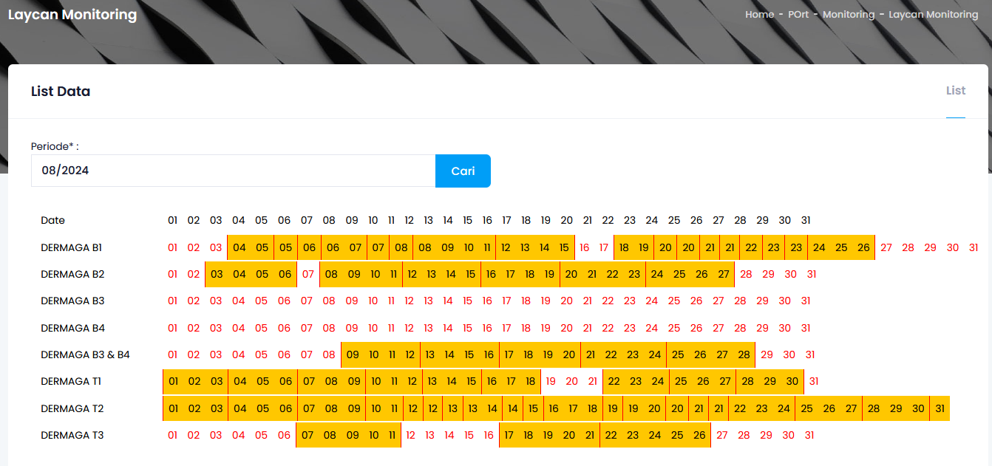
 |  |  |  |  |  | 7.1.9.1.1 | NO
 |  |  |  |  |  | 7.1.9.1.2 | VESSEL ID
 |  |  |  |  |  | 7.1.9.1.3 | VESSEL NAME
 |  |  |  |  |  | 7.1.9.1.4 | VOYAGE
 |  |  |  |  |  | 7.1.9.1.5 | ETA
 |  |  |  |  |  | 7.1.9.1.6 | ETD
 |  |  |  |  |  | 7.1.9.1.7 | DOCUMENT
 |  |  |  |  |  | 7.1.9.1.8 | UPLOAD
 |  |  |  |  | 7.1.9.2 | FORM
 |  |  |  |  |  | 7.1.9.2.1 | JENIS DOKUMEN
 |  |  |  |  |  | 7.1.9.2.2 | NAMA KAPAL
 |  |  |  |  |  | 7.1.9.2.3 | AGEN
 |  |  |  |  |  | 7.1.9.2.4 | VOYAGE IN
 |  |  |  |  |  | 7.1.9.2.5 | VOYAGE OUT
 |  |  |  |  |  | 7.1.9.2.6 | ETA, (hh), (mm)
 |  |  |  |  |  | 7.1.9.2.7 | ETD, (hh), (mm)
 |  |  |  |  |  | 7.1.9.2.8 | UPLOAD FILE
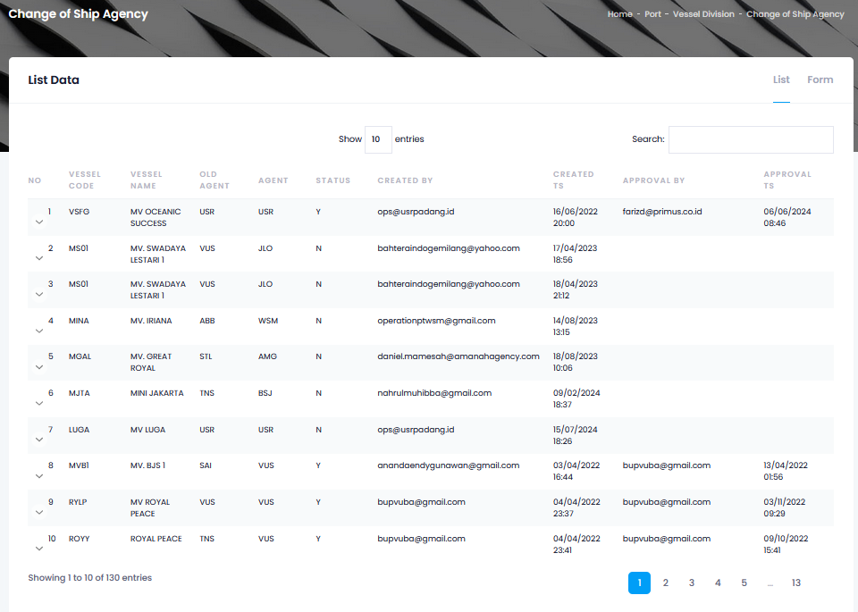

 |  |  |  | 7.1.10 | SUBMIT CRANE DECLARATION
 |  |  |  |  | 7.1.10.1 | LIST
 |  |  |  |  |  | 7.1.10.1.1 | NO
 |  |  |  |  |  | 7.1.10.1.1 | VESSEL ID
 |  |  |  |  |  | 7.1.10.1.1 | VESSEL NAME
 |  |  |  |  |  | 7.1.10.1.1 | VOYAGE
 |  |  |  |  |  | 7.1.10.1.1 | ETA
 |  |  |  |  |  | 7.1.10.1.1 | ETD
 |  |  |  |  |  | 7.1.10.1.1 | DOCUMENT
 |  |  |  |  |  | 7.1.10.1.1 | UPLOAD
 |  |  |  |  | 7.1.10.2 | FORM
 |  |  |  |  |  | 7.1.10.2.1 | JENIS DOKUMEN
 |  |  |  |  |  | 7.1.10.2.2 | NAMA KAPAL
 |  |  |  |  |  | 7.1.10.2.3 | AGEN
 |  |  |  |  |  | 7.1.10.2.4 | VOYAGE IN
 |  |  |  |  |  | 7.1.10.2.5 | VOYAGE OUT
 |  |  |  |  |  | 7.1.10.2.6 | ETA, (hh), (mm)
 |  |  |  |  |  | 7.1.10.2.7 | ETD, (hh), (mm)
 |  |  |  |  |  | 7.1.10.2.8 | UPLOAD FILE
 |  |  |  | 7.1.11 | MENARA
 |  |  |  |  | 7.1.11.1 | LIST
 |  |  |  |  |  | 7.1.11.1.1 | NO
 |  |  |  |  |  | 7.1.11.1.2 | VESSEL CODE
 |  |  |  |  |  | 7.1.11.1.3 | VESSEL NAME
 |  |  |  |  |  | 7.1.11.1.4 | ATA
 |  |  |  |  |  | 7.1.11.1.5 | ATD
 |  |  |  |  |  | 7.1.11.1.6 | EDIT
 |  |  |  |  |  | 7.1.11.1.7 | DELETE
 |  |  |  |  | 7.1.11.2 | FORM

 |  |  |  |  |  | 7.1.11.2.1 | VESSEL NAME
 |  |  |  |  |  | 7.1.11.2.2 | ATA (hh/mm/yyyy), (hh), (mm)
 |  |  |  | 7.1.12 | KAPAL RUSAK
 |  |  |  |  | 7.1.12.1 | LIST
 |  |  |  |  |  | 7.1.12.1.1 | NO
 |  |  |  |  |  | 7.1.12.1.2 | VESSEL
 |  |  |  |  |  | 7.1.12.1.3 | MULAI
 |  |  |  |  |  | 7.1.12.1.4 | SELESAI
 |  |  |  |  |  | 7.1.12.1.5 | REMARKS
 |  |  |  |  |  | 7.1.12.1.6 | EDIT
 |  |  |  |  |  | 7.1.12.1.7 | DELETE
 |  |  |  |  | 7.1.12.2 | FORM
 |  |  |  |  |  | 7.1.12.2.1 | VESSEL NAME
 |  |  |  |  |  | 7.1.12.2.2 | MULAI RUSAK (hh/mm/yyyy), (hh), (mm)
 |  |  |  |  |  | 7.1.12.2.3 | SELESAI RUSAK (hh/mm/yyyy), (hh), (mm)
 |  |  |  |  |  | 7.1.12.2.4 | REMARKS
 |  |  | 7.2 | STEP 2: BERTHING
 |  |  |  | 7.2.1 | UPLOAD JETTY CLEARANCE IN (SPOG)
 |  |  |  |  | 7.2.1.1 | LIST
 |  |  |  |  |  | 7.2.1.1.1 | NO
 |  |  |  |  |  | 7.2.1.1.2 | VESSEL ID


 |  |  |  |  |  | 7.2.1.1.3 | VESSEL NAME
 |  |  |  |  |  | 7.2.1.1.4 | VOYAGE
 |  |  |  |  |  | 7.2.1.1.5 | ETA
 |  |  |  |  |  | 7.2.1.1.6 | ETD
 |  |  |  |  |  | 7.2.1.1.7 | DOCUMENT
 |  |  |  |  |  | 7.2.1.1.8 | UPLOAD
 |  |  |  |  | 7.2.1.2 | FORM
 |  |  |  |  |  | 7.2.1.2.1 | JENIS DOKUMEN
 |  |  |  |  |  | 7.2.1.2.2 | NAMA KAPAL
 |  |  |  |  |  | 7.2.1.2.3 | AGEN
 |  |  |  |  |  | 7.2.1.2.4 | VOYAGE IN
 |  |  |  |  |  | 7.2.1.2.5 | VOYAGE OUT
 |  |  |  |  |  | 7.2.1.2.6 | ETA, (hh), (mm)
 |  |  |  |  |  | 7.2.1.2.7 | ETD, (hh), (mm)
 |  |  |  |  |  | 7.2.1.2.8 | UPLOAD FILE
 |  |  |  | 7.2.2 | UPDATE SURAT PERINTAH MUAT/BONGKAT (SPM/SPB)
 |  |  |  |  | 7.2.2.1 | LIST
 |  |  |  |  |  | 7.2.2.1.1 | NO
 |  |  |  |  |  | 7.2.2.1.2 | VESSEL ID
 |  |  |  |  |  | 7.2.2.1.3 | VESSEL NAME
 |  |  |  |  |  | 7.2.2.1.4 | VOYAGE
 |  |  |  |  |  | 7.2.2.1.5 | ETA
 |  |  |  |  |  | 7.2.2.1.6 | ETD
 |  |  |  |  |  | 7.2.2.1.7 | DOCUMENT
 |  |  |  |  |  | 7.2.2.1.8 | UPLOAD
 |  |  |  |  | 7.2.2.2 | FORM
 |  |  |  |  |  | 7.2.2.2.1 | JENIS DOKUMEN
 |  |  |  |  |  | 7.2.2.2.2 | NAMA KAPAL
 |  |  |  |  |  | 7.2.2.2.3 | AGEN
 |  |  |  |  |  | 7.2.2.2.4 | VOYAGE IN
 |  |  |  |  |  | 7.2.2.2.5 | VOYAGE OUT
 |  |  |  |  |  | 7.2.2.2.6 | ETA, (hh), (mm)
 |  |  |  |  |  | 7.2.2.2.7 | ETD, (hh), (mm)
 |  |  |  |  |  | 7.2.2.2.8 | UPLOAD FILE

 |  |  |  | 7.2.3 | SUBMIT PPKB IN
 |  |  |  |  | 7.2.3.1 | NO
 |  |  |  |  | 7.2.3.2 | VESSEL ID
 |  |  |  |  | 7.2.3.3 | VESSEL
 |  |  |  |  | 7.2.3.4 | VOYAGE
 |  |  |  |  | 7.2.3.5 | NO FORM 1A - KE
 |  |  |  |  | 7.2.3.6 | SERVICE
 |  |  |  |  | 7.2.3.7 | STATUS
 |  |  |  |  | 7.2.3.8 | PRINT
 |  |  |  | 7.2.4 | APPROVAL LINE UP
 |  |  |  |  | 7.2.4.1 | NO
 |  |  |  |  | 7.2.4.2 | VESID
 |  |  |  |  | 7.2.4.3 | VESSEL NAME
 |  |  |  |  | 7.2.4.4 | VOYAGE
 |  |  |  |  | 7.2.4.5 | NO FORM 1A
 |  |  |  |  | 7.2.4.6 | SERVICE
 |  |  |  |  | 7.2.4.7 | CREATED TS
 |  |  |  |  | 7.2.4.8 | ACTION

 |  |  |  | 7.2.5 | MAINTENANCE LINE UP
 |  |  |  |  | 7.2.5.1 | NO
 |  |  |  |  | 7.2.5.2 | VESID
 |  |  |  |  | 7.2.5.3 | VESSEL NAME
 |  |  |  |  | 7.2.5.4 | VOYAGE
 |  |  |  |  | 7.2.5.5 | NO FORM 1A
 |  |  |  |  | 7.2.5.6 | SERVICE
 |  |  |  |  | 7.2.5.7 | CREATED TS
 |  |  |  |  | 7.2.5.8 | ACTION
 |  |  |  | 7.2.6 | SPK PANDU TUNDA IN
 |  |  |  |  | 7.2.6.1 | LIST
 |  |  |  |  |  | 7.2.6.1.1 | NO
 |  |  |  |  |  | 7.2.6.1.2 | VESSLE ID

 |  |  |  |  |  | 7.2.6.1.3 | VESSEL
 |  |  |  |  |  | 7.2.6.1.4 | VOYAGE
 |  |  |  |  |  | 7.2.6.1.5 | NO FORM 1A
 |  |  |  |  |  | 7.2.6.1.6 | SERVICE
 |  |  |  |  |  | 7.2.6.1.7 | NO SPK
 |  |  |  |  |  | 7.2.6.1.8 | CREATE DATE
 |  |  |  |  |  | 7.2.6.1.9 | PPKB
 |  |  |  |  |  | 7.2.6.1.10 | SPK
 |  |  |  |  | 7.2.6.2 | FORM SPK PANDU
 |  |  |  |  |  | 7.2.6.2.1 | VESSEL
 |  |  |  |  |  | 7.2.6.2.2 | VOYAGE IN
 |  |  |  |  |  | 7.2.6.2.3 | VOYAGE OUT
 |  |  |  |  |  | 7.2.6.2.4 | NO FORM 1A
 |  |  |  |  |  | 7.2.6.2.5 | PANDU
 |  |  |  |  |  | 7.2.6.2.6 | MOTOR PANDU
 |  |  |  |  |  | 7.2.6.2.7 | TUNDA 1
 |  |  |  |  |  | 7.2.6.2.8 | TUNDA 2
 |  |  |  |  |  | 7.2.6.2.9 | TUNDA 3
 |  |  |  |  |  | 7.2.6.2.10 | TUNDA 4

 |  |  |  |  | 7.2.6.3 | FORM SPK TAMBAT
 |  |  |  |  |  | 7.2.6.3.1 | VESSEL
 |  |  |  |  |  | 7.2.6.3.2 | VOYAGE IN
 |  |  |  |  |  | 7.2.6.3.3 | VOYAGE OUT
 |  |  |  |  |  | 7.2.6.3.4 | NO FORM 1A
 |  |  |  |  |  | 7.2.6.3.5 | KADE
 |  |  |  |  |  | 7.2.6.3.6 | PETUGAS IKAT TALI
 |  |  |  |  |  | 7.2.6.3.7 | PETUGAS LEPAS TALI
 |  |  |  | 7.2.7 | UPDATE REALISASI 2A1 IN
 |  |  |  |  | 7.2.7.1 | LIST
 |  |  |  |  |  | 7.2.7.1.1 | NO
 |  |  |  |  |  | 7.2.7.1.2 | VESSEL ID
 |  |  |  |  |  | 7.2.7.1.3 | VESSEL NAME

 |  |  |  |  |  | 7.2.7.1.4 | AGENT
 |  |  |  |  |  | 7.2.7.1.5 | NO SPK
 |  |  |  |  |  | 7.2.7.1.6 | NO FORM 1A
 |  |  |  |  |  | 7.2.7.1.7 | EDIT REALISASI PANDU
 |  |  |  |  |  | 7.2.7.1.8 | PPKB
 |  |  |  |  |  | 7.2.7.1.9 | DTJK
 |  |  |  |  | 7.2.7.2 | 0. FORM DATA
 |  |  |  |  |  | 7.2.7.2.1 | VESSEL
 |  |  |  |  |  | 7.2.7.2.2 | NO SPK
 |  |  |  |  |  | 7.2.7.2.3 | JENIS KAPAL
 |  |  |  |  |  | 7.2.7.2.4 | IJKK
 |  |  |  |  |  | 7.2.7.2.5 | AGENT
 |  |  |  |  |  | 7.2.7.2.6 | PPKB
 |  |  |  |  |  | 7.2.7.2.7 | KADE PROSES
 |  |  |  |  | 7.2.7.3 | 1. DATA PANDU
 |  |  |  |  |  | 7.2.7.3.1 | GERAKAN

 |  |  |  |  |  | 7.2.7.3.2 | PERAIRAN
 |  |  |  |  |  | 7.2.7.3.3 | KETERANGAN PANDU
 |  |  |  |  |  | 7.2.7.3.4 | NAMA PANDU
 |  |  |  |  |  | 7.2.7.3.5 | KAPAL PANDU
 |  |  |  |  |  | 7.2.7.3.6 | NAMA NAHKODA
 |  |  |  |  |  | 7.2.7.3.7 | DIPANDU DARI
 |  |  |  |  |  | 7.2.7.3.8 | DIPANDU KE
 |  |  |  |  |  | 7.2.7.3.9 | PANDU NAIK (hh), (mm)
 |  |  |  |  |  | 7.2.7.3.10 | KAPAL BERGERAK (hh), (mm)
 |  |  |  |  |  | 7.2.7.3.11 | SELESAI PANDU (hh), (mm)
 |  |  |  |  |  | 7.2.7.3.12 | PANDU TURUN (hh), (mm)
 |  |  |  |  | 7.2.7.4 | 2. DATA TAMBAT


 |  |  |  |  |  | 7.2.7.4.1 | RAMP DOOR
 |  |  |  |  |  | 7.2.7.4.2 | SANDAR KAPAL
 |  |  |  |  |  | 7.2.7.4.3 | POSISI TAMBAT
 |  |  |  |  | 7.2.7.5 | 3. DATA TUNDA (4x 4 kolom dibawah)
 |  |  |  |  |  | 7.2.7.5.1 | NAMA KAPAL TUNDA
 |  |  |  |  |  | 7.2.7.5.2 | TGL MULAI TUNDA, (hh), (mm)
 |  |  |  |  |  | 7.2.7.5.3 | TGL SELESAI TUNDA, (hh), (mm)
 |  |  |  |  |  | 7.2.7.5.4 | KETERANGAN
 |  |  |  |  | 7.2.7.6 | 4. DATA TUNDA GANDENG (2x 3 kolom dibawah)
 |  |  |  |  |  | 7.2.7.6.1 | TUNDA GANDENG
 |  |  |  |  |  | 7.2.7.6.2 | TGL MULAI TUNDA, (hh), (mm)
 |  |  |  |  |  | 7.2.7.6.3 | TGL SELESAI TUNDA, (hh), (mm)
 |  |  |  |  | 7.2.7.7 | 5. DATA TUNDA LENGGANG (2x 3 kolom dibawah)
 |  |  |  |  |  | 7.2.7.7.1 | TUNDA LENGGANG
 |  |  |  |  |  | 7.2.7.7.2 | TGL MULAI TUNDA, (hh), (mm)
 |  |  |  |  |  | 7.2.7.7.3 | TGL SELESAI TUNDA, (hh), (mm)
 |  |  |  |  | 7.2.7.8 | 6. DATA KEPIL
 |  |  |  |  |  | 7.2.7.8.1 | MOTOR KEPIL
 |  |  |  |  |  | 7.2.7.8.2 | LOKASI
 |  |  |  |  | 7.2.7.9 | 7. DATA GANDENG TUGBOAT (4x 6 tabel dibawah)
 |  |  |  |  |  | 7.2.7.9.1 | NO FORM 1A
 |  |  |  |  |  | 7.2.7.9.2 | PPKB KE
 |  |  |  |  |  | 7.2.7.9.3 | NAMA KAPAL
 |  |  |  |  |  | 7.2.7.9.4 | JENIS KAPAL
 |  |  |  |  |  | 7.2.7.9.5 | GT
 |  |  |  |  |  | 7.2.7.9.6 | LOA
 |  |  | 7.3 | STEP 3: JETTY OPERATION


 |  |  |  | 7.3.1 | GATE IN
 |  |  |  |  | 7.3.1.1 | [INPUT] TGL MULAI GATE IN DAN TGL SELESAI GATE IN
 |  |  |  |  | 7.3.1.2 | GATE IN LIST
 |  |  |  |  |  | 7.3.1.1.1 | NO FORM 1A
 |  |  |  |  |  | 7.3.1.1.2 | VESSEL
 |  |  |  |  |  | 7.3.1.1.3 | POLICE NO
 |  |  |  |  |  | 7.3.1.1.4 | DRIVER
 |  |  |  |  |  | 7.3.1.1.5 | SHIFT
 |  |  |  |  |  | 7.3.1.1.6 | GATE IN
 |  |  |  |  |  | 7.3.1.1.7 | GATE OUT
 |  |  |  |  |  | 7.3.1.1.8 | BARANG
 |  |  |  |  |  | 7.3.1.1.9 | TON
 |  |  |  |  |  | 7.3.1.1.10 | PALKA
 |  |  |  |  |  | 7.3.1.1.11 | LOKASI
 |  |  |  |  |  | 7.3.1.1.12 | JOB NO/SPJ
 |  |  |  |  | 7.3.1.3 | GATE IN
 |  |  |  |  |  | 7.3.1.2.1 | BARANG
 |  |  |  |  |  | 7.3.1.2.2 | TYPE
 |  |  |  |  |  | 7.3.1.2.3 | DERMAGA
 |  |  |  |  |  | 7.3.1.2.4 | VESSEL
 |  |  |  |  |  | 7.3.1.2.5 | SERVICE
 |  |  |  |  |  | 7.3.1.2.6 | PALKA
 |  |  |  |  |  | 7.3.1.2.7 | KAPASITAS CRANE
 |  |  |  |  |  | 7.3.1.2.8 | ASAL BARANG
 |  |  |  |  |  | 7.3.1.2.9 | EQUIPMENT
 |  |  |  |  |  | 7.3.1.2.10 | POLICE NO /CARRIER
 |  |  |  |  |  | 7.3.1.2.11 | DRIVER
 |  |  |  |  |  | 7.3.1.2.12 | TON
 |  |  |  |  |  | 7.3.1.2.13 | JOB ORDER/SPJ
 |  | BERTHING |  |  | 7.3.1.4 | START END LIST

 |  | UPLOAD JETTY CLEARANCE IN (SPOG) |  |  |  | 7.3.1.4.1 | TGL MULAI GATE IN, TGL SELESAI GATE IN,(hh), (mm)
 |  |  |  |  |  | 7.3.1.4.2 | NO
 |  |  |  |  |  | 7.3.1.4.3 | VESSEL
 |  |  |  |  |  | 7.3.1.4.4 | DERMAGA
 |  |  |  |  |  | 7.3.1.4.5 | POLICE NO /CARRIER
 |  |  |  |  |  | 7.3.1.4.6 | START
 |  |  |  |  |  | 7.3.1.4.7 | END
 |  |  |  |  |  | 7.3.1.4.8 | ET (MINUTE)
 |  |  |  |  |  | 7.3.1.4.9 | IT (MINUTE)
 |  |  |  |  |  | 7.3.1.4.10 | BAG
 |  |  |  |  |  | 7.3.1.4.11 | TON
 |  |  |  |  |  | 7.3.1.4.12 | KAPASITAS CRANE

 |  |  |  | 7.3.2 | CONFIRM LOAD/DISC
 |  |  |  |  | 7.3.2.1 | LIST
 |  |  |  |  |  | 7.3.2.1.1 | NO
 |  |  |  |  |  | 7.3.2.1.2 | POLICE NO
 |  |  |  |  |  | 7.3.2.1.3 | DRIVER
 |  |  |  |  |  | 7.3.2.1.4 | GATE IN
 |  |  |  |  |  | 7.3.2.1.5 | CONFIRM BERTH
 |  |  |  |  |  | 7.3.2.1.6 | GATE OUT
 |  |  |  |  |  | 7.3.2.1.7 | BARANG TON
 |  |  |  |  |  | 7.3.2.1.8 | JOB NO/SPJ
 |  |  |  |  | 7.3.2.2 | FORM
 |  |  |  |  |  | 7.3.2.2.1 | POLICE NO
 |  |  |  |  |  | 7.3.2.2.2 | VESSEL
 |  |  |  |  |  | 7.3.2.2.3 | SERVICE
 |  |  |  |  |  | 7.3.2.2.4 | GATE IN

 |  | UPDATE SURAT PERINTAH MUAT/BONGKAT (SPM/SPB) |  |  |  | 7.3.2.2.5 | DRIVER
 |  |  |  |  |  | 7.3.2.2.6 | BARANG TON
 |  |  |  |  |  | 7.3.2.2.7 | TON
 |  |  |  |  |  | 7.3.2.2.8 | JOB ORDER/SPJ
 |  |  |  | 7.3.3 | GATE MAINTENANCE
 |  |  |  |  | 7.3.3.1 | TANGGAL GATE IN
 |  |  |  |  | 7.3.3.2 | NO
 |  |  |  |  | 7.3.3.3 | VESSEL
 |  |  |  |  | 7.3.3.4 | POLICE NO
 |  |  |  |  | 7.3.3.5 | DRIVE

 |  |  |  |  | 7.3.3.6 | GATE IN
 |  |  |  |  | 7.3.3.7 | GATE OUT
 |  |  |  |  | 7.3.3.8 | BARANG
 |  |  |  |  | 7.3.3.9 | TON
 |  |  |  |  | 7.3.3.10 | JOB NO/SPJJ
 |  |  |  |  | 7.3.3.11 | UNDO GATE
 |  |  |  | 7.3.4 | DRAUGHT SURVEY/ TALLY
 |  |  |  |  | 7.3.4.1 | LIST
 |  |  |  |  |  | 7.3.4.1.1 | NO
 |  |  |  |  |  | 7.3.4.1.2 | VESSEL ID
 |  |  |  |  |  | 7.3.4.1.3 | VESSEL NAME
 |  |  |  |  |  | 7.3.4.1.4 | VIYAGE
 |  |  |  |  |  | 7.3.4.1.5 | ETA
 |  |  |  |  |  | 7.3.4.1.6 | ETD
 |  |  |  |  |  | 7.3.4.1.7 | DOCUMENT
 |  |  |  |  |  | 7.3.4.1.8 | UPLOAD
 |  | SUBMIT PPKB IN |  |  | 7.3.4.2 | FORM



 |  |  |  |  |  | 7.3.4.2.1 | JENIS DOKUMEN
 |  |  |  |  |  | 7.3.4.2.2 | NAMA KAPAL
 |  |  |  |  |  | 7.3.4.2.3 | AGEN
 |  |  |  |  |  | 7.3.4.2.4 | VOYAGE IN
 |  |  |  |  |  | 7.3.4.2.5 | VOYAGE OUT
 |  |  |  |  |  | 7.3.4.2.6 | ETA, (hh), (mm)
 |  |  |  |  |  | 7.3.4.2.7 | ETD, (hh), (mm)
 |  |  |  |  |  | 7.3.4.2.8 | UPLOAD FILE
 |  |  |  | 7.3.5 | DAILY REPORT
 |  |  |  |  | 7.3.5.1 | NAMA KAPAL
 |  |  |  |  | 7.3.5.2 | ETA
 |  |  |  |  | 7.3.5.3 | ETD
 |  |  |  |  | 7.3.5.4 | KADE
 |  |  |  |  | 7.3.5.5 | MULAI KEGIATAN, (hh), (mm)
 |  |  |  |  | 7.3.5.6 | SELESAI KEGIATAN, (hh), (mm)
 |  |  |  |  | 7.3.5.7 | PBM/EMKL
 |  |  |  |  | 7.3.5.8 | HATCH
 |  |  |  |  | 7.3.5.9 | GANG
 |  |  |  |  | 7.3.5.10 | LABOUR
 |  |  |  |  | 7.3.5.11 | CRANE
 |  |  |  |  | 7.3.5.12 | ACTIVITY
 |  |  |  |  | 7.3.5.13 | ITEM
 |  |  |  |  | 7.3.5.14 | JUMLAH BARANG
 |  |  |  |  | 7.3.5.15 | SATUAN
 |  |  |  | 7.3.6 | OFFICIAL REPORT
 |  |  |  |  | 7.3.6.1 | LIST
 |  | APPROVAL LINE UP |  |  |  | 7.3.6.1.1 | NO
 |  |  |  |  |  | 7.3.6.1.2 | VESSEL
 |  |  |  |  |  | 7.3.6.1.3 | ETA, (hh), (mm)
 |  |  |  |  |  | 7.3.6.1.4 | POL
 |  |  |  |  |  | 7.3.6.1.5 | POD
 |  |  |  |  |  | 7.3.6.1.6 | COMMODITY
 |  |  |  |  |  | 7.3.6.1.7 | CREATE TS
 |  |  |  |  | 7.3.6.2 | FORM
 |  |  |  |  |  | 7.3.6.2.1 | VESSEL - ETA
 |  |  |  |  |  | 7.3.6.2.2 | COUNTRY PORT OF DESTINATION
 |  |  |  |  |  | 7.3.6.2.3 | PORT OF DESTINATION
 |  |  |  |  |  | 7.3.6.2.4 | COMMODITY NUMBER (Auto by System)
 |  |  |  |  |  | 7.3.6.2.5 | PO/SO NO

 |  |  |  |  |  | 7.3.6.2.6 | SPM NO/SI NO
 |  |  |  |  |  | 7.3.6.2.7 | BILL OF LOADING/SHIPPING INSTRUCTION NO
 |  |  |  |  |  | 7.3.6.2.8 | ADDITIONAL BUYER/DISTRIBUTOR 1
 |  |  |  |  |  | 7.3.6.2.9 | ADDITIONAL BUYER/DISTRIBUTOR 2
 |  |  |  |  |  | 7.3.6.2.10 | COMMODITY
 |  |  |  |  |  | 7.3.6.2.11 | LOADING SYSTEM
 |  |  |  |  |  | 7.3.6.2.12 | SPARE BAG
 |  |  |  |  |  | 7.3.6.2.13 | REMARK
 |  |  |  | 7.3.7 | BERITA ACARA PEMUATAN/PEMBONGKARAN
 |  |  |  |  | 7.3.7.1 | LIST
 |  |  |  |  |  | 7.3.7.1.1 | NO
 |  |  |  |  |  | 7.3.7.1.2 | VESSEL ID
 |  |  |  |  |  | 7.3.7.1.3 | VESSEL NAME
 |  | MAINTENANCE LINE UP |  |  |  | 7.3.7.1.4 | VOYAGE


 |  |  |  |  |  | 7.3.7.1.5 | ETA, (hh), (mm)
 |  |  |  |  |  | 7.3.7.1.6 | ETD, (hh), (mm)
 |  |  |  |  |  | 7.3.7.1.7 | DOCUMENT
 |  |  |  |  |  | 7.3.7.1.8 | UPLOAD
 |  |  |  |  | 7.3.7.2 | FORM
 |  |  |  |  |  | 7.3.7.2.1 | JENIS DOKUMEN
 |  |  |  |  |  | 7.3.7.2.2 | NAMA KAPAL
 |  |  |  |  |  | 7.3.7.2.3 | AGEN
 |  |  |  |  |  | 7.3.7.2.4 | VOYAGE IN
 |  |  |  |  |  | 7.3.7.2.5 | VOYAGE OUT
 |  |  |  |  |  | 7.3.7.2.6 | ETA, (hh), (mm)
 |  |  |  |  |  | 7.3.7.2.7 | ETD, (hh), (mm)
 |  |  |  |  |  | 7.3.7.2.8 | UPLOAD FILE
 |  |  | 7.4 | STEP 4: DEPARTURE
 |  |  |  | 7.4.1 | UPDATE CLEARANCE OUT
 |  |  |  |  | 7.4.1.1 | LIST
 |  |  |  |  |  | 7.4.1.1.1 | NO
 |  |  |  |  |  | 7.4.1.1.2 | VESSEL ID
 |  |  |  |  |  | 7.4.1.1.3 | VESSEL NAME
 |  |  |  |  |  | 7.4.1.1.4 | VOYAGE
 |  |  |  |  |  | 7.4.1.1.5 | ETA, (hh), (mm)
 |  |  |  |  |  | 7.4.1.1.6 | ETD, (hh), (mm)
 |  |  |  |  |  | 7.4.1.1.7 | DOCUMENT
 |  |  |  |  |  | 7.4.1.1.8 | UPLOAD
 |  |  |  |  | 7.4.1.2 | FORM
 |  |  |  |  |  | 7.4.1.2.1 | JENIS DOKUMEN
 |  |  |  |  |  | 7.4.1.2.2 | NAMA KAPAL
 |  | SPK PANDU TUNDA IN |  |  |  | 7.4.1.2.3 | AGEN


 |  |  |  |  |  | 7.4.1.2.4 | VOYAGE IN
 |  |  |  |  |  | 7.4.1.2.5 | VOYAGE OUT
 |  |  |  |  |  | 7.4.1.2.6 | ETA, (hh), (mm)
 |  |  |  |  |  | 7.4.1.2.7 | ETD, (hh), (mm)
 |  |  |  |  |  | 7.4.1.2.8 | UPLOAD FILE
 |  |  |  | 7.4.2 | SUBMIT PPKB OUT
 |  |  |  |  | 7.4.2.1 | NO
 |  |  |  |  | 7.4.2.2 | VESSEL ID
 |  |  |  |  | 7.4.2.3 | VESSEL
 |  |  |  |  | 7.4.2.4 | VOYAGE
 |  |  |  |  | 7.4.2.5 | NO FORM 1A - KE
 |  |  |  |  | 7.4.2.6 | SERVICE
 |  |  |  |  | 7.4.2.7 | STATUS
 |  |  |  |  | 7.4.2.8 | PRINT
 |  |  |  | 7.4.3 | SPK PANDU TUNDA OUT
 |  |  |  |  | 7.4.3.1 | LIST
 |  | FORM SPK PANDU |  |  |  | 7.4.3.1.1 | NO
 |  |  |  |  |  | 7.4.3.1.2 | VESSLE ID
 |  |  |  |  |  | 7.4.3.1.3 | VESSEL
 |  |  |  |  |  | 7.4.3.1.4 | VOYAGE
 |  |  |  |  |  | 7.4.3.1.5 | NO FORM 1A
 |  |  |  |  |  | 7.4.3.1.6 | SERVICE
 |  |  |  |  |  | 7.4.3.1.7 | NO SPK
 |  |  |  |  |  | 7.4.3.1.8 | CREATE DATE
 |  |  |  |  |  | 7.4.3.1.9 | PPKB
 |  |  |  |  |  | 7.4.3.1.10 | SPK
 |  |  |  |  | 7.4.3.2 | FORM SPK PANDU
 |  |  |  |  |  | 7.4.3.2.1 | VESSEL
 |  | FORM SPK TAMBAT |  |  |  | 7.4.3.2.2 | VOYAGE IN

 |  |  |  |  |  | 7.4.3.2.3 | VOYAGE OUT
 |  |  |  |  |  | 7.4.3.2.4 | NO FORM 1A
 |  |  |  |  |  | 7.4.3.2.5 | PANDU
 |  |  |  |  |  | 7.4.3.2.6 | MOTOR PANDU
 |  |  |  |  |  | 7.4.3.2.7 | TUNDA 1
 |  |  |  |  |  | 7.4.3.2.8 | TUNDA 2
 |  |  |  |  |  | 7.4.3.2.9 | TUNDA 3
 |  |  |  |  |  | 7.4.3.2.10 | TUNDA 4
 |  |  |  |  | 7.4.3.3 | FORM SPK TAMBAT
 |  |  |  |  |  | 7.4.3.3.1 | VESSEL
 |  | UPDATE REALISASI 2A 1N |  |  |  | 7.4.3.3.2 | VOYAGE IN

 |  |  |  |  |  | 7.4.3.3.3 | VOYAGE OUT
 |  |  |  |  |  | 7.4.3.3.4 | NO FORM 1A
 |  |  |  |  |  | 7.4.3.3.5 | KADE
 |  |  |  |  |  | 7.4.3.3.6 | PETUGAS IKAT TALI
 |  |  |  |  |  | 7.4.3.3.7 | PETUGAS LEPAS TALI
 |  |  |  | 7.4.4 | UPDATE REALISASI 2A1 IN
 |  |  |  |  | 7.4.4.1 | LIST
 |  |  |  |  |  | 7.4.4.1.1 | NO
 |  |  |  |  |  | 7.4.4.1.2 | VESSEL ID
 |  |  |  |  |  | 7.4.4.1.3 | VESSEL NAME
 |  |  |  |  |  | 7.4.4.1.4 | AGENT
 |  |  |  |  |  | 7.4.4.1.5 | NO SPK
 |  |  |  |  |  | 7.4.4.1.6 | NO FORM 1A
 |  |  |  |  |  | 7.4.4.1.7 | EDIT REALISASI PANDU
 |  |  |  |  |  | 7.4.4.1.8 | PPKB
 |  | FORM DATA |  |  |  | 7.4.4.1.9 | DTJK


 |  |  |  |  | 7.4.4.2 | 0. FORM DATA
 |  |  |  |  |  | 7.4.4.2.1 | VESSEL
 |  |  |  |  |  | 7.4.4.2.2 | NO SPK
 |  |  |  |  |  | 7.4.4.2.3 | JENIS KAPAL
 |  |  |  |  |  | 7.4.4.2.4 | IJKK
 |  |  |  |  |  | 7.4.4.2.5 | AGENT
 |  |  |  |  |  | 7.4.4.2.6 | PPKB
 |  |  |  |  |  | 7.4.4.2.7 | KADE PROSES
 |  |  |  |  | 7.4.4.3 | 1. DATA PANDU
 |  |  |  |  |  | 7.4.4.3.1 | GERAKAN
 |  |  |  |  |  | 7.4.4.3.2 | PERAIRAN
 |  |  |  |  |  | 7.4.4.3.3 | KETERANGAN PANDU
 |  |  |  |  |  | 7.4.4.3.4 | NAMA PANDU
 |  |  |  |  |  | 7.4.4.3.5 | KAPAL PANDU
 |  |  |  |  |  | 7.4.4.3.6 | NAMA NAHKODA
 |  |  |  |  |  | 7.4.4.3.7 | DIPANDU DARI
 |  |  |  |  |  | 7.4.4.3.8 | DIPANDU KE
 |  |  |  |  |  | 7.4.4.3.9 | PANDU NAIK (hh), (mm)
 |  |  |  |  |  | 7.4.4.3.10 | KAPAL BERGERAK (hh), (mm)
 |  |  |  |  |  | 7.4.4.3.11 | SELESAI PANDU (hh), (mm)
 |  |  |  |  |  | 7.4.4.3.12 | PANDU TURUN (hh), (mm)
 |  |  |  |  | 7.4.4.4 | 2. DATA TAMBAT
 |  |  |  |  |  | 7.4.4.4.1 | RAMP DOOR
 |  |  |  |  |  | 7.4.4.4.2 | SANDAR KAPAL
 |  |  |  |  |  | 7.4.4.4.3 | POSISI TAMBAT
 |  |  |  |  | 7.4.4.5 | 3. DATA TUNDA (4x 4 kolom dibawah)
 |  |  |  |  |  | 7.4.4.5.1 | NAMA KAPAL TUNDA
 |  |  |  |  |  | 7.4.4.5.2 | TGL MULAI TUNDA, (hh), (mm)
 |  |  |  |  |  | 7.4.4.5.3 | TGL SELESAI TUNDA, (hh), (mm)
 |  |  |  |  |  | 7.4.4.5.4 | KETERANGAN
 |  |  |  |  | 7.4.4.6 | 4. DATA TUNDA GANDENG (2x 3 kolom dibawah)
 |  |  |  |  |  | 7.4.4.6.1 | TUNDA GANDENG
 |  |  |  |  |  | 7.4.4.6.2 | TGL MULAI TUNDA, (hh), (mm)
 |  |  |  |  |  | 7.4.4.6.3 | TGL SELESAI TUNDA, (hh), (mm)
 |  |  |  |  | 7.4.4.7 | 5. DATA TUNDA LENGGANG (2x 3 kolom dibawah)
 |  |  |  |  |  | 7.4.4.7.1 | TUNDA LENGGANG
 |  |  |  |  |  | 7.4.4.7.2 | TGL MULAI TUNDA, (hh), (mm)
 |  | GATE IN |  |  |  | 7.4.4.7.3 | TGL SELESAI TUNDA, (hh), (mm)

 |  |  |  |  | 7.4.4.8 | 6. DATA KEPIL
 |  |  |  |  |  | 7.4.4.8.1 | MOTOR KEPIL
 |  |  |  |  |  | 7.4.4.8.2 | LOKASI
 |  |  |  |  | 7.4.4.9 | 7. DATA GANDENG TUGBOAT (4x 6 tabel dibawah)
 |  |  |  |  |  | 7.4.4.9.1 | NO FORM 1A
 |  |  |  |  |  | 7.4.4.9.2 | PPKB KE
 |  |  |  |  |  | 7.4.4.9.3 | NAMA KAPAL
 |  |  |  |  |  | 7.4.4.9.4 | JENIS KAPAL
 |  |  |  |  |  | 7.4.4.9.5 | GT
 |  | DAILY REPORT LIST |  |  |  | 7.4.4.9.6 | LOA

 |  |  |  | 7.4.5 | UNCOMPLETE DTJK
 |  |  |  |  | 7.4.5.1 | PERIODE PROSES COMPLETE
 |  |  |  |  | 7.4.5.2 | NO
 |  |  |  |  | 7.4.5.3 | ID
 |  |  |  |  | 7.4.5.4 | NAMA KAPAL
 |  |  |  |  | 7.4.5.5 | ATA
 |  |  |  |  | 7.4.5.6 | ATD
 |  |  |  |  | 7.4.5.7 | CONFIRM
 |  |  |  |  | 7.4.5.8 | [BUTTON] PROSES COMPLETE DTJK
 |  |  |  | 7.4.6 | UPLOAD BILL OF LADING
 |  |  |  |  | 7.4.6.1 | LIST
 |  |  |  |  |  | 7.4.6.1.1 | NO
 |  |  |  |  |  | 7.4.6.1.2 | VESSEL ID
 |  |  |  |  |  | 7.4.6.1.3 | VESSEL NAME
 |  |  |  |  |  | 7.4.6.1.4 | VOYAGE
 |  |  |  |  |  | 7.4.6.1.5 | ETA, (hh), (mm)
 |  |  |  |  |  | 7.4.6.1.6 | ETD, (hh), (mm)
 |  |  |  |  |  | 7.4.6.1.7 | DOCUMENT
 |  | DAILY REPORT |  |  |  | 7.4.6.1.8 | UPLOAD

 |  |  |  |  | 7.4.6.2 | FORM
 |  |  |  |  |  | 7.4.6.2.1 | JENIS DOKUMEN
 |  |  |  |  |  | 7.4.6.2.2 | NAMA KAPAL
 |  |  |  |  |  | 7.4.6.2.3 | AGEN
 |  |  |  |  |  | 7.4.6.2.4 | VOYAGE IN
 |  |  |  |  |  | 7.4.6.2.5 | VOYAGE OUT
 |  |  |  |  |  | 7.4.6.2.6 | ETA, (hh), (mm)
 |  |  |  |  |  | 7.4.6.2.7 | ETD, (hh), (mm)
 |  |  |  |  |  | 7.4.6.2.8 | UPLOAD FILE
 |  |  |  | 7.4.7 | DTJK
 |  |  |  |  | 7.4.7.1 | TANGGAL BERANGKAT/ATD
 |  |  |  |  | 7.4.7.2 | NO
 |  |  |  |  | 7.4.7.3 | ID
 |  |  |  |  | 7.4.7.4 | NAMA KAPAL
 |  |  |  |  | 7.4.7.5 | ATA
 |  |  |  |  | 7.4.7.6 | ATD
 |  |  |  |  | 7.4.7.7 | CONFIRM
 |  |  |  | 7.4.8 | UPDATE LTC
 |  |  |  |  | 7.4.8.1 | NO
 |  |  |  |  | 7.4.8.2 | VES ID
 |  |  |  |  | 7.4.8.3 | NAMA KAPAL
 |  | GATE IN LIST |  |  | 7.4.8.4 | SHIPPER

 |  |  |  |  | 7.4.8.5 | MULAI
 |  |  |  |  | 7.4.8.6 | SELESAI
 |  |  |  |  | 7.4.8.7 | [EDIT FORM] DETAIL
 |  |  |  |  | 7.4.8.8 | [EDIT FORM] TIME SHEET
 |  |  |  |  | 7.4.8.9 | [EDIT FORM] LTC
 |  |  |  |  | 7.4.8.10 | [EDIT FORM] REMARK LTC
 |  |  |  |  | 7.4.8.11 | [EDIT FORM] STATEMENT OF FACT
 |  |  |  | 7.4.9 | VESSEL RATING
 |  |  |  |  | 7.4.9.1 | NO
 |  |  |  |  | 7.4.9.2 | VESSEL NAME
 |  |  |  |  | 7.4.9.3 | ATA
 |  |  |  |  | 7.4.9.4 | ATD
 |  |  |  |  | 7.4.9.5 | RATING
 |  |  |  |  | 7.4.9.6 | DESCR
 |  |  |  |  | 7.4.9.7 | CREATED BY
 |  |  |  |  | 7.4.9.8 | CREATED TS
 |  |  |  |  | 7.4.9.9 | ACTION (RATING)
 |  |  |  |  |  | 7.4.9.9.1 | VESSEL NAME
 |  | STAR END LIST |  |  |  | 7.4.9.9.2 | ATA

 |  |  |  |  |  | 7.4.9.9.3 | ATD
 |  |  |  |  |  | 7.4.9.9.4 | RATING
 |  |  |  |  |  | 7.4.9.9.5 | DESCR

 |  | GATE IN


 |  | CONFIRM LOAD & DISC




 |  | GATE MAINTENANCE


 |  | DRAUGHT SURVEY / TALLY





 |  | DAILY REPORT

 |  | OFFICIAL REPORT


 |  | FORM


 |  | BERITA ACARA PEMUATAN / PEMBONGKARAN




 |  | UPDATE CLEARENCE OUT



 |  | SUBMIT PPKB OUT


 |  | SPK PANDU TUNDA


 |  | SPK SURAT PERINTAH KERJA


 |  | FORM SPK TAMBAT


 |  | UPDATE REALISASI 2 AI OUT


 |  | FORM




 |  | UNCOMPLETE DTJK





 |  | UPLOAD BILL OF LADING




 |  | DTJK - DATA TRANSAKSI JASA KAPAL






 |  | UPDATE LTC






 |  | VESSEL RATING




8 | INVENTORY | STOCK MAIN PORT / PP, PORT | 8.1 | STOCK MAIN PORT
 | - STOCK MAIN PORT | STOCK CURAH |  | 8.1.1 | GRAFIK SILO CURAH (VIEW SILO) NILAI STOCK (MERAH KUNING HIJAU) PER PORT
 |  | 7.a Stock (PP, GP, Port) |  |  | 8.1.1.1 | BIRINGKASSI PORT UPDATE TANGGAL BULAN TAHUN ; JAM
 |  | 7.b Cost |  |  |  | 8.1.1.1.1 | SILO 1 PCC - EzPRO (NILAI STOCK MIN;MERAH, 50%;KUNING, MAX;HIJAU)
 |  | 7.c Availability / Unavailability |  |  |  | 8.1.1.1.2 | SILO 2 PCC - EzPRO (NILAI STOCK MIN;MERAH, 50%;KUNING, MAX;HIJAU)
 |  | 7.d Kantong (API) |  |  |  | 8.1.1.1.3 | SILO 3 OPC - ULTRAPRO (NILAI STOCK MIN;MERAH, 50%;KUNING, MAX;HIJAU)
 |  |  |  |  |  | 8.1.1.1.4 | SILO 4 OPC - ULTRAPRO (NILAI STOCK MIN;MERAH, 50%;KUNING, MAX;HIJAU)
 |  |  |  |  |  | 8.1.1.1.5 | SILO 5 PCC - EzPRO (NILAI STOCK MIN;MERAH, 50%;KUNING, MAX;HIJAU)
 |  |  |  |  |  | 8.1.1.1.6 | SILO 6 PCC - EzPRO (NILAI STOCK MIN;MERAH, 50%;KUNING, MAX;HIJAU)
 |  |  |  |  |  | 8.1.1.1.7 | SILO 7 PCC - EzPRO (NILAI STOCK MIN;MERAH, 50%;KUNING, MAX;HIJAU)
 |  |  |  |  |  | 8.1.1.1.8 | SILO 8 PCC - EzPRO (NILAI STOCK MIN;MERAH, 50%;KUNING, MAX;HIJAU)
 |  |  |  |  |  | 8.1.1.1.9 | SILO 9 OPC - ULTRAPRO (NILAI STOCK MIN;MERAH, 50%;KUNING, MAX;HIJAU)
 |  |  |  |  |  | 8.1.1.1.10 | SILO 10 PCC - EzPRO (NILAI STOCK MIN;MERAH, 50%;KUNING, MAX;HIJAU)
 |  |  |  |  |  | 8.1.1.1.11 | TOTAL PRODUCT OPC-ULTRAPRO
 |  |  |  |  |  | 8.1.1.1.12 | TOTAL PRODUCT PCC-EzPRO
 |  |  |  |  |  | 8.1.1.1.13 | TOTAL KAPASITAS SILO SEMEN
 |  |  |  |  |  | 8.1.1.1.14 | TOTAL STOCK SILO SEMEN
 |  |  |  |  |  | 8.1.1.1.15 | PERSENTASE
 |  |  |  |  | 8.1.1.2 | TELUK BAYUR PORT UPDATE TANGGAL BULAN TAHUN ; JAM

 |  | STOCK CLINKER |  |  |  | 8.1.1.2.1 | SILO 1 PCC - EzPRO (NILAI STOCK MIN;MERAH, 50%;KUNING, MAX;HIJAU)
 |  |  |  |  |  | 8.1.1.2.2 | SILO 2 PCC - EzPRO (NILAI STOCK MIN;MERAH, 50%;KUNING, MAX;HIJAU)
 |  |  |  |  |  | 8.1.1.2.3 | SILO 3 PCC - EzPRO (NILAI STOCK MIN;MERAH, 50%;KUNING, MAX;HIJAU)
 |  |  |  |  |  | 8.1.1.2.4 | SILO 4 OPC - ULTRAPRO (NILAI STOCK MIN;MERAH, 50%;KUNING, MAX;HIJAU)
 |  |  |  |  |  | 8.1.1.2.5 | SILO 5 PCC - EzPRO (NILAI STOCK MIN;MERAH, 50%;KUNING, MAX;HIJAU)
 |  |  |  |  |  | 8.1.1.2.6 | SILO 6 OPC - ULTRAPRO (NILAI STOCK MIN;MERAH, 50%;KUNING, MAX;HIJAU)
 |  |  |  |  |  | 8.1.1.2.7 | SILO 7 OPC - ULTRAPRO (NILAI STOCK MIN;MERAH, 50%;KUNING, MAX;HIJAU)
 |  |  |  |  |  | 8.1.1.2.8 | SILO 8 OPC - ULTRAPRO (NILAI STOCK MIN;MERAH, 50%;KUNING, MAX;HIJAU)
 |  |  |  |  |  | 8.1.1.2.9 | SILO 9 OPC - ULTRAPRO (NILAI STOCK MIN;MERAH, 50%;KUNING, MAX;HIJAU)
 |  |  |  |  |  | 8.1.1.2.10 | SILO 10 PCC - CLINKER
 |  |  |  |  |  | 8.1.1.2.11 | TOTAL PRODUCT CLINKER
 |  |  |  |  |  | 8.1.1.2.12 | TOTAL PRODUCT OPC ULTRAPRO (MERAH)
 |  | STOCK JUMBO ZAK |  |  |  | 8.1.1.2.13 | TOTAL PRODUCT OPC ULTRAPRO (KUNING)

 |  |  |  |  |  | 8.1.1.2.14 | TOTAL PCC EzPRO
 |  |  |  |  |  | 8.1.1.2.15 | TOTAL KAPASITAS SILO SEMEN
 |  |  |  |  |  | 8.1.1.2.16 | TOTAL STOCK SILO SEMEN
 |  |  |  |  |  | 8.1.1.2.17 | PERSENTASE
 |  |  |  |  | 8.1.1.3 | TUBAN PORT UPDATE TANGGAL BULAN TAHUN ; JAM
 |  |  |  |  |  | 8.1.1.3.1 | SILO 1 (MAINTENANCE) PCC - EzPRO (NILAI STOCK MIN;MERAH, 50%;KUNING, MAX;HIJAU)
 |  |  |  |  |  | 8.1.1.3.2 | SILO 2 PCC KHUSUS (EzPRO KHUSUS) (NILAI STOCK MIN;MERAH, 50%;KUNING, MAX;HIJAU)
 |  |  |  |  |  | 8.1.1.3.3 | SILO 3 PCC - EzPRO (NILAI STOCK MIN;MERAH, 50%;KUNING, MAX;HIJAU)
 |  |  |  | 8.1.2 | GRAFIK LIST DATA STOCK CLINKER (NILAI STOCK (MERAH KUNING HIJAU) PER PORT
 |  |  |  |  |  | BIRINGKASSI PORT UPDATE PLANT CLOSE STORAGE

 |  |  |  | 8.1.3 | GRAFIK LIST DATA STOCK JUMBO ZAK (NILAI STOCK (MERAH KUNING HIJAU) PER PORT

 |  | STOCK JUMBO CURAH |  | 8.1.4 | GRAFIK LIST DATA STOCK JUMBO CURAH (NILAI STOCK (MERAH KUNING HIJAU) PER PORT

 | - STOCK PP GP |  | 8.2 | STOCK PP GP
 |  |  |  | 8.2.1 | GRAFIK SILO CURAH (VIEW SILO) NILAI STOCK (MERAH KUNING HIJAU) PER PORT

 |  |  |  | 8.2.2 | GRAFIK STOCK KANTONG SCM INFRA 1, SCM INFRA 2, SBI, AFILIASI

 | - STOCK SEMEN PLANT |  | 8.3 | STOCK SEMEN PLANT (CP)
 |  |  | 8.4 | DATA LIST STOCK KAPAL
 |  |  |  | 8.4.1 | PILIHAN ALL PACKING PLANT GP
 |  |  |  |  | 8.4.1.1 | TABEL VIEW, DOWNLOAD XLS

 | - STOCK INBOUND |  | 8.5 | GRAFIK STOCK INBOUND ALL PORT UPDATE
 |  |  |  | 8.5.1 | STOCK COAL

 |  | STOCK PP / GP |  | 8.5.2 | STOCK GYPSUM

 | - UPDATE STOCK MAIN PORT |  | 8.6 | LIST DATA UPDATE STOCK MAIN PORT
 |  |  |  | 8.6.1 | SILO CURAH
 |  |  |  |  | 8.6.1.1 | TABEL VIEW, DOWNLOAD XLS & EDIT

 |  |  |  | 8.6.2 | CLINKER
 |  |  |  |  | 8.6.2.1 | TABEL VIEW, DOWNLOAD XLS & EDIT

 |  |  |  | 8.6.3 | JUMBO ZAK
 |  |  |  |  | 8.6.2.1 | TABEL VIEW, DOWNLOAD XLS & EDIT

 |  |  |  | 8.6.4 | JUMBO CURAH
 |  | KANTONG |  |  | 8.6.4.1 | TABEL VIEW, DOWNLOAD XLS & EDIT

 |  |  |  | 8.6.5 | COAL
 |  |  |  |  | 8.6.5.1 | TABEL VIEW, DOWNLOAD XLS & EDIT

 |  |  |  | 8.6.5 | GYPSUM
 |  |  |  |  | 8.6.6.6 | TABEL VIEW, DOWNLOAD XLS & EDIT

 | - UPDATE STOCK COST AVAILABILITY |  | 8.7 | UPDATE
 | & UN AVIALBILITY |  |  | 8.7.1 | LIST UPDATE STOCK SILO CURAH
 |  |  |  |  | 8.7.1.1 | TABEL VIEW, DOWNLOAD XLS & EDIT

 |  |  |  | 8.7.2 | UPDATE AVAILABILITY
 |  |  |  |  | 8.7.2.1 | LIST, TABEL VIEW, PERIODE, DOWNLOAD XLS & EDIT



 |  | STOCK CP (-) |  |  | 8.7.2.2 | FORM DATA DAILY AVAILABILITY (ENTRY)
 |  | STOCK KAPAL |  |  |  | 8.7.2.2.1 | NAMA PACKING PLANT, PACKER MACHINE NO.1,2,3,4
 |  |  |  |  |  |  | PERIODE
 |  |  |  |  |  | 8.7.2.2.2 | INTERNAL TROUBLE (MECHANICAL, PROSES, ELINST.)
 |  |  |  |  |  | 8.7.2.2.3 | EXTERNAL TROUBLE (DO N/A, SO ADMIN/BG,
 |  |  |  |  |  |  | SHIP N/A (PACKER PELABUHAN), SHIP TROUBLE
 |  |  |  |  |  |  | (PACKER PELABUHAN), KEPELABUHAN (PACKER PELABUHAN),
 |  |  |  |  |  |  | STOCK OUT SEMEN,
 |  |  |  |  |  | 8.7.2.2.4 | OTHER EXTERNAL TROUBLE (IDLE TRUCK, PLN, KANTONG,
 |  |  |  |  |  |  | PALLETTE, SWITCH 40/50 & SG/ST, SAP / JARINGAN
 |  |  |  |  |  |  | FORKLIFT, OPERATOR, CUACA/ALAM

 | - UPDATE UNAVAILABILITY |  | 8.8 | UPDATE
 |  |  |  | 8.8 1 | LIST UPDATE UNAVAILABILITY
 |  |  |  |  | 8.8.1.1 | TABEL VIEW, DOWNLOAD XLS, PERIODE

 |  |  |  | 8 8.2 | FORM UPDATE UNAVAILABILITY
 |  |  |  |  | 8.8.2.1 | FORM ENTRI DATA UPDATE UNAVAILABILITY

 | - STOCK KANTONG |  | 8.9 | LIST DATA KANTONG, PERIODE
 |  |  |  | 8.9.1 | LIST TABEL VIEW, DOWNLOAD XLS, PERIODE
 |  |  |  |  | 8.9.1.1 | TABEL VIEW (NAMA PACKING PLAN, NO. MATERIAL, JENIS KANTONG,
 |  |  |  |  |  | STOCK AWAL, STOCK IN, STOCK OUT, RUSAK, REZAK, STOCK AKHIR, TGL.)
 |  |  |  |  | 8.9..1.2 | EDIT (PACKER MULUT, PACKER LEM, PACKER BODY, PACKER BELT MULUT,
 |  |  |  |  |  | PACKER BELT LEM, PACKER BELT BODY, BELT MULUT, BELT LEM, BELT BODY,
 |  | STOCK INBOUND |  |  |  | TRUCK MULUT, TERUCK LEM, TRUCK BODY)

 |  |  |  | 8.9.2 | FORM (EDIT DATA KANTONG)
 |  |  |  |  | 8.9.2.1 | ENTRI FORM DATA KANTONG (PACKING PLANT, PILIHAN DATA JENIS KANTONG,
 |  |  |  |  |  | TANGGAL, STOCK AWAL, IN, OUT, RUSAK, REZAK, PACKER MACHINE - MULUT,
 |  |  |  |  |  | PACKER MACHINE - LEM, PACKER MACHINE - BODY, DROPING DARI PACKER KE BELT
 |  |  |  |  |  | - MULUT, DROPING DARI PACKER KE BELT - LEM, DROPING DARI PACKER KE BELT
 |  |  |  |  |  | - BODY, TRANSPORT BELT CONVEYOR - MULUT, TRANSPORT BELY CONVEYOR - LEM,
 |  |  |  |  |  | TRANSPORT BELT CONVEYOR - BODY, DI TRUCK - MULUT, DI TRUCK - LEM, DI TRUCK
 |  |  |  |  |  | - BODY)
 | - COST |  | 8.10 | FORM DATA COST
 |  |  |  | 8:10:01 | LIST TABEL VIEW, DOWNLOAD XLS, PERIODE THIS YEAR
 |  |  |  |  | 8.10.1.1 | TABEL VIEW (NAMA PACKING PLAN, BULAN, TAHUN, FIX COST, LEMBUR, SPPD,
 |  |  |  |  |  | SEWA FORKLIFT, REIMBURSE SPARE PART, PALLET), EDIT
 |  |  |  |  | 8.10.1.1 | EDIT ( FORM DATA)
 |  |  |  |  |  | 8.10.1.1.1 | ENTRI FORM (PACKING PLANT, BULAN, TAHUN)
 |  | UPDATE STOCK MAIN PORT (SILO CURAH, CLINKER, JUMBO ZAK |  |  |  | 8.10.1.1.2 | ENTRI FORM (BIAYA O&M)
 |  | , JUMBO CURAH, COAL GYPSUM). |  |  |  | 8.10.1.1.3 | ENTRI FORM (BIAYA KONTRAK LAIN DILUAR KONTRAK O&M)

 |  |  |  |  |  | 8.10.1.1.4 | JASA SERTIFIKASI PERALATAN
 |  |  |  |  |  | 8.10.1.1.5 | MAKLON (PP AFILIASI)

 | - RKAP COST |  | 8.11 | LIST EDIT DATA RKAP COST
 |  |  |  | 8:11:01 | LIST TABEL VIEW, SEARCH
 |  |  |  |  | 8.11.1.1 | NAMA PP, RKAP, BULAN, TAHUN
 |  |  |  |  | 8.11.1.2 | EDIT FORM ( NAMA PACKING PLANT, RKAP COST, BULAN, TAHUN )

 | - RKAP COST MAINTENANCE |  | 8.12 | LIST EDIT DATA RKAP COST MAINTENANCE
 |  |  |  | 8:12:01 | LIST TABEL VIEW, SEARCH
 |  |  |  |  | 8.12.1.1 | NAMA PP, RKAP, BULAN, TAHUN
 |  |  |  |  | 8.12.1.2 | EDIT FORM ( NAMA PACKING PLANT, RKAP COST MAINTENANCE, BULAN, TAHUN )
 |  | UPDATE STOCK, COST, AVAIL/UNAVAIL
 |  | UPDATE STOCK (SILO CURAH)



 |  | UPDATE AVAILABILITY




 |  | UPDATE UNAVAILABILITY



 |  | UPDATE KANTONG




9 | DASBOARD (HOME) | 8.a Map | 9.1 | HOME _ DASHBOARD
 | - All Port , 37 PP | 8.b Despatch Demurrage ($), Demand |  | 9.1.1 | VIEW LOADING DISCHARGE STATUS PER PORT UPDATE
 |  |  |  |  | 9.1.1.1 | OUTBOUND, PROGRES L/D(%)_LAYTIME USED(%), CARGO, POD/POO, STOWAGE,
 |  |  |  |  |  | QTY_REAL, BALANCE, TARGET L/R_REAL L/R, LAYTIME ALLOWED_LAYTIME USED
 |  |  |  | 9.1.2 | GRAFIK TOTAL DESPATCH DEMURRAGE ALL PORT 2022 SD UPDATE
 |  |  |  | 9.1.3 | GRAFIK TOTAL DESPATCH DEMURRAGE PER PORT UPDATE (%)
 |  |  |  | 9.1.4 | GRAFIK TOTAL DESPATCH DEMURRAGE PER PORT UPDATE ($)
 |  |  |  | 9.1.5 | EXPECTED ARRIVAL VESSEL
 |  |  |  |  | 9.1.5.1 | NAMA KAPAL, ETA - ETD, LAYCAN
 |  |  |  | 9.1.6 | GRAFIK TOTAL RELEASE PER PORT PER KOMODITI UPDATE (DAILY)
 |  |  |  |  | 9.1.6.1 | GRAFIK LINE (X = NILAI RELEASE (TON), Y = NAMA PORT)
 |  |  |  | 9.1.7 | PETA INDONESIA - ASIA TENGGARA
 |  |  |  |  | 9.1.7.1 | POSISI KAPAL AKTIF (MASTER DATA KAPAL YANG TERDAFTAR)
 |  |  |  |  | 9.1.7.2 | WARNA STOCK PER PORT PP GP
 |  |  |  |  |  | 9.1.7.2.1 | MERAH (NILAI MINIMUM STOCK)
 |  |  |  |  |  | 9.1.7.2.2 | KUNING (NILAI 50% STOCK)
 |  |  |  |  |  | 9.1.7.2.3 | HIJAU (NILAI > MAXIMUM STOCK)

10 | - INTELEGENCE / MONITORING | 9.a Monitoring Demurrage | 10.1 | MONITORING DEMURRAGE
 | - MONITOR DEMURRAGE | 9.b Monitoring Release / Throughtput |  | 10.1.1 | LIST DATA _PERIODE
 |  | 9.c Monitoring Stock Trend |  |  | 10.1.1.1 | Grafik Komodity Clinker Eksport_Despatch Demurrage / Port ($)
 |  | 9.d Monitoring Stock vs. Laycan |  |  | 10.1.1.2 | Grafik Other (Eksport Lainnya)_Despatch Demurrage / Port ($)
 |  | 9.e Monitoring Availability Trend |  |  | 10.1.1.3 | Grafik Total Eksport Despatch Demurrage / Port ($)
 |  | 9.f Monitoring Port Cycle Time |  |  | 10.1.1.4 | Total Despatch Atau Demurrage & NET. All Port
 |  | ... |  |  | 10.1.1.5 | Download XLS + View


 |  |  |  |  |  | 10.1.1.5.1 | No.+Nama Branch
 |  |  |  |  |  | 10.1.1.5.2 | Vessel
 |  |  |  |  |  | 10.1.1.5.3 | Komodity
 |  |  |  |  |  | 10.1.1.5.4 | Laycan Start
 |  |  |  |  |  | 10.1.1.5.5 | ATD
 |  |  |  |  |  | 10.1.1.5.6 | ATA
 |  |  |  |  |  | 10.1.1.5.7 | ATD
 |  |  |  |  |  | 10.1.1.5.8 | Status (DESPATH atau DEMURRAGE)
 |  |  |  |  |  | 10.1.1.5.9 | Status Day
 |  |  |  |  |  | 10.1.1.5.10 | USD
 |  |  |  |  |  | 10.1.1.5.11 | IDR
 |  |  |  |  | 10.1.1.6 | PDF View
 |  |  |  |  |  | 10.1.1.6.1 | SOF
 |  |  |  |  |  | 10.1.1.6.2 | LTC
 |  |  |  |  |  | 10.1.1.6.3 | DAILY REPORT
 |  |  |  |  |  | 10.1.1.6.4 | DRAUGHT SURVEY
 |  |  |  |  |  | 10.1.1.6.5 | DETAIL TIME SHEET
 |  |  |  |  | 10.1.1.7 | DOWNLOAD XLS (REMARKS)
 |  |  |  |  |  | 10.1.1.7.1 | SEARCHING VESSEL
 |  |  |  |  |  | 10.1.1.7.2 | VESSEL
 |  |  |  |  |  | 10.1.1.7.3 | ATA
 |  |  |  |  |  | 10.1.1.7.4 | ATD
 |  |  |  |  |  | 10.1.1.7.5 | REMARKS
 |  |  |  |  |  | 10.1.1.7.6 | MULAI
 |  |  |  |  |  | 10.1.1.7.7 | SELESAI

 |  |  |  |  |  | 10.1.1.7.8 | WAKTU (HH;MM)
 | - MONITOR LOAD & DISCH RATE |  | 10.2 | MONITORING LOAD & DISCH RATE
 |  |  |  | 10:02:01 | KADE
 |  |  |  |  | 10.2.1.1 | Pilihan Kade / Port
 |  |  |  |  | 10.2.1.2 | Periode Mulai BM
 |  |  |  |  | 10.2.1.3 | Periode Selesai BM
 |  |  |  |  | 10.2.1.4 | Grafik
 |  |  |  |  | 10.2.1.5 | Download XLS
 |  |  |  |  |  | 10.2.1.5.1 | KADE
 |  |  |  |  |  | 10.2.1.5.2 | TANGGAL
 |  |  |  |  |  | 10.2.1.5.3 | KOMODITY
 |  |  |  |  |  | 10.2.1.5.4 | TOTAL BM

 |  |  |  |  |  | 10.2.1.5.5 | TOTAL ET
 |  |  |  |  |  | 10.2.1.5.6 | MINUTE
 |  |  |  |  |  | 10.2.1.5.7 | VESSEL
 |  |  |  | 10:02:02 | KOMODITY
 |  |  |  |  | 10.2.2.1 | Pilihan Komodity
 |  |  |  |  | 10.2.2.2 | Periode BM Tahunan
 |  |  |  |  | 10.2.2.3 | Periode Mulai BM
 |  |  |  |  | 10.2.2.4 | Periode Selesai BM
 |  |  |  |  | 10.2.2.5 | View Grafik (Total BM)
 |  |  |  |  | 10.2.2.6 | Download XLS
 |  |  |  |  |  | 10.2.2.6.1 | KADE
 |  |  |  |  |  | 10.2.2.6.2 | TANGGAL
 |  |  |  |  |  | 10.2.2.6.3 | KOMODITY
 |  |  |  |  |  | 10.2.2.6.4 | TOTAL BM
 |  |  |  |  |  | 10.2.2.6.5 | TOTAL ET (MENIT)
 |  |  |  |  |  | 10.2.2.6.6 | VESSEL
 |  |  |  | 10:02:03 | VESSEL

 |  |  |  |  | 10.2.3.1 | Pilihan Vessel
 |  |  |  |  | 10.2.3.2 | Pilihan Komodity
 |  |  |  |  | 10.2.3.3 | Pilihan Kade
 |  |  |  |  | 10.2.3.4 | Periode ATD Mulai
 |  |  |  |  | 10.2.3.5 | Periode ATD Selesai
 |  |  |  |  | 10.2.3.6 | View Grafik (Actual LR, Target LR, Average LR)
 |  |  |  |  | 10.2.3.7 | Download XLS
 |  |  |  |  |  | 10.2.3.7.1 | VESSEL
 |  |  |  |  |  | 10.2.3.7.2 | LAYCAN START
 |  |  |  |  |  | 10.2.3.7.3 | LAYCAN END
 |  |  |  |  |  | 10.2.3.7.4 | ATA
 |  |  |  |  |  | 10.2.3.7.5 | ATD
 |  |  |  |  |  | 10.2.3.7.6 | ATB
 |  |  |  |  |  | 10.2.3.7.7 | LAYCAN USED
 |  |  |  |  |  | 10.2.3.7.8 | TARGET LR
 |  |  |  |  |  | 10.2.3.7.9 | ACTUAL LR
 |  |  |  |  |  | 10.2.3.7.10 | STATUS LR

 |  |  |  | 10:02:04 | CIRCLE TIME
 |  |  |  |  | 10.2.4.1 | Komodity
 |  |  |  |  | 10.2.4.2 | Periode Mulai BM
 |  |  |  |  | 10.2.4.3 | Periode Selesai BM
 |  |  |  |  | 10.2.4.4 | View Grafik
 |  |  |  |  | 10.2.4.5 | Download XLS
 |  |  |  |  |  | 10.2.4.5.1 | VESSEL
 |  |  |  |  |  | 10.2.4.5.2 | ATA
 |  |  |  |  |  | 10.2.4.5.3 | TARGET DRAFT SURVEY
 |  |  |  |  |  | 10.2.4.5.4 | DRAFT SURVEY
 |  |  |  |  |  | 10.2.4.5.5 | TARGET CHUTE CONNECT
 |  |  |  |  |  | 10.2.4.5.6 | CHUTE CONNECT
 |  |  |  |  |  | 10.2.4.5.7 | TARGET TRIMMING AWAL
 |  |  |  |  |  | 10.2.4.5.8 | TRIMMING AWAL
 |  |  |  |  |  | 10.2.4.5.9 | TARGET LOADING
 |  |  |  |  |  | 10.2.4.5.10 | LOADING
 |  |  |  |  |  | 10.2.4.5.11 | TARGET TRIMMING AKHIR

 | - MONITOR RELEASE & THROUGHTPUT |  | 10.3 | MONITOR RELEASE & THROUGHTPUT
 |  |  |  | 10:03:01 | Grafik Release / Throughtput (All Port 2023, 2024)
 |  |  |  |  | 10.3.1.1 | Grafik Release / Throughtput (Tuban Port - Semester I & II 2023, 2024)
 |  |  |  |  | 10.3.1.2 | Grafik Release / Throughtput (Teluk Bayur Port - Semester I & II 2023, 2024)
 |  |  |  |  | 10.3.1.3 | Grafik Release / Throughtput (Biringkassi Port - Semester I & II 2023, 2024)
 |  |  |  |  | 10.3.1.4 | Grafik Release Clinker Eksport (Tonase All Port Yearly Monthly update)
 |  |  |  |  | 10.3.1.5 | Download XLS (Tonase Monthly update)
 | - MONITOR STOCK TREND |  | 10.4 | MONITORING STOCK TREND

 |  |  |  | 10:04:01 | ALL
 |  |  |  |  | 10.4.1.1 | Periode Mulai - Periode Selesai
 |  |  |  |  | 10.4.1.2 | Grafik Silo 1 (Maintenance) PZZ (EZPRO)
 |  |  |  |  | 10.4.1.3 | Grafik Silo 2 PZZ Khusus (EZPro Khusus)
 |  |  |  |  | 10.4.1.4 | Grafik Silo 3 PCC (Ez Pro)
 |  |  |  | 10:04:02 | PP / GP | Pilihan Packing Plant
 |  |  |  |  | 10.4.2.1 | Periode Mulai - Periode Selesai
 |  |  |  |  | 10.4.2.2 | Grafik PP.... Type... OPC (Ultra Pro)
 |  |  |  |  |  | 9.4.2.2.1 | STOCK
 |  |  |  |  |  | 9.4.2.2.2 | DEAD STOCK
 |  |  |  |  |  | 9.4.2.2.3 | CAPACITY
 |  |  |  |  |  | 9.4.2.2.4 | TREND
 |  |  |  |  | 10.4.2.3 | DOWNLOAD XLS (TONASE MONTHLY UPDATE)
 |  |  |  |  |  | 10.4.2.3.1 | NAMA PP
 |  |  |  |  |  | 10.4.2.3.2 | COMODITY
 |  |  |  |  |  | 10.4.2.3.3 | CAPACITY
 |  |  |  |  |  | 10.4.2.3.4 | DEAD STOCK
 |  |  |  |  |  | 10.4.2.3.5 | STOCK
 |  |  |  |  |  | 10.4.2.3.6 | TANGGAL
 |  |  |  | 10:04:03 | RELEASE

 |  |  |  |  | 10.4.3.1 | NAMA PP
 |  |  |  |  | 10.4.3.2 | PERIODE MULAI - PERIODE SELESAI
 |  |  |  |  | 10.4.3.3 | GRAFIK RELEASE
 |  |  |  |  |  | 10.4.3.3.1 | STOCK TYPE SEMEN
 |  |  |  |  |  | 10.4.3.3.2 | RELEASE OUTBOUND
 |  |  |  |  |  | 10.4.3.3.3 | ORDER FULLFILMENT
 | - MONITOR STOCK VS LAYCAN |  | 10.5 | MONITORING STOCK VS LAYCAN
 |  |  |  | 10:05:01 | GRAFIK STOCK (TONASE) LAYCAN
 |  |  |  |  | 10.5.1.1 | ALL
 |  |  |  |  | 10.5.1.2 | CLINKER
 |  |  |  |  | 10.5.1.3 | JUMBO ZAK
 |  |  |  |  | 10.5.1.4 | JUMBO CURAH
 |  |  |  |  | 10.5.1.5 | CURAH
 |  |  |  |  | 10.5.1.6 | COAL
 |  |  |  |  | 10.5.1.7 | GYPSUM

 | - MONITOR AVAILABILITY TREND |  | 10.6 | MONITORING AVAILABILITY TREND
 |  |  |  | 10.6.1 | GRAFIK LIST DATA ALL
 |  |  |  |  | 10.6.1.1 | SCM 1 SCM 2 SBI AFILIASI
 |  |  |  |  |  | 10.6.1.1.1 | INTERNAL TROUBLE (ORANGE)
 |  |  |  |  |  | 10.6.1.1.2 | EXTERNAL TROUBLE STOCK OUT (BIRU MUDA)
 |  |  |  |  |  | 10.6.1.1.3 | EXTERNAL TROUBLE STOCK OUT SO ADMIN/BG (MERAH)
 |  |  |  |  |  | 10.6.1.1.4 | EXTERNAL TROUBLE DO N/A (MERAH)
 |  |  |  |  |  | 10.6.1.1.5 | EXTERNAL TROUBLE SHIP N/A (UNGU)
 |  |  |  |  |  | 10.6.1.1.6 | EXTERNAL TROUBLE KEPELABUHANAN (BIRU TUA)
 |  |  |  |  |  | 10.6.1.1.7 | EXTERNAL TROUBLE SHIP TROUBLE (HIJAU)
 |  |  |  |  |  | 10.6.1.1.8 | OTHER EXTERNAL TROUBLE (MERAH HATI)
 |  |  |  |  |  | 10.6.1.1.9 | ISTIRAHAT (KUNING)
 |  |  |  |  |  | 10.6.1.1.10 | EFEKTIF (HIJAU)
 |  |  |  |  |  | 10.6.1.1.11 | STD AVAILABILITY RATE (HITAM)
 |  |  |  |  |  | 10.6.1.1.12 | AVAILABILITY RATE (BIRU TUA)
 |  |  |  |  |  | 10.6.1.1.13 | GRAFIK LINE (X = ANGKA, Y =NAMA PP GP PORT )
 |  |  |  |  | 10.6.1.2 | ALL
 |  |  |  |  |  | 10.6.1.2.1 | INTERNAL TROUBLE (ORANGE)
 |  |  |  |  |  | 10.6.1.2.2 | EXTERNAL TROUBLE STOCK OUT (BIRU MUDA)
 |  |  |  |  |  | 10.6.1.2.3 | EXTERNAL TROUBLE STOCK OUT SO ADMIN/BG (MERAH)
 |  |  |  |  |  | 10.6.1.2.4 | EXTERNAL TROUBLE DO N/A (MERAH)
 |  |  |  |  |  | 10.6.1.2.5 | EXTERNAL TROUBLE SHIP N/A (UNGU)
 |  |  |  |  |  | 10.6.1.2.6 | EXTERNAL TROUBLE KEPELABUHANAN (BIRU TUA)
 |  |  |  |  |  | 10.6.1.2.7 | EXTERNAL TROUBLE SHIP TROUBLE (HIJAU)
 |  |  |  |  |  | 10.6.1.2.8 | OTHER EXTERNAL TROUBLE (MERAH HATI)
 |  |  |  |  |  | 10.6.1.2.9 | ISTIRAHAT (KUNING)
 |  |  |  |  |  | 10.6.1.2.10 | EFEKTIF (HIJAU)
 |  |  |  |  |  | 10.6.1.2.11 | STD AVAILABILITY RATE (HITAM)
 |  |  |  |  |  | 10.6.1.2.12 | AVAILABILITY RATE (BIRU TUA)
 |  |  |  |  |  | 10.6.1.2.13 | GRAFIK LINE (X = ANGKA, Y = 2 BULAN UPDATE )
 |  |  |  |  | 10.6.1.3 | GH INFRA (SCM INFRA 1 & 2)
 |  |  |  |  |  | 10.6.1.3.1 | INTERNAL TROUBLE (ORANGE)
 |  |  |  |  |  | 10.6.1.3.2 | EXTERNAL TROUBLE STOCK OUT (BIRU MUDA)
 |  |  |  |  |  | 10.6.1.3.3 | EXTERNAL TROUBLE STOCK OUT SO ADMIN/BG (MERAH)
 |  |  |  |  |  | 10.6.1.3.4 | EXTERNAL TROUBLE DO N/A (MERAH)
 |  |  |  |  |  | 10.6.1.3.5 | EXTERNAL TROUBLE SHIP N/A (UNGU)
 |  |  |  |  |  | 10.6.1.3.6 | EXTERNAL TROUBLE KEPELABUHANAN (BIRU TUA)
 |  |  |  |  |  | 10.6.1.3.7 | EXTERNAL TROUBLE SHIP TROUBLE (HIJAU)
 |  |  |  |  |  | 10.6.1.3.8 | OTHER EXTERNAL TROUBLE (MERAH HATI)
 |  |  |  |  |  | 10.6.1.3.9 | ISTIRAHAT (KUNING)
 |  |  |  |  |  | 10.6.1.3.10 | EFEKTIF (HIJAU)
 |  |  |  |  |  | 10.6.1.3.11 | STD AVAILABILITY RATE (HITAM)
 |  |  |  |  |  | 10.6.1.3.12 | AVAILABILITY RATE (BIRU TUA)
 |  |  |  |  |  | 10.6.1.3.13 | GRAFIK LINE (X = ANGKA, Y = 2 BULAN UPDATE )
 |  |  |  |  | 10.6.1.4 | SCM INFRA 1
 |  |  |  |  |  | 10.6.1.4.1 | INTERNAL TROUBLE (ORANGE)
 |  |  |  |  |  | 10.6.1.4.2 | EXTERNAL TROUBLE STOCK OUT (BIRU MUDA)
 |  |  |  |  |  | 10.6.1.4.3 | EXTERNAL TROUBLE STOCK OUT SO ADMIN/BG (MERAH)
 |  |  |  |  |  | 10.6.1.4.4 | EXTERNAL TROUBLE DO N/A (MERAH)
 |  |  |  |  |  | 10.6.1.4.5 | EXTERNAL TROUBLE SHIP N/A (UNGU)
 |  |  |  |  |  | 10.6.1.4.6 | EXTERNAL TROUBLE KEPELABUHANAN (BIRU TUA)
 |  |  |  |  |  | 10.6.1.4.7 | EXTERNAL TROUBLE SHIP TROUBLE (HIJAU)
 |  |  |  |  |  | 10.6.1.4.8 | OTHER EXTERNAL TROUBLE (MERAH HATI)
 |  |  |  |  |  | 10.6.1.4.9 | ISTIRAHAT (KUNING)
 |  |  |  |  |  | 10.6.1.4.10 | EFEKTIF (HIJAU)
 |  |  |  |  |  | 10.6.1.4.11 | STD AVAILABILITY RATE (HITAM)
 |  |  |  |  |  | 10.6.1.4.12 | AVAILABILITY RATE (BIRU TUA)
 |  |  |  |  |  | 10.6.1.4.13 | GRAFIK LINE (X = ANGKA, Y = 2 BULAN UPDATE )
 |  |  |  |  | 10.6.1.5 | SCM INFRA 2
 |  |  |  |  |  | 10.6.1.5.1 | INTERNAL TROUBLE (ORANGE)
 |  |  |  |  |  | 10.6.1.5.2 | EXTERNAL TROUBLE STOCK OUT (BIRU MUDA)
 |  |  |  |  |  | 10.6.1.5.3 | EXTERNAL TROUBLE STOCK OUT SO ADMIN/BG (MERAH)
 |  |  |  |  |  | 10.6.1.5.4 | EXTERNAL TROUBLE DO N/A (MERAH)
 |  |  |  |  |  | 10.6.1.5.5 | EXTERNAL TROUBLE SHIP N/A (UNGU)
 |  |  |  |  |  | 10.6.1.5.6 | EXTERNAL TROUBLE KEPELABUHANAN (BIRU TUA)
 |  |  |  |  |  | 10.6.1.5.7 | EXTERNAL TROUBLE SHIP TROUBLE (HIJAU)
 |  |  |  |  |  | 10.6.1.5.8 | OTHER EXTERNAL TROUBLE (MERAH HATI)
 |  |  |  |  |  | 10.6.1.5.9 | ISTIRAHAT (KUNING)
 |  |  |  |  |  | 10.6.1.5.10 | EFEKTIF (HIJAU)
 |  |  |  |  |  | 10.6.1.5.11 | STD AVAILABILITY RATE (HITAM)
 |  |  |  |  |  | 10.6.1.5.12 | AVAILABILITY RATE (BIRU TUA)
 |  |  |  |  |  | 10.6.1.5.13 | GRAFIK LINE (X = ANGKA, Y = 2 BULAN UPDATE )
 |  |  |  |  | 10.6.1.6 | SBI
 |  |  |  |  |  | 10.6.1.6.1 | INTERNAL TROUBLE (ORANGE)
 |  |  |  |  |  | 10.6.1.6.2 | EXTERNAL TROUBLE STOCK OUT (BIRU MUDA)
 |  |  |  |  |  | 10.6.1.6.3 | EXTERNAL TROUBLE STOCK OUT SO ADMIN/BG (MERAH)
 |  |  |  |  |  | 10.6.1.6.4 | EXTERNAL TROUBLE DO N/A (MERAH)
 |  |  |  |  |  | 10.6.1.6.5 | EXTERNAL TROUBLE SHIP N/A (UNGU)
 |  |  |  |  |  | 10.6.1.6.6 | EXTERNAL TROUBLE KEPELABUHANAN (BIRU TUA)
 |  |  |  |  |  | 10.6.1.6.7 | EXTERNAL TROUBLE SHIP TROUBLE (HIJAU)
 |  |  |  |  |  | 10.6.1.6.8 | OTHER EXTERNAL TROUBLE (MERAH HATI)
 |  |  |  |  |  | 10.6.1.6.9 | ISTIRAHAT (KUNING)
 |  |  |  |  |  | 10.6.1.6.10 | EFEKTIF (HIJAU)
 |  |  |  |  |  | 10.6.1.6.11 | STD AVAILABILITY RATE (HITAM)
 |  |  |  |  |  | 10.6.1.6.12 | AVAILABILITY RATE (BIRU TUA)
 |  |  |  |  |  | 10.6.1.6.13 | GRAFIK LINE (X = ANGKA, Y = 2 BULAN UPDATE )
 |  |  |  |  | 10.6.1.7 | AFILIASI
 |  |  |  |  |  | 10.6.1.7.1 | INTERNAL TROUBLE (ORANGE)
 |  |  |  |  |  | 10.6.1.7.2 | EXTERNAL TROUBLE STOCK OUT (BIRU MUDA)
 |  |  |  |  |  | 10.6.1.7.3 | EXTERNAL TROUBLE STOCK OUT SO ADMIN/BG (MERAH)
 |  |  |  |  |  | 10.6.1.7.4 | EXTERNAL TROUBLE DO N/A (MERAH)
 |  |  |  |  |  | 10.6.1.7.5 | EXTERNAL TROUBLE SHIP N/A (UNGU)
 |  |  |  |  |  | 10.6.1.7.6 | EXTERNAL TROUBLE KEPELABUHANAN (BIRU TUA)
 |  |  |  |  |  | 10.6.1.7.7 | EXTERNAL TROUBLE SHIP TROUBLE (HIJAU)
 |  |  |  |  |  | 10.6.1.7.8 | OTHER EXTERNAL TROUBLE (MERAH HATI)
 |  |  |  |  |  | 10.6.1.7.9 | ISTIRAHAT (KUNING)
 |  |  |  |  |  | 10.6.1.7.10 | EFEKTIF (HIJAU)
 |  |  |  |  |  | 10.6.1.7.11 | STD AVAILABILITY RATE (HITAM)
 |  |  |  |  |  | 10.6.1.7.12 | AVAILABILITY RATE (BIRU TUA)
 |  |  |  |  |  | 10.6.1.7.13 | GRAFIK LINE (X = ANGKA, Y = 2 BULAN UPDATE )
 |  |  |  | 10.6.2 | GRAFIK LIST DATA PERIODE ALL PP
 |  |  |  |  | (AVAILABILITY RATE : (WORKING HOUR - INTERNAL TROUBLE)/WORKING HOURS)
 |  |  |  |  | 10.6.2.1 | SCM 1 SCM 2 SBI AFILIASI
 |  |  |  |  |  | 10.6.1.1.1 | INTERNAL TROUBLE (ORANGE)
 |  |  |  |  |  | 10.6.1.1.2 | EXTERNAL TROUBLE STOCK OUT (BIRU MUDA)
 |  |  |  |  |  | 10.6.1.1.3 | EXTERNAL TROUBLE STOCK OUT SO ADMIN/BG (MERAH)
 |  |  |  |  |  | 10.6.1.1.4 | EXTERNAL TROUBLE DO N/A (MERAH)
 |  |  |  |  |  | 10.6.1.1.5 | EXTERNAL TROUBLE SHIP N/A (UNGU)
 |  |  |  |  |  | 10.6.1.1.6 | EXTERNAL TROUBLE KEPELABUHANAN (BIRU TUA)
 |  |  |  |  |  | 10.6.1.1.7 | EXTERNAL TROUBLE SHIP TROUBLE (HIJAU)
 |  |  |  |  |  | 10.6.1.1.8 | OTHER EXTERNAL TROUBLE (MERAH HATI)
 |  |  |  |  |  | 10.6.1.1.9 | ISTIRAHAT (KUNING)
 |  |  |  |  |  | 10.6.1.1.10 | EFEKTIF (HIJAU)
 |  |  |  |  |  | 10.6.1.1.11 | STD AVAILABILITY RATE (HITAM)
 |  |  |  |  |  | 10.6.1.1.12 | AVAILABILITY RATE (BIRU TUA)
 |  |  |  |  |  | 10.6.1.1.13 | GRAFIK LINE (X = ANGKA, Y =NAMA PP GP PORT )
 |  |  |  |  | 10.6.2.2 | ALL
 |  |  |  |  |  | 10.6.1.2.1 | INTERNAL TROUBLE (ORANGE)
 |  |  |  |  |  | 10.6.1.2.2 | EXTERNAL TROUBLE STOCK OUT (BIRU MUDA)
 |  |  |  |  |  | 10.6.1.2.3 | EXTERNAL TROUBLE STOCK OUT SO ADMIN/BG (MERAH)
 |  |  |  |  |  | 10.6.1.2.4 | EXTERNAL TROUBLE DO N/A (MERAH)
 |  |  |  |  |  | 10.6.1.2.5 | EXTERNAL TROUBLE SHIP N/A (UNGU)
 |  |  |  |  |  | 10.6.1.2.6 | EXTERNAL TROUBLE KEPELABUHANAN (BIRU TUA)
 |  |  |  |  |  | 10.6.1.2.7 | EXTERNAL TROUBLE SHIP TROUBLE (HIJAU)
 |  |  |  |  |  | 10.6.1.2.8 | OTHER EXTERNAL TROUBLE (MERAH HATI)
 |  |  |  |  |  | 10.6.1.2.9 | ISTIRAHAT (KUNING)
 |  |  |  |  |  | 10.6.1.2.10 | EFEKTIF (HIJAU)
 |  |  |  |  |  | 10.6.1.2.11 | STD AVAILABILITY RATE (HITAM)
 |  |  |  |  |  | 10.6.1.2.12 | AVAILABILITY RATE (BIRU TUA)
 |  |  |  |  |  | 10.6.1.2.13 | GRAFIK LINE (X = ANGKA, Y = 2 BULAN UPDATE )
 |  |  |  |  | 10.6.2.3 | GH INFRA (SCM INFRA 1 & 2)
 |  |  |  |  |  | 10.6.1.3.1 | INTERNAL TROUBLE (ORANGE)
 |  |  |  |  |  | 10.6.1.3.2 | EXTERNAL TROUBLE STOCK OUT (BIRU MUDA)
 |  |  |  |  |  | 10.6.1.3.3 | EXTERNAL TROUBLE STOCK OUT SO ADMIN/BG (MERAH)
 |  |  |  |  |  | 10.6.1.3.4 | EXTERNAL TROUBLE DO N/A (MERAH)
 |  |  |  |  |  | 10.6.1.3.5 | EXTERNAL TROUBLE SHIP N/A (UNGU)
 |  |  |  |  |  | 10.6.1.3.6 | EXTERNAL TROUBLE KEPELABUHANAN (BIRU TUA)
 |  |  |  |  |  | 10.6.1.3.7 | EXTERNAL TROUBLE SHIP TROUBLE (HIJAU)
 |  |  |  |  |  | 10.6.1.3.8 | OTHER EXTERNAL TROUBLE (MERAH HATI)
 |  |  |  |  |  | 10.6.1.3.9 | ISTIRAHAT (KUNING)
 |  |  |  |  |  | 10.6.1.3.10 | EFEKTIF (HIJAU)
 |  |  |  |  |  | 10.6.1.3.11 | STD AVAILABILITY RATE (HITAM)
 |  |  |  |  |  | 10.6.1.3.12 | AVAILABILITY RATE (BIRU TUA)
 |  |  |  |  |  | 10.6.1.3.13 | GRAFIK LINE (X = ANGKA, Y = 2 BULAN UPDATE )
 |  |  |  |  | 10.6.2.4 | SCM INFRA 1
 |  |  |  |  |  | 10.6.1.4.1 | INTERNAL TROUBLE (ORANGE)
 |  |  |  |  |  | 10.6.1.4.2 | EXTERNAL TROUBLE STOCK OUT (BIRU MUDA)
 |  |  |  |  |  | 10.6.1.4.3 | EXTERNAL TROUBLE STOCK OUT SO ADMIN/BG (MERAH)
 |  |  |  |  |  | 10.6.1.4.4 | EXTERNAL TROUBLE DO N/A (MERAH)
 |  |  |  |  |  | 10.6.1.4.5 | EXTERNAL TROUBLE SHIP N/A (UNGU)
 |  |  |  |  |  | 10.6.1.4.6 | EXTERNAL TROUBLE KEPELABUHANAN (BIRU TUA)
 |  |  |  |  |  | 10.6.1.4.7 | EXTERNAL TROUBLE SHIP TROUBLE (HIJAU)
 |  |  |  |  |  | 10.6.1.4.8 | OTHER EXTERNAL TROUBLE (MERAH HATI)
 |  |  |  |  |  | 10.6.1.4.9 | ISTIRAHAT (KUNING)
 |  |  |  |  |  | 10.6.1.4.10 | EFEKTIF (HIJAU)
 |  |  |  |  |  | 10.6.1.4.11 | STD AVAILABILITY RATE (HITAM)
 |  |  |  |  |  | 10.6.1.4.12 | AVAILABILITY RATE (BIRU TUA)
 |  |  |  |  |  | 10.6.1.4.13 | GRAFIK LINE (X = ANGKA, Y = 2 BULAN UPDATE )
 |  |  |  |  | 10.6.2.5 | SCM INFRA 2
 |  |  |  |  |  | 10.6.2.5.1 | INTERNAL TROUBLE (ORANGE)
 |  |  |  |  |  | 10.6.1.5.2 | EXTERNAL TROUBLE STOCK OUT (BIRU MUDA)
 |  |  |  |  |  | 10.6.1.5.3 | EXTERNAL TROUBLE STOCK OUT SO ADMIN/BG (MERAH)
 |  |  |  |  |  | 10.6.1.5.4 | EXTERNAL TROUBLE DO N/A (MERAH)
 |  |  |  |  |  | 10.6.1.5.5 | EXTERNAL TROUBLE SHIP N/A (UNGU)
 |  |  |  |  |  | 10.6.1.5.6 | EXTERNAL TROUBLE KEPELABUHANAN (BIRU TUA)
 |  |  |  |  |  | 10.6.1.5.7 | EXTERNAL TROUBLE SHIP TROUBLE (HIJAU)
 |  |  |  |  |  | 10.6.1.5.8 | OTHER EXTERNAL TROUBLE (MERAH HATI)
 |  |  |  |  |  | 10.6.1.5.9 | ISTIRAHAT (KUNING)
 |  |  |  |  |  | 10.6.1.5.10 | EFEKTIF (HIJAU)
 |  |  |  |  |  | 10.6.1.5.11 | STD AVAILABILITY RATE (HITAM)
 |  |  |  |  |  | 10.6.1.5.12 | AVAILABILITY RATE (BIRU TUA)
 |  |  |  |  |  | 10.6.1.5.13 | GRAFIK LINE (X = ANGKA, Y = 2 BULAN UPDATE )
 |  |  |  |  | 10.6.2.6 | SBI
 |  |  |  |  |  | 10.6.2.6.1 | INTERNAL TROUBLE (ORANGE)
 |  |  |  |  |  | 10.6.2.6.2 | EXTERNAL TROUBLE STOCK OUT (BIRU MUDA)
 |  |  |  |  |  | 10.6.2.6.3 | EXTERNAL TROUBLE STOCK OUT SO ADMIN/BG (MERAH)
 |  |  |  |  |  | 10.6.2.6.4 | EXTERNAL TROUBLE DO N/A (MERAH)
 |  |  |  |  |  | 10.6.2.6.5 | EXTERNAL TROUBLE SHIP N/A (UNGU)
 |  |  |  |  |  | 10.6.2.6.6 | EXTERNAL TROUBLE KEPELABUHANAN (BIRU TUA)
 |  |  |  |  |  | 10.6.2.6.7 | EXTERNAL TROUBLE SHIP TROUBLE (HIJAU)
 |  |  |  |  |  | 10.6.2.6.8 | OTHER EXTERNAL TROUBLE (MERAH HATI)
 |  |  |  |  |  | 10.6.2.6.9 | ISTIRAHAT (KUNING)
 |  |  |  |  |  | 10.6.2.6.10 | EFEKTIF (HIJAU)
 |  |  |  |  |  | 10.6.2.6.11 | STD AVAILABILITY RATE (HITAM)
 |  |  |  |  |  | 10.6.2.6.12 | AVAILABILITY RATE (BIRU TUA)
 |  |  |  |  |  | 10.6.2.6.13 | GRAFIK LINE (X = ANGKA, Y = 2 BULAN UPDATE )
 |  |  |  |  | 10.6.2.7 | AFILIASI
 |  |  |  |  |  | 10.6.2.7.1 | INTERNAL TROUBLE (ORANGE)
 |  |  |  |  |  | 10.6.2.7.2 | EXTERNAL TROUBLE STOCK OUT (BIRU MUDA)
 |  |  |  |  |  | 10.6.2.7.3 | EXTERNAL TROUBLE STOCK OUT SO ADMIN/BG (MERAH)
 |  |  |  |  |  | 10.6.2.7.4 | EXTERNAL TROUBLE DO N/A (MERAH)
 |  |  |  |  |  | 10.6.2.7.5 | EXTERNAL TROUBLE SHIP N/A (UNGU)
 |  |  |  |  |  | 10.6.2.7.6 | EXTERNAL TROUBLE KEPELABUHANAN (BIRU TUA)
 |  |  |  |  |  | 10.6.2.7.7 | EXTERNAL TROUBLE SHIP TROUBLE (HIJAU)
 |  |  |  |  |  | 10.6.2.7.8 | OTHER EXTERNAL TROUBLE (MERAH HATI)
 |  |  |  |  |  | 10.6.2.7.9 | ISTIRAHAT (KUNING)
 |  |  |  |  |  | 10.6.2.7.10 | EFEKTIF (HIJAU)
 |  |  |  |  |  | 10.6.2.7.11 | STD AVAILABILITY RATE (HITAM)
 |  |  |  |  |  | 10.6.2.7.12 | AVAILABILITY RATE (BIRU TUA)
 |  |  |  |  |  | 10.6.2.7.13 | GRAFIK LINE (X = ANGKA, Y = 2 BULAN UPDATE )

 |  |  |  | 10.6.3 | GRAFIK LIST DATA PERIODE PER PP
 |  |  |  |  | 10.6.3.1 | NAMA PP DENGAN PERIODE (DAILYY - MONTHLY)
 |  |  |  |  |  | (AVAILABILITY RATE : (WORKING HOUR - INTERNAL TROUBLE)/WORKING HOURS)
 |  |  |  |  |  | 10.6.3.1.1 | EFEKTIF (HIJAU TUA), ISTIRAHAT (KUNING), OTHER EXTERNAL TROUBLE (UNGU TUA)
 |  |  |  |  |  |  | EXTERNAL TROUBLE SHIP TROUBLE (HIJAU MUDA), EXTERNAL TROUBLE KEPELABUHAN
 |  |  |  |  |  |  | (BIRU TUA), EXTERNAL TROUBLE SHIP N/A (BIRU GELAP), EXTERNAL TROUBLE DO N/A
 |  |  |  |  |  |  | (UNGU MUDA), EXTERNAL TROUBLE SO ADMIN/BG (UNGU TUA), EXTERNAL TROUBLE
 |  |  |  |  |  |  | STOCK OUT (BIRU MUDA), INTERNAL TROUBLE (ORANGE), STANDAR AVAILABILITY RATE
 |  |  |  |  |  |  | (MERAH), AVAILABILITY RATE (BIRU TERANG)
 |  |  |  |  |  | 10.6.3.1.2 | GRAFIK BATANG (X = TGL, BLN, THN, Y = NILAI )
 |  |  |  |  |  | 10.6.3.1.3 | KETERANGAN NAMA PP DENGAN PERIODE
 |  |  |  |  |  | 10.6.3.1.5 | NILAI : EFEKTIF , ISTIRAHAT , OTHER EXTERNAL TROUBLE,
 |  |  |  |  |  |  | EXTERNAL TROUBLE SHIP TROUBLE , EXTERNAL TROUBLE KEPELABUHAN
 |  |  |  |  |  |  | EXTERNAL TROUBLE SHIP N/A , EXTERNAL TROUBLE DO N/A
 |  |  |  |  |  |  | EXTERNAL TROUBLE SO ADMIN/BG, EXTERNAL TROUBLE
 |  |  |  |  |  |  | STOCK OUT, INTERNAL TROUBLE, STANDAR AVAILABILITY RATE
 |  |  |  |  |  |  | AVAILABILITY RATE
 |  |  |  |  |  |  | AVAILABILITY RATE

 |  |  |  | 10.6.4 | GRAFIK LIST DATA PERIODE TREND
 |  |  |  |  | 10.6.4.1 | SCM INFRA 1 (2019_BIRU MUDA, 2020_BIRU TUA, 2021_MERAH, 2022_KUNING,...)
 |  |  |  |  |  | 10.6.4.1.1 | GRAFIK LINE (X = BULAN, Y = NILAI )
 |  |  |  |  |  | 10.6.4.1.2 | TABEL KETERANGAN GRAFIK LINE (Y = 2019_BIRU MUDA, 2020_BIRU TUA, 2021_MERAH,
 |  |  |  |  |  |  | 2022_KUNING, X = NILAI MONTHLY DALAM TAHUN)
 |  |  |  |  | 10.6.4.2 | SCM INFRA 2 (2019_BIRU MUDA, 2020_BIRU TUA, 2021_MERAH, 2022_KUNING,...)
 |  |  |  |  |  | 10.6.4.2.1 | GRAFIK LINE (X = BULAN, Y = NILAI )
 |  |  |  |  |  | 10.6.4.2.2 | TABEL KETERANGAN GRAFIK LINE (Y = 2019_BIRU MUDA, 2020_BIRU TUA, 2021_MERAH,
 |  |  |  |  |  |  | 2022_KUNING, X = NILAI MONTHLY DALAM TAHUN)


 |  |  |  | 10.6.5 | GRAFIK LIST DATA PERIODE REKAP DENGAN PERIODE
 |  |  |  |  | 10.6.5.1 | GRAFIK ALL (AVAILABILITY RATE (NILAI % + JAM_ABU2), UNAVAILABILITY RATE (NILAI % + JAM_ORANGE)
 |  |  |  |  | 10.6.5.2 | GRAFIK ALL - ANAVAILABILITY (EXTERNAL TROUBLE RATE (NILAI %+JAM_MERAH HATI), RUNNING RATE
 |  |  |  |  |  | (NILAI %+JAM_HIJAU TUA), ISTIRAHAT (NILAI %+JAM_KUNING GELAP)
 |  |  |  |  | 10.6.5.3 | GRAFIK ALL - EXTERNAL TROUBLE (STOCK OUT SEMEN (NILAI %+ JAM)_BIRU LAUT, SHIP TROUBLE
 |  |  |  |  |  | (NILAI %+ JAM)_UNGU, KEPELABUHAN : BURUH, PELINDO, KSOP (NILAI % + JAM)_UNGU GELAP, SO ADMIN
 |  |  |  |  |  | /BG(NILAI % + JAM)_UNGU, OTHER EXTERNAL TROUBLE (NILAI %+ JAM)_BIRU GELAP, DO N/A (NILAI % +
 |  |  |  |  |  | JAM)_COKLAT, SHIP N/A (NILAI % + JAM)_COKLAT GELAP
 |  |  |  |  | 10.6.5.4 | GRAFIK ALL - UNAVAILABILITY (NAMA2 PP, NILAI % + JAM_COKLAT TERANG



 | MONITOR PORT CYCLE TIME |  | 10.7 | MONITORING PORT CYCLE TIME
 |  |  |  | 10:07:01 | GRAFIK LIST DATA KOMODITI
 |  |  |  |  | 10.7.1.1 | KOMODITI (ALL & @)
 |  |  |  |  | 10.7.1.2 | PERIODE MULAI - PERIODE SELESAI
 |  |  |  |  |  | 10.7.1.1.1 | NILAI BOR
 |  |  |  |  |  | 10.7.1.1.2 | VESSEL
 |  |  |  |  |  | 10.7.1.1.3 | START (ATA, COMENCH LOADING)
 |  |  |  |  |  | 10.7.1.1.4 | END
 |  |  |  |  |  | 10.7.1.1.5 | GRAFIK LINE
 |  |  |  | 10:07:02 | GRAFIK LIST DATA DERMAGA
 |  |  |  |  | 10.7.2.1 | DERMAGA (PER MASING2 PORT)
 |  |  |  |  | 10.7.2.2 | PERIODE MULAI - PERIODE SELESAI
 |  |  |  |  |  | 10.7.2.2.1 | NILAI BOR
 |  |  |  |  |  | 10.7.2.2.2 | VESSEL
 |  |  |  |  |  | 10.7.2.2.3 | START (ATA, COMENCH LOADING)
 |  |  |  |  |  | 10.7.2.2.4 | END
 |  |  |  |  |  | 10.7.2.2.5 | GRAFIK LINE


 | - MONITOR COST |  | 10.8 | MONITORING COST
 |  |  |  | 10:08:01 | GRAFIK COST
 |  |  |  |  | 10.8.1.1 | GRAFIK COST PACKING PLANT ( CURVE 3000)
 |  |  |  |  |  | 10.8.1.1.1 | RKAP COST & REALISASI COST
 |  |  |  |  |  | 10.8.1.1.2 | GRAFIK LINE (X = BULAN, Y = JUTA RP.)
 |  |  |  |  |  | 10.8.1.1.3 | TABEL GRAFIK
 |  |  |  |  | 10.8.1.2 | GRAFIK COST PACKING PLANT ( CURVE 4000)
 |  |  |  |  |  | 10.8.1.2.1 | RKAP COST & REALISASI COST
 |  |  |  |  |  | 10.8.1.2.2 | GRAFIK LINE (X = BULAN, Y = JUTA RP.)
 |  |  |  |  |  | 10.8.1.2.3 | TABEL GRAFIK
 |  |  |  |  | 10.8.1.3 | GRAFIK COST PACKING PLANT ( CURVE 7000)
 |  |  |  |  |  | 10.8.1.3.1 | RKAP COST & REALISASI COST
 |  |  |  |  |  | 10.8.1.3.2 | GRAFIK LINE (X = BULAN, Y = JUTA RP.)
 |  |  |  |  |  | 10.8.1.3.3 | TABEL GRAFIK

 | - MONITOR PORT CALL |  | 10.9 | MONITORING PORT CALL
 |  |  |  | 10:09:01 | GRAFIK PORT CALL ( PER PORT PER KOMODITI)
 |  |  |  |  | 10.8.1.1 | TAHUN (MONTHLY GRAFIK)
 |  |  |  |  | 10.8.1.2 | GRAFIK BATANG ( KOMODITI DENGAN WARNA)
 |  |  |  |  | 10.8.1.3 | GRAFIK BATANG NILAI PORT CALL PER KOMODITI
 |  |  |  |  | 10.8.1.4 | DOWNLOAD XLS
 |  |  |  |  |  | 10.8.1.4.1 | TABEL KOMODITI
 |  |  |  |  |  | 10.8.1.4.2 | TABEL VESSEL
 |  |  |  |  |  | 10.8.1.4.3 | TABEL LOA
 |  |  |  |  |  | 10.8.1.4.4 | TABEL MONTH
 |  |  |  |  |  | 10.8.1.4.5 | TABEL TAHUN



 | - MONITOR RELEASE SEMEN |  | 10:01:00 | MONITORING RELEASE SEMEN
 |  |  |  | 10:10:01 | GRAFIK RELEASE OUTBOUND - PILIHAN TAHUN
 |  |  |  |  | 10.10.1.1 | ALL
 |  |  |  |  |  | 10.10.1.1.1 | RELEASE & RKAP
 |  |  |  |  |  | 10.10.1.1.2 | GRAFIK LINE (X = BULAN, Y = ANGKA DALAM JUTA TON)
 |  |  |  |  |  | 10.10.1.1.3 | TABEL GRAFIK
 |  |  |  |  |  | 10.10.1.1.4 | RELEASE & RKAP
 |  |  |  |  |  | 10.10.1.1.5 | GRAFIK LINE (X = WEEKLY, Y = ANGKA DALAM JUTA TON)
 |  |  |  |  |  | 10.10.1.1.6 | TABEL GRAFIK
 |  |  |  |  | 10.10.1.2 | ALL PERIODE
 |  |  |  |  |  | 10.10.1.2.1 | PERIODE MULAI PERIODE SELESAI
 |  |  |  |  |  | 10.10.1.2.2 | SCM INFRA 1
 |  |  |  |  |  | 10.10.1.2.3 | GRAFIK LINE (X = MONTHLY, Y = ANGKA DALAM JUTA TON)
 |  |  |  |  |  | 10.10.1.2.4 | RELEASE BAG
 |  |  |  |  |  | 10.10.1.2.5 | RELEASE BULK
 |  |  |  |  |  | 10.10.1.2.6 | RKAP BAG
 |  |  |  |  |  | 10.10.1.2.7 | RKAP BULK
 |  |  |  |  |  | 10.10.1.2.8 | SCM INFRA 2
 |  |  |  |  |  | 10.10.1.2.9 | GRAFIK LINE (X = MONTHLY, Y = ANGKA DALAM JUTA TON)
 |  |  |  |  |  | 10.10.1.2.10 | RELEASE BAG
 |  |  |  |  |  | 10.10.1.2.11 | RELEASE BULK
 |  |  |  |  |  | 10.10.1.2.12 | RKAP BAG
 |  |  |  |  |  | 10.10.1.2.13 | RKAP BULK
 |  |  |  |  |  | 10.10.1.2.14 | SBI
 |  |  |  |  |  | 10.10.1.2.15 | GRAFIK LINE (X = MONTHLY, Y = ANGKA DALAM JUTA TON)
 |  |  |  |  |  | 10.10.1.2.16 | RELEASE BAG
 |  |  |  |  |  | 10.10.1.2.17 | RELEASE BULK
 |  |  |  |  |  | 10.10.1.2.18 | RKAP BAG
 |  |  |  |  |  | 10.10.1.2.19 | RKAP BULK
 |  |  |  |  |  | 10.10.1.2.20 | AFILIASI

 |  |  |  |  |  | 10.10.1.2.21 | GRAFIK LINE (X = MONTHLY, Y = ANGKA DALAM JUTA TON)
 |  |  |  |  |  | 10.10.1.2.22 | RELEASE BAG
 |  |  |  |  |  | 10.10.1.2.23 | RELEASE BULK
 |  |  |  |  |  | 10.10.1.2.24 | RKAP BAG
 |  |  |  |  |  | 10.10.1.2.25 | RKAP BULK
 |  |  |  |  | 10.10.1.3 | PP
 |  |  |  |  |  | 10.10.1.3.1 | PILIHAN PP
 |  |  |  |  |  | 10.10.1.3.2 | PERIODE MULAI PERIODE SELESAI
 |  |  |  |  |  | 10.10.1.3.3 | RELEASE BULK
 |  |  |  |  |  | 10.10.1.3.4 | RELEASE BAG
 |  |  |  |  |  | 10.10.1.3.5 | TOTAL RELEASE
 |  |  |  |  |  | 10.10.1.3.6 | TOTAL ORDE FULLFILMENT
 |  |  |  |  |  | 10.10.1.3.7 | THROUGHTPUT
 |  |  |  |  |  | 10.10.1.3.8 | TABEL GRAFIK
 |  |  |  |  |  | 10.10.1.3.9 | DOWNLOAD XLS (TANPA DOWNLOAD DNG. KETERANGAN VIEW)

 |  |  |  |  | 10.10.1.4 | ORDER FULLFILMENT
 |  |  |  |  |  | 10.10.1.4.1 | PILIHAN ALL PP & MASING2
 |  |  |  |  |  | 10.10.1.4.2 | PERIODE MULAI PERIODE SELESAI
 |  |  |  |  |  | 10.10.1.4.3 | GRAFIK LINE (X = DAILY RELEASE, Y = ANGKA DALAM JUTA TON)
 |  |  |  |  |  | 10.10.1.4.4 | DELIVERED QUANTITY
 |  |  |  |  |  | 10.10.1.4.5 | TOTAL ORDER FULLFILMENT
 |  |  |  |  |  | 10.10.1.4.6 | OF FOB
 |  |  |  |  |  | 10.10.1.4.7 | OF FOT
 |  |  |  |  |  | 10.10.1.4.8 | OF FRANCO (FRC)
 |  |  |  |  |  | 10.10.1.4.9 | PROSENTASE
 |  |  |  |  |  | 10.10.1.4.10 | TABEL VIEW ORDER FULLFILMENT MONTHLY


 | - MONITOR SOF |  | 10.11 | MONITORING SOF
 |  |  |  | 10:11:01 | LIST DATA PER KOMODITI
 |  |  |  | 10:11:02 | PERIODE MULAI PERIODE SELESAI
 |  |  |  |  | 10.11.2.1 | VIEW & DOWNLOAD XLS
 |  |  |  |  |  | 10.11.2.1.1 | COMMODITY
 |  |  |  |  |  | 10.11.2.1.2 | EFECTIVE TIME (ET) (%)
 |  |  |  |  |  | 10.11.2.1.3 | NOT EVECTIVE TIME (NET) (%)
 |  |  |  |  |  | 10.11.2.1.4 | RAINING (%)
 |  |  |  |  |  | 10.11.2.1.5 | WAITING CARGO (%)
 |  |  |  |  |  | 10.11.2.1.6 | OTHER (%)



 | - MONITOR VESSEL ANALYSIS |  | 10.12 | MONITORING VESSEL ANALYSIS
 |  |  |  | 10:12:01 | LIST DATA PER KOMODITI
 |  |  |  |  | PERIODE ATD - PERIODE ATD
 |  |  |  |  | 10.12.1.1 | GRAFIK LOADING RATE ANALYSIS PER VESSEL
 |  |  |  |  |  | 10.12.1.1.1 | ACTUAL LR
 |  |  |  |  |  | 10.12.1.1.2 | TARGET LR
 |  |  |  |  |  | 10.12.1.1.3 | AVERAGE LR
 |  |  |  |  | 10.12.1.2 | GRAFIK PORT STAY ANALYSIS PER KAPAL
 |  |  |  |  |  | 10.12.1.2.1 | NILAI EFECTIVE TIME (HIJAU)
 |  |  |  |  |  | 10.12.1.2.2 | NILAI IT (IDLE TIME (KUNING)
 |  |  |  |  |  | 10.12.1.2.3 | NILAI NOT (NOT OPERATION TIME (BIRU)
 |  |  |  |  | 10.12.1.3 | TABEL VIEW & DOWNLOAD XLS
 |  |  |  |  |  | 10.12.1.3.1 | VESSEL
 |  |  |  |  |  | 10.12.1.3.2 | LAYCAN START
 |  |  |  |  |  | 10.12.1.3.3 | LAYCAN END
 |  |  |  |  |  | 10.12.1.3.4 | ATA - ATD
 |  |  |  |  |  | 10.12.1.3.5 | ATB
 |  |  |  |  |  | 10.12.1.3.6 | LAY TIME USED
 |  |  |  |  |  | 10.12.1.3.7 | TARGET LR
 |  |  |  |  |  | 10.12.1.3.8 | ACTUAL LR
 |  |  |  |  |  | 10.12.1.3.9 | STATUS LR
 |  |  |  |  | 10.12.1.4 | PDF DOWNLOAD
 |  |  |  |  |  | 10.12.1.4.1 | SOF
 |  |  |  |  |  | 10.12.1.4.2 | PORT STAY ANALYSIS
 |  |  |  |  |  | 10.12.1.4.3 | DETAIL TIME SHEET
 |  |  |  |  |  | 10.12.1.4.4 | DETAIL TIME SHEET HIGHEST


 | - MONITOR GATE |  | 10.13 | MONITORING GATE
 |  |  |  | 10:13:01 | TRUCK MONITORING
 |  |  |  |  | 10.13.1.1 | TANGGAL MULAI - TANGGAL SELESAI (HH;MM)
 |  |  |  |  | 10.13.1.2 | GRAFIK TRUCK
 |  |  |  |  |  | 10.13.1.2.1 | GRAFIK LINE (X = WAKTU GATE IN_DDMMYY (hh24))
 |  |  |  |  |  | 10.13.1.2.2 | GRAFIK LINE (Y = ANGKA DALAM JUMLAH TRUCK)
 |  |  |  |  | 10.13.1.3 | TABEL VIEW & DOWNLOAD XLS
 |  |  |  |  |  | 10.13.1.3.1 | VESSEL
 |  |  |  |  |  | 10.13.1.3.2 | POLICE NUMBER
 |  |  |  |  |  | 10.13.1.3.3 | DRIVER
 |  |  |  |  |  | 10.13.1.3.4 | GATE IN
 |  |  |  |  |  | 10.13.1.3.5 | GATE OUT
 |  |  |  |  |  | 10.13.1.3.6 | BARANG
 |  |  |  |  |  | 10.13.1.3.7 | TON
 |  |  |  |  |  | 10.13.1.3.8 | PALKA
 |  |  |  |  |  | 10.13.1.3.9 | LOKASI
 |  |  |  |  |  | 10.13.1.3.10 | JOB NO / SPJ
 |  |  |  |  |  | 10.13.1.3.11 | UNDO GATE

 | - MONITOR PEMUATAN |  | 10.14 | MONITORING PEMUATAN
 |  |  |  | 10:14:01 | LIST DATA PEMUATAN BARANG
 |  |  |  | 10:14:02 | TANGGAL MULAI - TANGGAL SELESAI (HH;MM)
 |  |  |  |  | 10.14.2.1 | TABEL VIEW, DOWNLOAD XLS, PDF
 |  |  |  |  |  | 10.14.2.1.1 | TGL, KADE, NAMA KAPAL, KAPASITAS CRANE (TON),
 |  |  |  |  |  |  | JUMLAH CRANE, HCT (MENIT), VOL. SHIFT (1,2,3),
 |  |  |  |  |  |  | VOL, TOTAL (TON)
 |  |  |  |  |  | 10.14.2.1.2 | NOTE VIEW TABEL


 | - MONITOR REKAP PEMUATAN |  | 10.15 | MONITORING REKAP PEMUATAN
 |  |  |  | 10:15:01 | LIST DATA PILIHAN BARANG & TAHUN
 |  |  |  |  | 10.15.1.1 | TABEL VIEW, DOWNLOAD XLS
 |  |  |  |  |  | 10.15.1.1.1 | PORT
 |  |  |  |  |  | 10.15.1.1.2 | MONTHLY TOTAL VOLUME & LR DALAM TAHUN


 | - MONITOR LAYCAN KAPAL LABUH/PORT |  | 10.16 | MONITORING LAYCAN KAPAL LABUH PER PORT
 |  |  |  | 10:16:01 | GRAFIK KAPAL TIBA DI DALAM & DI LUAR LAYCAN (%), (JUMLAH KAPAL),
 |  |  |  |  | (HARI)
 |  |  |  |  | 10.16.1.1 | TABEL VIEW, DOWNLOAD XLS
 |  |  |  |  |  | 10.16.1.1.1 | VESSEL, KOMODITI, TUJUAN, ATA, LAYCAN START,
 |  |  |  |  |  |  | LAYCAN END, WAKTU TUNGGU, KETERANGAN


 | - INTELEGENCE / REPORT |  | 10.17 | LAPORAN KONGESTI & IDLE TIME PER PORT PER DERMAGA
 | - LAPORAN KONGESTI & IDLE TIME |  |  | 10:17:01 | PERIODE MULAI ATA PERIODE SELESAI ATA
 |  |  |  | 10:17:02 | GRAFIK X = DERMAGA Y = AVERAGE DAY
 |  |  |  |  | 10.17.2.1 | TABEL VIEW, DOWNLOAD XLS
 |  |  |  |  |  | 10.17.2.1.1 | VESSEL, LAYCAN START, LAYCAN END, ATA, ATB,
 |  |  |  |  |  |  | IDLE, KONGESTI, KADE
 |  |  |  |  |  | 10.17.1.1.2 | BARANG
 |  |  |  |  |  | 10.17.1.1.3 | TONASE


 | - REPORT CYCLE TIME |  | 10.18 | REPORT CYCLE TIME
 |  |  |  | 10:18:01 | LIST REKAP BULANAN PERIODE MULAI ATD - PERIODE SELESAI ATD
 |  |  |  |  | 10.18.1.1 | TABEL VIEW, DOWNLOAD XLS
 |  |  |  |  |  | 10.18.1.1.1 | KADE, KAPAL, LOA, MULAI LAYCAN, SELESAI LAYCAN,
 |  |  |  |  |  |  | TIBA, SANDAR, MULAI KERJA, SELESAI KERJA,
 |  |  |  |  |  |  | BERANGKAT, JUMLAH ALAT BERAT, BONGKAR


 | - REPORT LTC |  | 10.19 | REPORT LTC PER PORT
 |  |  |  | 10:19:01 | REKAP LTC BULANAN PERIODE MULAI ATD - PERIODE SELESAI ATD
 |  |  |  |  | 9.19.1.1 | TABEL VIEW, DOWNLOAD XLS
 |  |  |  |  |  | 9.19.1.1.1 | PERIOD, VESSEL, ATA, ATD, BUYER, POD, VOLUME -
 |  |  |  |  |  |  | FINAL, DESPATCH, DEMURRAGE


 | - REPORT SIRANI |  | 10.20 | REPORT SIRANI
 |  |  |  | 10:20:01 | LIST DATA LAPORAN SIRANI PERIODE MULAI ATD - PERIODE SELESAI ATD
 |  |  |  |  | 10.20.1.1 | TABEL VIEW, DOWNLOAD XLS
 |  |  |  |  |  | 10.20.1.1.1 | NAMA KAPAL, DWT, GRT, KD, TANGGAL TAMBAT,
 |  |  |  |  |  |  | JENIS MUATAN, QTY DN BONGKAR, QTY DN MUAT,
 |  |  |  |  |  |  | QTY LN BONGKAR, QTY LN MUAT, TGL BERTOLAK,
 |  |  |  |  |  |  | ASAL
 |  |  |  |  |  | 10.20.1.1.2 | TUJUAN, AGEN


 | - REPORT BOR |  | 10.21 | REPORT BOR PER PORT PER KADE (BERTH OCCUPANCY RATIO)
 |  |  |  | 10:21:01 | LIST DATA REPORT BOR, PERIODE MULAI - PERIODE SELESAI
 |  |  |  |  | 10.21.1.1 | TABEL VIEW, DOWNLOAD XLS
 |  |  |  |  |  | 10.21.1.1.1 | ID VESSEL, VESSEL NAME, LOA, KADE, PANJANG KADE,
 |  |  |  |  |  |  | MULAI TAMBAT, SELESAI TAMBAT, WAKTU SANDAR
 |  |  |  |  |  |  | (JAM), BOR %
 |  |  |  |  | 10.21.1.2 | TABEL LIST (VIEW)
 |  |  |  |  |  | 9.21.1.2.1 | NAMA KADE & PANJANG (M), PERIODE, BERTH TIME,
 |  |  |  |  |  |  | BOR %


 | - REPORT BUP |  | 10.22 | REPORT BUP (LAPORAN KEDATANGAN KAPAL)
 |  |  |  | 10:22:01 | LIST DATA LAPORAN KEDATANGAN KAPAL PERIODE MULAI ATD-PERIODE SELESAI ATD
 |  |  |  |  | 10.22.1.1 | TABEL VIEW, DOWNLOAD XLS
 |  |  |  |  |  | 10.22.1.1.1 | VESID, VESSEL NAME, LAYCAN START, LAYCAN FINISH,
 |  |  |  |  |  |  | ATA, ATD, AGENT, BOR, GT, LOA, KADE, IKAT TALI,
 |  |  |  |  |  |  | COMENCED LOADING
 |  |  |  |  | 10.22.1.2 | TABEL LIST (VIEW)
 |  |  |  |  |  | 9.22.1.2.1 | COMPLETE LOADING, LEPAS TALI, BARANG, TONASE,
 |  |  |  |  |  |  | MULAI TUNDA MASUK, SELESAI TUNDA MASUK,
 |  |  |  |  |  |  | MULAI TUNDA KELUAR, SELESAI TUNDA KELUAR


 | - REPORT HISTORY STOCK MAIN PORT |  | 10.23 | REPORT HISTORY STOCK MAIN PORT
 |  |  |  | 10.23.1 | STOCK PORT
 |  |  |  |  | 10.23.1.1 | GRAFIK KOMODITI PERIODE MULAI - PERIODE SELESAI
 |  |  |  |  |  | 10.23.1.1.1 | GRAFIK X = DAILY & NILAI STOCK, Y = NILAI ANGKA HISTORY STOCK
 |  |  |  |  | 10.23.1.2 | TABEL VIEW, DOWNLOAD XLS
 |  |  |  |  |  | 10.23.1.2.1 | KOMODITI, KETERANGAN, TANGGAL, CREATED BY, STOCK, KAPASITAS
 |  |  |  |  | 10.23.1.3 | TABEL VIEW, DOWNLOAD XLS
 |  |  |  |  |  | 10.23.1.3.1 | TANGGAL, PLANT CLOSE STORAGE STOCK, PLANT
 |  |  |  |  |  |  | CLOSE STORAGE KAPASITAS, .... STOCK, ...BTG KAPASITAS
 |  |  |  | 10.23.2 | STOCK PP
 |  |  |  |  | 10.23.2.1 | GRAFIK KOMODITI PERIODE MULAI - PERIODE SELESAI
 |  |  |  |  |  | 10.23.2.1.1 | GRAFIK X = DAILY & NILAI STOCK, Y = NILAI ANGKA HISTORY STOCK
 |  |  |  |  | 10.23.2.2 | TABEL VIEW, DOWNLOAD XLS
 |  |  |  |  |  | 10.23.2.1.2 | KOMODITI, KETERANGAN, TANGGAL, CREATED BY, STOCK, KAPASITAS
 |  |  |  |  |  | TABEL VIEW, DOWNLOAD XLS
 |  |  |  |  | 10.23.2.3 | 10.23.2.1.3 | TANGGAL, PLANT CLOSE STORAGE STOCK, PLANT
 |  |  |  |  |  |  | CLOSE STORAGE KAPASITAS, .... STOCK, ...BTG KAPASITAS


 | - REPORT VESSEL DAILY REPORT |  | 10.24 | LAPORAN VESSEL DAILY REPORT
 |  |  |  | 10:24:01 | GRAFIK ALL, KOMODITI, PERIODE MULAI ATD - PERIODE SELESAI ATD
 |  |  |  |  | 10.24.1.1 | GRAFIK DAILY REPORT (EFECTIVE TIME, BREAK TIME
 |  |  |  |  |  | 10.24.1.1.1 | GRAFIK X = NAMA KAPAL, Y = MINUTE
 |  |  |  |  | 10.24.1.2 | TABEL VIEW, DOWNLOAD XLS
 |  |  |  |  |  | 10.24.1.2.1 | NAMA KAPAL, KOMODITI, KADE, ATA, POB (IN), BERTHING,
 |  |  |  |  |  |  | COMENCHED, COMPLETED, POB (OUT), UNBERTHING, ATD


 | - REPORT DATA DAILY REPORT |  | 10.25 | LAPORAN DATA DAILY REPORT
 |  |  |  | 10:25:01 | LIST DATA PERIODE MULAI - PERIODE SELESAI
 |  |  |  |  | 10.25.1.1 | TABEL VIEW, DOWNLOAD XLS
 |  |  |  |  |  | 10.25.1.1.1 | VESSEL ID, NAMA KAPAL, KOMODITI, REMARK, KATEGORI
 |  |  |  |  |  |  | REMARK, KD, TGL MULAI, JAM MULAI, TGL SELESAI, JAM
 |  |  |  |  |  |  | SELESAI


 | - REPORT LIST |  | 10.26 | REPORT LIST
 |  |  |  | 10:26:01 | LIST REPORT PERIODE MULAI - PERIODE SELESAI
 |  |  |  |  | 10.26.1.1 | REPORT LIST (DOWNLOD EXCELL & PDF)
 |  |  |  |  |  | 10.26.1.1.1 | LAPORAN GATE
 |  |  |  |  |  | 10.26.1.1.2 | LAPORAN KEGIATAN UN LOADING BATUBARA KECIL
 |  |  |  |  |  | 10.26.1.1.3 | LAPORAN BULANAN PDF
 |  |  |  |  |  | 10.26.1.1.4 | LAPORAN BULANAN EXCELL
 |  |  |  |  |  | 10.26.1.1.5 | LAPORAN KEGIATAN LOADING SEMEN EXCEL
 |  |  |  |  |  | 10.26.1.1.6 | LAPORAN BULANAN DETAIL PDF
 |  |  |  |  |  | 10.26.1.1.7 | REKAP BULANAN KINERJA PORT EXCEL
 |  |  |  |  |  | 10.26.1.1.8 | LAPORAN KEGIATAN PER GERAKAN JETTY
 |  |  |  |  |  | 10.26.1.1.9 | LAPORAN KEGIATAN GERAKAN PER KAPAL EXCEL

 | - INTELEGENCE / SUPPORT |  | 10.27 | MARINE TRAFIC
 | - MARINE TRAFIC |  |  |  | http://sigma.sig.id/marine/?jid=D8ADFDC476943686C6F0AB042CE40F75#


 | - CCTV |  | 10.28 | CCTV (HIK VISION 123)
 |  |  |  | 10:28:01 | http://172.18.37.232/ISAPI/Streaming/Channels/102/httpPreview
 |  |  |  | 10:28:02 | Server di 192.168.1.10


 | - WEATHER |  | 10.29 | LAPORAN CUACA
 |  |  |  | 10:29:01 | WEATHER REPORT BMKG UPDATE


 | - VESSEL HISTORY |  | 10.30 | VESSEL HISTORY _ KPI All Port - Key Performace Indicator All Port
 |  |  |  | 10:30:01 | VESSEL SEARCH
 |  |  |  |  | 10.30.1.1 | TABEL VIEW, DOWNLOAD XLS & PDF
 |  |  |  |  |  | 10.30.1.1.1 | VESSEL ID, VESSEL NAME, POD POL , ETA, ETD,
 |  |  |  |  |  |  | LAYCAN, ATA, ATD, ATB, STATUS
 |  |  |  |  |  | 10.30.1.1.2 | TRT, KPI, SOF, LTC, DAILY REPORT, TALLY, PORT STAY ANALYSIS
 |  |  |  |  |  |  | DETAIL TIME SHEET, DETAIL TIME SHEET HIGHEST

11 | TRACKING GPS | 11.a Tracking GPS | 11.1 | TRACKING GPS
 |  |  |  | 11:01:01 | TRACKING GPS VESSEL
 |  |  |  | 11:01:02 | QUANTITY
 |  |  |  | 11:01:03 | SPEED
 |  |  |  | 11:01:04 | ARRIVE
 |  | - Vessel Name, Qunatity, Speed, Arrive
12 | IT | 13.a IT Support | 12.1 | IT SUPPORT
 |  | - Server…?, AWS…?, Capacity…?, Security…?, … |  | 12:01:01 | SERVER
 |  |  |  | 12:01:02 | SECURITY
 |  |  |  | 12:01:03 | CAPACITY
 |  |  |  | 12:01:04 | AWS (CLOUD) / BACK UP
 |  | 13.b IT Officer |  | 12:01:05 | IT OFFICER
 |  |  |  |  | 12:05:01 | DESIGN APLIKASI (UI/UX)
 |  |  |  |  | 12:05:02 | MAIN DATA /
13 | INAPORTNET | 14.1 History SIGMA, … | 13.1 | HISTORY & INTEGRASI APLIKASI
14 | RFID | RFID | 14.1 | RFID (INTEGRASI APLIKASI TRUCKING)

